Amayama Layout
Amayama-style layout | Auto-grouped from part descriptions and notes
Left side is the full diagram image already in the workbook. Right side is a best-effort matched parts list. Verify critical items manually before ordering.

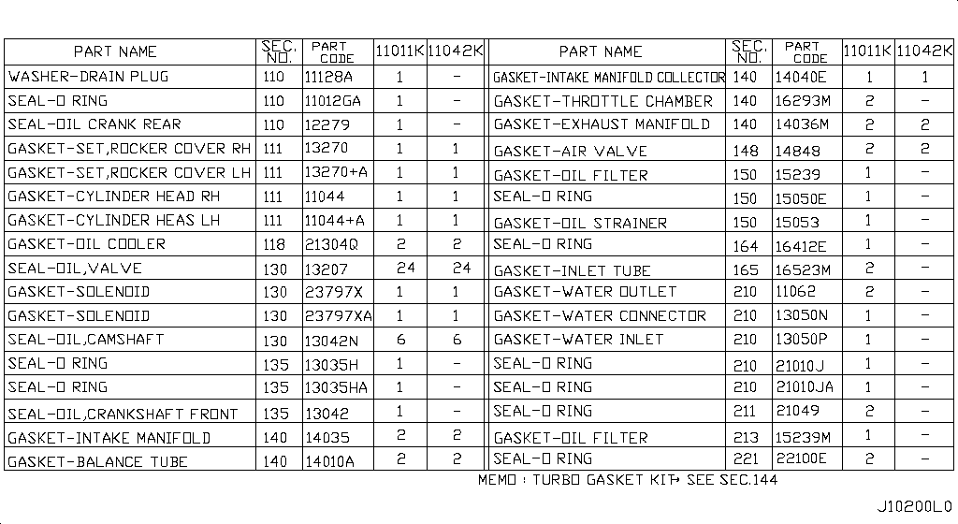
002 - Engine Gasket Kit | 22 matched part(s)
App. model: VR38DETT • [11.2013-11.2014]
 | OEM | Description | Applies / Details | Period | Notes | Match
 | 12280-JK20A | WASHER FOR BEARINGS |  |  |  | washer
 | 13270-JF00A | GASKET-ROCKER COVER |  |  | FRONT COVER ATTACH VVTI | gasket, oring, seal, washer
 | 13270-JF01A | GASKET-ROCKER COVER |  |  | FRONT COVER ATTACH VVTI | gasket, oring, seal, washer
 | 31397-JF00A | GASKET-OIL PAN |  |  | MAGNET GR6 | gasket, oring, seal, washer
 | 38189-JF00A | SEAL-OIL,DRIVE PINION |  |  | AWD SEAL | seal
 | 38342-JF00A | SEAL-OIL,DIFFERENTIAL SIDE | Applies: VR38DETT | 08.2017 - ... | SIDE COVER DIFF | seal, vr38dett
 | 38342-JF00A | SEAL-OIL,DIFFERENTIAL SIDE | Applies: VR38DETT | 11.2013 - 11.2014 | SIDE COVER DIFF | seal, vr38dett
 | 38342-JF00A | SEAL-OIL,DIFFERENTIAL SIDE | Applies: VR38DETT | 04.2016 - 08.2017 | SIDE COVER DIFF | seal, vr38dett
 | 38342-JF00A | SEAL-OIL,DIFFERENTIAL SIDE | Applies: VR38DETT | 11.2014 - 04.2016 | SIDE COVER DIFF | seal, vr38dett
 | 38342-JF00A | SEAL-OIL,DIFFERENTIAL SIDE | Applies: VR38DETT | 03.2008 - 12.2010 | SIDE COVER DIFF | seal, vr38dett
 | 38342-JF00A | SEAL-OIL,DIFFERENTIAL SIDE | Applies: VR38DETT | 12.2010 - 11.2013 | SIDE COVER DIFF | seal, vr38dett
 | 38343-JF00A | SEAL-O RING |  |  | REAR DIFF | seal
 | 65820-62B0A | SEAL-HOOD FRONT | Applies: C.(TRACK+NISMO) | 04.2016 - 07.2016 |  | seal
 | 65820-62B0A | SEAL-HOOD FRONT | Applies: C | 02.2014 - 11.2014 |  | seal
 | 65820-62B0A | SEAL-HOOD FRONT | Applies: C | 11.2014 - 04.2016 |  | seal
 | 65820-6AV0A | SEAL-HOOD FRONT | Applies: C | 08.2017 - ... |  | seal
 | 65820-6AV0A | SEAL-HOOD FRONT | Applies: C.(PURE+BLACK+PREMIUM) | 04.2016 - 07.2016 |  | seal
 | 65820-6AV0A | SEAL-HOOD FRONT | Applies: C | 07.2016 - 08.2017 |  | seal
 | 65820-JF00A | SEAL-HOOD FRONT | Applies: C | 11.2013 - 02.2014 |  | seal
 | 65820-JF00A | SEAL-HOOD FRONT | Applies: C | 03.2008 - 12.2010 |  | seal
 | 65820-JF00A | SEAL-HOOD FRONT | Applies: C | 12.2010 - 11.2013 |  | seal
 | A0A01-JF00A | full gasket kit engine |  |  |  | engine, gasket, oring, seal, washer

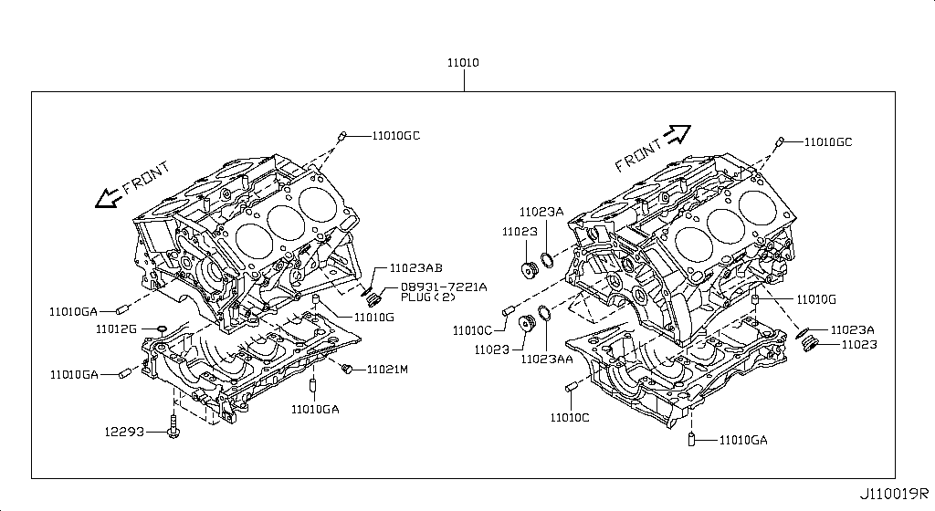
003 - Cylinder Block & Oil Pan | 17 matched part(s)
Specification: COMPONENT PARTS; App. model: VR38DETT • [11.2013-11.2014]
 | OEM | Description | Applies / Details | Period | Notes | Match
 | 11040-JF00A | cylinder heads L |  |  |  | cylinder
 | 11090-JF00A | cylinder heads R |  |  |  | cylinder
 | 11145-JF00A | oil level sensor |  |  |  | oil
 | 24350-JF00A | BLOCK ASSY-JUNCTION | Applies: C | 03.2008 - 10.2009 | IN CAR FUSE BOX | block
 | 24350-JW90A | BLOCK ASSY-JUNCTION | Applies: C | 10.2009 - 12.2010 | IN CAR FUSE BOX | block
 | 24350-KB50A | BLOCK ASSY-JUNCTION | Applies: C | 12.2010 - 07.2012 | IN CAR FUSE BOX | block
 | 24350-KB51A | BLOCK ASSY-JUNCTION | Applies: C | 08.2017 - ... | IN CAR FUSE BOX | block
 | 24350-KB51A | BLOCK ASSY-JUNCTION | Applies: C | 11.2013 - 11.2014 | IN CAR FUSE BOX | block
 | 24350-KB51A | BLOCK ASSY-JUNCTION | Applies: C | 04.2016 - 08.2017 | IN CAR FUSE BOX | block
 | 24350-KB51A | BLOCK ASSY-JUNCTION | Applies: C | 11.2014 - 04.2016 | IN CAR FUSE BOX | block
 | 24350-KB51A | BLOCK ASSY-JUNCTION |  |  | IN CAR FUSE BOX | block
 | 25070-CD000 | ENGINE OIL PRESSURE SENSOR | Applies: C | 03.2008 - 12.2010 | BCM | oil
 | 25070-CD00A | ENGINE OIL PRESSURE SENSOR | Applies: C | 08.2017 - ... | BCM | oil
 | 25070-CD00A | ENGINE OIL PRESSURE SENSOR | Applies: C | 11.2013 - 11.2014 | BCM | oil
 | 25070-CD00A | ENGINE OIL PRESSURE SENSOR | Applies: C | 04.2016 - 08.2017 | BCM | oil
 | 25070-CD00A | ENGINE OIL PRESSURE SENSOR | Applies: C | 11.2014 - 04.2016 | BCM | oil
 | 25070-CD00A | ENGINE OIL PRESSURE SENSOR | Applies: C | 12.2010 - 11.2013 | BCM | oil

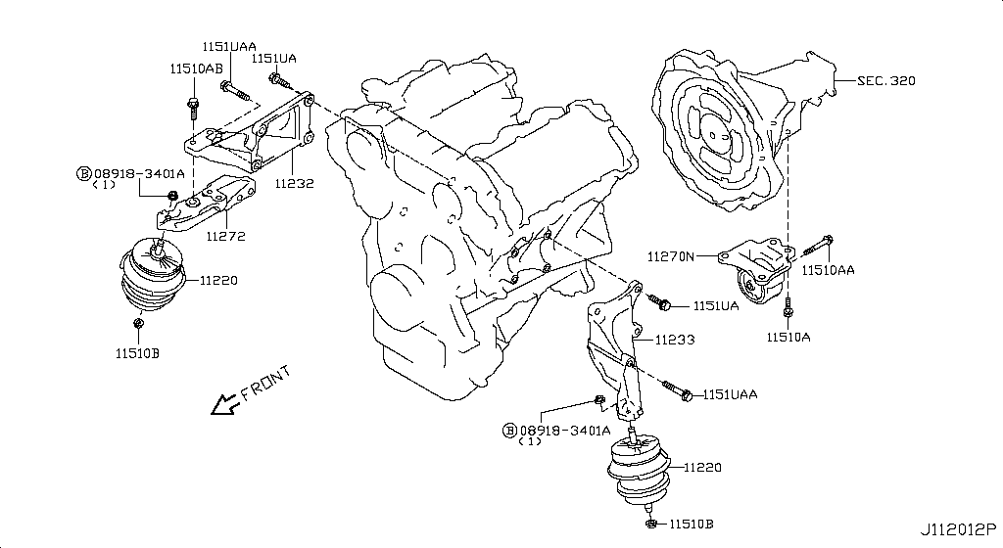
005 - Engine & Transmission Mounting | 4 matched part(s)
Specification: E/G MOUNT; App. model: VR38DETT • [08.2017-]
 | OEM | Description | Applies / Details | Period | Notes | Match
 | 11220-6AV0A | front mount left and right x2 |  |  |  | bracket, insulator, mount, mounting
 | 11270-JF00C | engine mount REAR MIDDLE X1 |  |  |  | bracket, engine, insulator, mount, mounting
 | 11320-JF00B | insulator mount trans front x2 |  |  |  | bracket, insulator, mount, mounting, transmission
 | 11340-JF00C | insulator mount trans rear x2 |  |  |  | bracket, insulator, mount, mounting, transmission

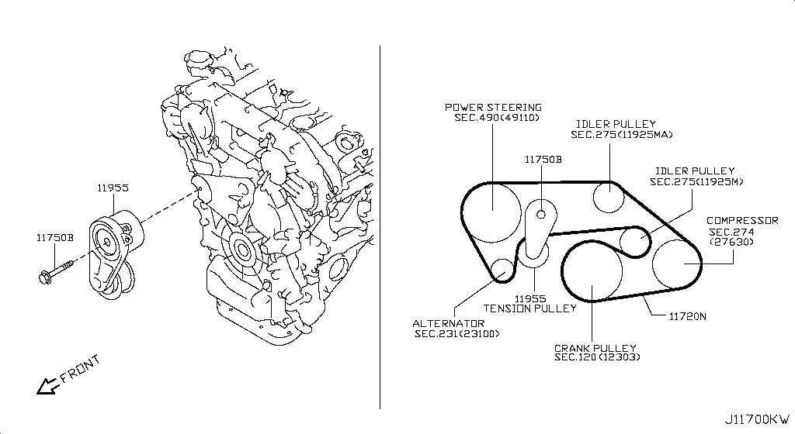
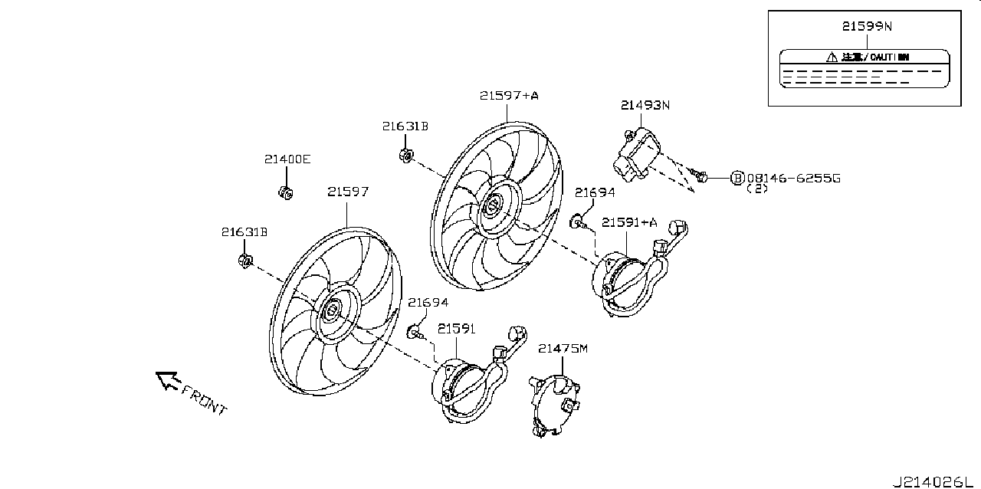
006 - Fan,Compressor & Power Steering Belt | 10 matched part(s)
App. model: VR38DETT • [11.2013-11.2014]
 | OEM | Description | Applies / Details | Period | Notes | Match
 | 21487-JF00B | MOTOR ASSY-FAN |  |  | 2024 FAN MOTOR | fan
 | 21487-JF01B | MOTOR ASSY-FAN |  |  | 2024 FAN MOTOR | fan
 | 21493-4GA0A | FAN CONTROL MODULE |  |  | MODULE | fan
 | 22060-JK20A | KNOCK SENSOR |  |  | 2024 FAN MOTOR | fan
 | 25331-1NF0B | POWER SOCKET ASSY | Applies: C.(PURE+BLACK+PREMIUM) | 04.2016 - 07.2016 | SOCKET LIGHTER | power
 | 25331-1NF0B | POWER SOCKET ASSY | Applies: C.(PURE+TRACK+PREMIUM) | 08.2017 - ... | SOCKET LIGHTER | power
 | 25331-1NF0B | POWER SOCKET ASSY | Applies: C.(PURE+BLACK+PREMIUM) | 11.2013 - 11.2014 | SOCKET LIGHTER | power
 | 25331-1NF0B | POWER SOCKET ASSY | Applies: C.(PURE+TRACK+BLACK+PREMIUM) | 07.2016 - 08.2017 | SOCKET LIGHTER | power
 | 25331-1NF0B | POWER SOCKET ASSY | Applies: C | 11.2014 - 04.2016 | SOCKET LIGHTER | power
 | 25331-1NF0B | POWER SOCKET ASSY | Applies: C | 11.2011 - 11.2013 | SOCKET LIGHTER | power

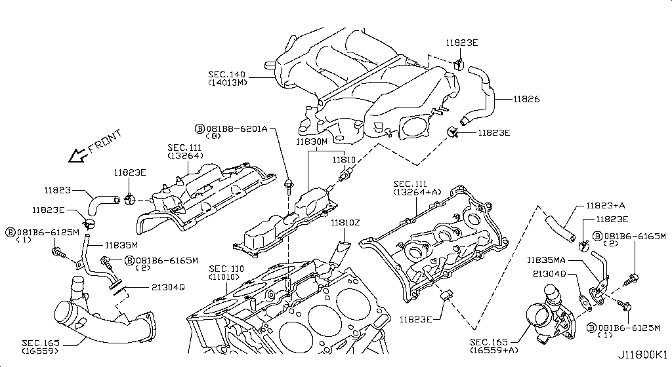
007 - Crankcase Ventilation | 1 matched part(s)
App. model: VR38DETT • [11.2013-11.2014]
 | OEM | Description | Applies / Details | Period | Notes | Match
 | 11110-38B0A | but need 2024 CRANKCASE |  |  |  | crankcase

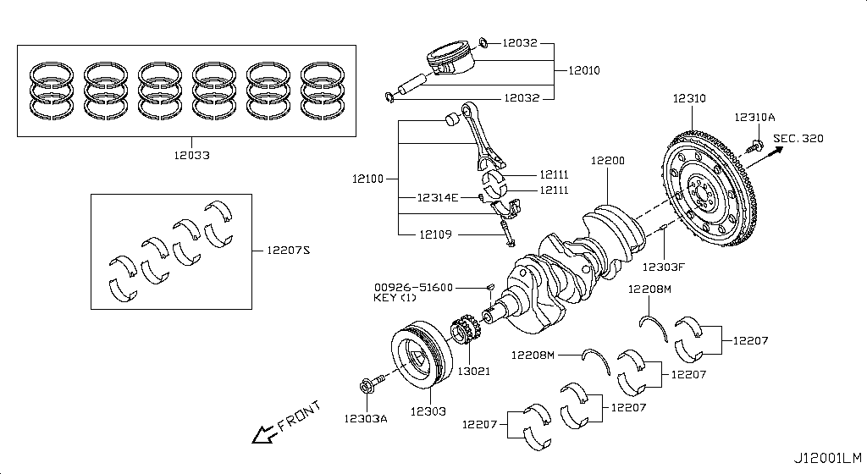
008 - Piston,Crankshaft & Flywheel | 256 matched part(s)
Specification: MAIN PARTS; App. model: VR38DETT • [11.2013-11.2014]
 | OEM | Description | Applies / Details | Period | Notes | Match
 | 00926-51600 | KEY FOR CRANK |  |  |  | bearing, crank, crankshaft, flywheel, key, piston, pulley, rod
 | 12111-JF00A | connecting rod bush | Applies: VR38DETT; Specification: STD=0 | 08.2017 |  | rod, vr38dett
 | 12111-JF01A | connecting rod bush | Applies: VR38DETT; Specification: STD=1 | 08.2017 |  | rod, vr38dett
 | 12111-JF02A | connecting rod bush | Applies: VR38DETT; Specification: STD=2 | 08.2017 |  | rod, vr38dett
 | 12111-JF03A | connecting rod bush | Applies: VR38DETT; Specification: STD=3 | 08.2017 |  | rod, vr38dett
 | 12111-JF04A | connecting rod bush | Applies: VR38DETT; Specification: STD=4 | 08.2017 |  | rod, vr38dett
 | 12117-JF00A | connecting rod bush | Applies: VR38DETT; Specification: US=0.25 | 08.2017 |  | rod, vr38dett
 | 12207-JF00A | BEARING ALL SIZES | Applies: VR38DETT; Specification: STD GRADE 0 | 08.2017 - ... |  | bearing, vr38dett
 | 12207-JF00B | BEARING ALL SIZES | Applies: VR38DETT; Specification: STD GRADE 01 | 08.2017 - ... |  | bearing, vr38dett
 | 12207-JF01A | BEARING ALL SIZES | Applies: VR38DETT; Specification: STD GRADE 1 | 08.2017 - ... |  | bearing, vr38dett
 | 12207-JF01B | BEARING ALL SIZES | Applies: VR38DETT; Specification: STD GRADE 12 | 08.2017 - ... |  | bearing, vr38dett
 | 12207-JF02A | BEARING ALL SIZES | Applies: VR38DETT; Specification: STD GRADE 2 | 08.2017 - ... |  | bearing, vr38dett
 | 12207-JF02B | BEARING ALL SIZES | Applies: VR38DETT; Specification: STD GRADE 23 | 08.2017 - ... |  | bearing, vr38dett
 | 12207-JF03A | BEARING ALL SIZES | Applies: VR38DETT; Specification: STD GRADE 3 | 08.2017 - ... |  | bearing, vr38dett
 | 12207-JF03B | BEARING ALL SIZES | Applies: VR38DETT; Specification: STD GRADE 34 | 08.2017 - ... |  | bearing, vr38dett
 | 12207-JF04A | BEARING ALL SIZES | Applies: VR38DETT; Specification: STD GRADE 4 | 08.2017 - ... |  | bearing, vr38dett
 | 12207-JF04B | BEARING ALL SIZES | Applies: VR38DETT; Specification: STD GRADE 45 | 08.2017 - ... |  | bearing, vr38dett
 | 12207-JF05A | BEARING ALL SIZES | Applies: VR38DETT; Specification: STD GRADE 5 | 08.2017 - ... |  | bearing, vr38dett
 | 12207-JF05B | BEARING ALL SIZES | Applies: VR38DETT; Specification: STD GRADE 56 | 08.2017 - ... |  | bearing, vr38dett
 | 12207-JF06A | BEARING ALL SIZES | Applies: VR38DETT; Specification: STD GRADE 6 | 08.2017 - ... |  | bearing, vr38dett
 | 12207-JF06B | BEARING ALL SIZES | Applies: VR38DETT; Specification: STD GRADE 67 | 08.2017 - ... |  | bearing, vr38dett
 | 12207-JF07A | BEARING ALL SIZES | Applies: VR38DETT; Specification: STD GRADE 7 | 08.2017 - ... |  | bearing, vr38dett
 | 12279-AD200 | rear crank seal |  |  |  | bearing, crank, crankshaft, flywheel, key, piston, pulley, rod
 | 12309-JF00A | PULLEY BOLT for crankshaft |  |  |  | bearing, crank, crankshaft, flywheel, key, piston, pulley, rod
 | 13021-JF00A | GEAR CRANK |  |  |  | bearing, crank, crankshaft, flywheel, key, piston, pulley, rod
 | 13510-31U10 | FRONT CRANK SEAL |  |  |  | bearing, crank, crankshaft, flywheel, key, piston, pulley, rod
 | 23731-JA10C | CRANKSHAFT POSITION SENSOR | Applies: VR38DETT | 08.2017 - ... | 2024 FAN MOTOR | bearing, crank, crankshaft, flywheel, key, piston, pulley, rod, vr38dett
 | 23731-JA10C | CRANKSHAFT POSITION SENSOR |  |  | 2024 FAN MOTOR | bearing, crank, crankshaft, flywheel, key, piston, pulley, rod
 | 38440-JF00A | BEARING-DIFFERENTIAL SIDE |  |  | REAR DIFF BEARINGS | bearing
 | 38453-JF00A | SHIM-ADJUST,SIDE BEARING | Applies: VR38DETT; Specification: SELECT T=1.00 | 08.2017 - ... | REAR DIFF SHIMS | bearing, vr38dett
 | 38453-JF00A | SHIM-ADJUST,SIDE BEARING | Applies: VR38DETT; Specification: SELECT T=1.00 | 11.2013 - 11.2014 | REAR DIFF SHIMS | bearing, vr38dett
 | 38453-JF00A | SHIM-ADJUST,SIDE BEARING | Applies: VR38DETT; Specification: SELECT T=1.00 | 04.2016 - 08.2017 | REAR DIFF SHIMS | bearing, vr38dett
 | 38453-JF00A | SHIM-ADJUST,SIDE BEARING | Applies: VR38DETT; Specification: SELECT T=1.00 | 11.2014 - 04.2016 | REAR DIFF SHIMS | bearing, vr38dett
 | 38453-JF00A | SHIM-ADJUST,SIDE BEARING | Applies: VR38DETT; Specification: SELECT T=1.00 | 03.2008 - 12.2010 | REAR DIFF SHIMS | bearing, vr38dett
 | 38453-JF00A | SHIM-ADJUST,SIDE BEARING | Applies: VR38DETT; Specification: SELECT T=1.00 | 12.2010 - 11.2013 | REAR DIFF SHIMS | bearing, vr38dett
 | 38453-JF01A | SHIM-ADJUST,SIDE BEARING | Applies: VR38DETT; Specification: SELECT T=1.03 | 08.2017 - ... | REAR DIFF SHIMS | bearing, vr38dett
 | 38453-JF01A | SHIM-ADJUST,SIDE BEARING | Applies: VR38DETT; Specification: SELECT T=1.03 | 11.2013 - 11.2014 | REAR DIFF SHIMS | bearing, vr38dett
 | 38453-JF01A | SHIM-ADJUST,SIDE BEARING | Applies: VR38DETT; Specification: SELECT T=1.03 | 04.2016 - 08.2017 | REAR DIFF SHIMS | bearing, vr38dett
 | 38453-JF01A | SHIM-ADJUST,SIDE BEARING | Applies: VR38DETT; Specification: SELECT T=1.03 | 11.2014 - 04.2016 | REAR DIFF SHIMS | bearing, vr38dett
 | 38453-JF01A | SHIM-ADJUST,SIDE BEARING | Applies: VR38DETT; Specification: SELECT T=1.03 | 03.2008 - 12.2010 | REAR DIFF SHIMS | bearing, vr38dett
 | 38453-JF01A | SHIM-ADJUST,SIDE BEARING | Applies: VR38DETT; Specification: SELECT T=1.03 | 12.2010 - 11.2013 | REAR DIFF SHIMS | bearing, vr38dett
 | 38453-JF02A | SHIM-ADJUST,SIDE BEARING | Applies: VR38DETT; Specification: SELECT T=1.06 | 08.2017 - ... | REAR DIFF SHIMS | bearing, vr38dett
 | 38453-JF02A | SHIM-ADJUST,SIDE BEARING | Applies: VR38DETT; Specification: SELECT T=1.06 | 11.2013 - 11.2014 | REAR DIFF SHIMS | bearing, vr38dett
 | 38453-JF02A | SHIM-ADJUST,SIDE BEARING | Applies: VR38DETT; Specification: SELECT T=1.06 | 04.2016 - 08.2017 | REAR DIFF SHIMS | bearing, vr38dett
 | 38453-JF02A | SHIM-ADJUST,SIDE BEARING | Applies: VR38DETT; Specification: SELECT T=1.06 | 11.2014 - 04.2016 | REAR DIFF SHIMS | bearing, vr38dett
 | 38453-JF02A | SHIM-ADJUST,SIDE BEARING | Applies: VR38DETT; Specification: SELECT T=1.06 | 03.2008 - 12.2010 | REAR DIFF SHIMS | bearing, vr38dett
 | 38453-JF02A | SHIM-ADJUST,SIDE BEARING | Applies: VR38DETT; Specification: SELECT T=1.06 | 12.2010 - 11.2013 | REAR DIFF SHIMS | bearing, vr38dett
 | 38453-JF03A | SHIM-ADJUST,SIDE BEARING | Applies: VR38DETT; Specification: SELECT T=1.09 | 08.2017 - ... | REAR DIFF SHIMS | bearing, vr38dett
 | 38453-JF03A | SHIM-ADJUST,SIDE BEARING | Applies: VR38DETT; Specification: SELECT T=1.09 | 11.2013 - 11.2014 | REAR DIFF SHIMS | bearing, vr38dett
 | 38453-JF03A | SHIM-ADJUST,SIDE BEARING | Applies: VR38DETT; Specification: SELECT T=1.09 | 04.2016 - 08.2017 | REAR DIFF SHIMS | bearing, vr38dett
 | 38453-JF03A | SHIM-ADJUST,SIDE BEARING | Applies: VR38DETT; Specification: SELECT T=1.09 | 11.2014 - 04.2016 | REAR DIFF SHIMS | bearing, vr38dett
 | 38453-JF03A | SHIM-ADJUST,SIDE BEARING | Applies: VR38DETT; Specification: SELECT T=1.09 | 03.2008 - 12.2010 | REAR DIFF SHIMS | bearing, vr38dett
 | 38453-JF03A | SHIM-ADJUST,SIDE BEARING | Applies: VR38DETT; Specification: SELECT T=1.09 | 12.2010 - 11.2013 | REAR DIFF SHIMS | bearing, vr38dett
 | 38453-JF04A | SHIM-ADJUST,SIDE BEARING | Applies: VR38DETT; Specification: SELECT T=1.12 | 08.2017 - ... | REAR DIFF SHIMS | bearing, vr38dett
 | 38453-JF04A | SHIM-ADJUST,SIDE BEARING | Applies: VR38DETT; Specification: SELECT T=1.12 | 11.2013 - 11.2014 | REAR DIFF SHIMS | bearing, vr38dett
 | 38453-JF04A | SHIM-ADJUST,SIDE BEARING | Applies: VR38DETT; Specification: SELECT T=1.12 | 04.2016 - 08.2017 | REAR DIFF SHIMS | bearing, vr38dett
 | 38453-JF04A | SHIM-ADJUST,SIDE BEARING | Applies: VR38DETT; Specification: SELECT T=1.12 | 11.2014 - 04.2016 | REAR DIFF SHIMS | bearing, vr38dett
 | 38453-JF04A | SHIM-ADJUST,SIDE BEARING | Applies: VR38DETT; Specification: SELECT T=1.12 | 03.2008 - 12.2010 | REAR DIFF SHIMS | bearing, vr38dett
 | 38453-JF04A | SHIM-ADJUST,SIDE BEARING | Applies: VR38DETT; Specification: SELECT T=1.12 | 12.2010 - 11.2013 | REAR DIFF SHIMS | bearing, vr38dett
 | 38453-JF05A | SHIM-ADJUST,SIDE BEARING | Applies: VR38DETT; Specification: SELECT T=1.15 | 08.2017 - ... | REAR DIFF SHIMS | bearing, vr38dett
 | 38453-JF05A | SHIM-ADJUST,SIDE BEARING | Applies: VR38DETT; Specification: SELECT T=1.15 | 11.2013 - 11.2014 | REAR DIFF SHIMS | bearing, vr38dett
 | 38453-JF05A | SHIM-ADJUST,SIDE BEARING | Applies: VR38DETT; Specification: SELECT T=1.15 | 04.2016 - 08.2017 | REAR DIFF SHIMS | bearing, vr38dett
 | 38453-JF05A | SHIM-ADJUST,SIDE BEARING | Applies: VR38DETT; Specification: SELECT T=1.15 | 11.2014 - 04.2016 | REAR DIFF SHIMS | bearing, vr38dett
 | 38453-JF05A | SHIM-ADJUST,SIDE BEARING | Applies: VR38DETT; Specification: SELECT T=1.15 | 03.2008 - 12.2010 | REAR DIFF SHIMS | bearing, vr38dett
 | 38453-JF05A | SHIM-ADJUST,SIDE BEARING | Applies: VR38DETT; Specification: SELECT T=1.15 | 12.2010 - 11.2013 | REAR DIFF SHIMS | bearing, vr38dett
 | 38453-JF06A | SHIM-ADJUST,SIDE BEARING | Applies: VR38DETT; Specification: SELECT T=1.18 | 08.2017 - ... | REAR DIFF SHIMS | bearing, vr38dett
 | 38453-JF06A | SHIM-ADJUST,SIDE BEARING | Applies: VR38DETT; Specification: SELECT T=1.18 | 11.2013 - 11.2014 | REAR DIFF SHIMS | bearing, vr38dett
 | 38453-JF06A | SHIM-ADJUST,SIDE BEARING | Applies: VR38DETT; Specification: SELECT T=1.18 | 04.2016 - 08.2017 | REAR DIFF SHIMS | bearing, vr38dett
 | 38453-JF06A | SHIM-ADJUST,SIDE BEARING | Applies: VR38DETT; Specification: SELECT T=1.18 | 11.2014 - 04.2016 | REAR DIFF SHIMS | bearing, vr38dett
 | 38453-JF06A | SHIM-ADJUST,SIDE BEARING | Applies: VR38DETT; Specification: SELECT T=1.18 | 03.2008 - 12.2010 | REAR DIFF SHIMS | bearing, vr38dett
 | 38453-JF06A | SHIM-ADJUST,SIDE BEARING | Applies: VR38DETT; Specification: SELECT T=1.18 | 12.2010 - 11.2013 | REAR DIFF SHIMS | bearing, vr38dett
 | 38453-JF07A | SHIM-ADJUST,SIDE BEARING | Applies: VR38DETT; Specification: SELECT T=1.21 | 08.2017 - ... | REAR DIFF SHIMS | bearing, vr38dett
 | 38453-JF07A | SHIM-ADJUST,SIDE BEARING | Applies: VR38DETT; Specification: SELECT T=1.21 | 11.2013 - 11.2014 | REAR DIFF SHIMS | bearing, vr38dett
 | 38453-JF07A | SHIM-ADJUST,SIDE BEARING | Applies: VR38DETT; Specification: SELECT T=1.21 | 04.2016 - 08.2017 | REAR DIFF SHIMS | bearing, vr38dett
 | 38453-JF07A | SHIM-ADJUST,SIDE BEARING | Applies: VR38DETT; Specification: SELECT T=1.21 | 11.2014 - 04.2016 | REAR DIFF SHIMS | bearing, vr38dett
 | 38453-JF07A | SHIM-ADJUST,SIDE BEARING | Applies: VR38DETT; Specification: SELECT T=1.21 | 03.2008 - 12.2010 | REAR DIFF SHIMS | bearing, vr38dett
 | 38453-JF07A | SHIM-ADJUST,SIDE BEARING | Applies: VR38DETT; Specification: SELECT T=1.21 | 12.2010 - 11.2013 | REAR DIFF SHIMS | bearing, vr38dett
 | 38453-JF08A | SHIM-ADJUST,SIDE BEARING | Applies: VR38DETT; Specification: SELECT T=1.24 | 08.2017 - ... | REAR DIFF SHIMS | bearing, vr38dett
 | 38453-JF08A | SHIM-ADJUST,SIDE BEARING | Applies: VR38DETT; Specification: SELECT T=1.24 | 11.2013 - 11.2014 | REAR DIFF SHIMS | bearing, vr38dett
 | 38453-JF08A | SHIM-ADJUST,SIDE BEARING | Applies: VR38DETT; Specification: SELECT T=1.24 | 04.2016 - 08.2017 | REAR DIFF SHIMS | bearing, vr38dett
 | 38453-JF08A | SHIM-ADJUST,SIDE BEARING | Applies: VR38DETT; Specification: SELECT T=1.24 | 11.2014 - 04.2016 | REAR DIFF SHIMS | bearing, vr38dett
 | 38453-JF08A | SHIM-ADJUST,SIDE BEARING | Applies: VR38DETT; Specification: SELECT T=1.24 | 03.2008 - 12.2010 | REAR DIFF SHIMS | bearing, vr38dett
 | 38453-JF08A | SHIM-ADJUST,SIDE BEARING | Applies: VR38DETT; Specification: SELECT T=1.24 | 12.2010 - 11.2013 | REAR DIFF SHIMS | bearing, vr38dett
 | 38453-JF09A | SHIM-ADJUST,SIDE BEARING | Applies: VR38DETT; Specification: SELECT T=1.27 | 08.2017 - ... | REAR DIFF SHIMS | bearing, vr38dett
 | 38453-JF09A | SHIM-ADJUST,SIDE BEARING | Applies: VR38DETT; Specification: SELECT T=1.27 | 11.2013 - 11.2014 | REAR DIFF SHIMS | bearing, vr38dett
 | 38453-JF09A | SHIM-ADJUST,SIDE BEARING | Applies: VR38DETT; Specification: SELECT T=1.27 | 04.2016 - 08.2017 | REAR DIFF SHIMS | bearing, vr38dett
 | 38453-JF09A | SHIM-ADJUST,SIDE BEARING | Applies: VR38DETT; Specification: SELECT T=1.27 | 11.2014 - 04.2016 | REAR DIFF SHIMS | bearing, vr38dett
 | 38453-JF09A | SHIM-ADJUST,SIDE BEARING | Applies: VR38DETT; Specification: SELECT T=1.27 | 03.2008 - 12.2010 | REAR DIFF SHIMS | bearing, vr38dett
 | 38453-JF09A | SHIM-ADJUST,SIDE BEARING | Applies: VR38DETT; Specification: SELECT T=1.27 | 12.2010 - 11.2013 | REAR DIFF SHIMS | bearing, vr38dett
 | 38453-JF10A | SHIM-ADJUST,SIDE BEARING | Applies: VR38DETT; Specification: SELECT T=1.30 | 08.2017 - ... | REAR DIFF SHIMS | bearing, vr38dett
 | 38453-JF10A | SHIM-ADJUST,SIDE BEARING | Applies: VR38DETT; Specification: SELECT T=1.30 | 11.2013 - 11.2014 | REAR DIFF SHIMS | bearing, vr38dett
 | 38453-JF10A | SHIM-ADJUST,SIDE BEARING | Applies: VR38DETT; Specification: SELECT T=1.30 | 04.2016 - 08.2017 | REAR DIFF SHIMS | bearing, vr38dett
 | 38453-JF10A | SHIM-ADJUST,SIDE BEARING | Applies: VR38DETT; Specification: SELECT T=1.30 | 11.2014 - 04.2016 | REAR DIFF SHIMS | bearing, vr38dett
 | 38453-JF10A | SHIM-ADJUST,SIDE BEARING | Applies: VR38DETT; Specification: SELECT T=1.30 | 03.2008 - 12.2010 | REAR DIFF SHIMS | bearing, vr38dett
 | 38453-JF10A | SHIM-ADJUST,SIDE BEARING | Applies: VR38DETT; Specification: SELECT T=1.30 | 12.2010 - 11.2013 | REAR DIFF SHIMS | bearing, vr38dett
 | 38453-JF11A | SHIM-ADJUST,SIDE BEARING | Applies: VR38DETT; Specification: SELECT T=1.33 | 08.2017 - ... | REAR DIFF SHIMS | bearing, vr38dett
 | 38453-JF11A | SHIM-ADJUST,SIDE BEARING | Applies: VR38DETT; Specification: SELECT T=1.33 | 11.2013 - 11.2014 | REAR DIFF SHIMS | bearing, vr38dett
 | 38453-JF11A | SHIM-ADJUST,SIDE BEARING | Applies: VR38DETT; Specification: SELECT T=1.33 | 04.2016 - 08.2017 | REAR DIFF SHIMS | bearing, vr38dett
 | 38453-JF11A | SHIM-ADJUST,SIDE BEARING | Applies: VR38DETT; Specification: SELECT T=1.33 | 11.2014 - 04.2016 | REAR DIFF SHIMS | bearing, vr38dett
 | 38453-JF11A | SHIM-ADJUST,SIDE BEARING | Applies: VR38DETT; Specification: SELECT T=1.33 | 03.2008 - 12.2010 | REAR DIFF SHIMS | bearing, vr38dett
 | 38453-JF11A | SHIM-ADJUST,SIDE BEARING | Applies: VR38DETT; Specification: SELECT T=1.33 | 12.2010 - 11.2013 | REAR DIFF SHIMS | bearing, vr38dett
 | 38453-JF12A | SHIM-ADJUST,SIDE BEARING | Applies: VR38DETT; Specification: SELECT T=1.36 | 08.2017 - ... | REAR DIFF SHIMS | bearing, vr38dett
 | 38453-JF12A | SHIM-ADJUST,SIDE BEARING | Applies: VR38DETT; Specification: SELECT T=1.36 | 11.2013 - 11.2014 | REAR DIFF SHIMS | bearing, vr38dett
 | 38453-JF12A | SHIM-ADJUST,SIDE BEARING | Applies: VR38DETT; Specification: SELECT T=1.36 | 04.2016 - 08.2017 | REAR DIFF SHIMS | bearing, vr38dett
 | 38453-JF12A | SHIM-ADJUST,SIDE BEARING | Applies: VR38DETT; Specification: SELECT T=1.36 | 11.2014 - 04.2016 | REAR DIFF SHIMS | bearing, vr38dett
 | 38453-JF12A | SHIM-ADJUST,SIDE BEARING | Applies: VR38DETT; Specification: SELECT T=1.36 | 03.2008 - 12.2010 | REAR DIFF SHIMS | bearing, vr38dett
 | 38453-JF12A | SHIM-ADJUST,SIDE BEARING | Applies: VR38DETT; Specification: SELECT T=1.36 | 12.2010 - 11.2013 | REAR DIFF SHIMS | bearing, vr38dett
 | 38453-JF13A | SHIM-ADJUST,SIDE BEARING | Applies: VR38DETT; Specification: SELECT T=1.39 | 08.2017 - ... | REAR DIFF SHIMS | bearing, vr38dett
 | 38453-JF13A | SHIM-ADJUST,SIDE BEARING | Applies: VR38DETT; Specification: SELECT T=1.39 | 11.2013 - 11.2014 | REAR DIFF SHIMS | bearing, vr38dett
 | 38453-JF13A | SHIM-ADJUST,SIDE BEARING | Applies: VR38DETT; Specification: SELECT T=1.39 | 04.2016 - 08.2017 | REAR DIFF SHIMS | bearing, vr38dett
 | 38453-JF13A | SHIM-ADJUST,SIDE BEARING | Applies: VR38DETT; Specification: SELECT T=1.39 | 11.2014 - 04.2016 | REAR DIFF SHIMS | bearing, vr38dett
 | 38453-JF13A | SHIM-ADJUST,SIDE BEARING | Applies: VR38DETT; Specification: SELECT T=1.39 | 03.2008 - 12.2010 | REAR DIFF SHIMS | bearing, vr38dett
 | 38453-JF13A | SHIM-ADJUST,SIDE BEARING | Applies: VR38DETT; Specification: SELECT T=1.39 | 12.2010 - 11.2013 | REAR DIFF SHIMS | bearing, vr38dett
 | 38453-JF14A | SHIM-ADJUST,SIDE BEARING | Applies: VR38DETT; Specification: SELECT T=1.42 | 08.2017 - ... | REAR DIFF SHIMS | bearing, vr38dett
 | 38453-JF14A | SHIM-ADJUST,SIDE BEARING | Applies: VR38DETT; Specification: SELECT T=1.42 | 11.2013 - 11.2014 | REAR DIFF SHIMS | bearing, vr38dett
 | 38453-JF14A | SHIM-ADJUST,SIDE BEARING | Applies: VR38DETT; Specification: SELECT T=1.42 | 04.2016 - 08.2017 | REAR DIFF SHIMS | bearing, vr38dett
 | 38453-JF14A | SHIM-ADJUST,SIDE BEARING | Applies: VR38DETT; Specification: SELECT T=1.42 | 11.2014 - 04.2016 | REAR DIFF SHIMS | bearing, vr38dett
 | 38453-JF14A | SHIM-ADJUST,SIDE BEARING | Applies: VR38DETT; Specification: SELECT T=1.42 | 03.2008 - 12.2010 | REAR DIFF SHIMS | bearing, vr38dett
 | 38453-JF14A | SHIM-ADJUST,SIDE BEARING | Applies: VR38DETT; Specification: SELECT T=1.42 | 12.2010 - 11.2013 | REAR DIFF SHIMS | bearing, vr38dett
 | 38453-JF15A | SHIM-ADJUST,SIDE BEARING | Applies: VR38DETT; Specification: SELECT T=1.45 | 08.2017 - ... | REAR DIFF SHIMS | bearing, vr38dett
 | 38453-JF15A | SHIM-ADJUST,SIDE BEARING | Applies: VR38DETT; Specification: SELECT T=1.45 | 11.2013 - 11.2014 | REAR DIFF SHIMS | bearing, vr38dett
 | 38453-JF15A | SHIM-ADJUST,SIDE BEARING | Applies: VR38DETT; Specification: SELECT T=1.45 | 04.2016 - 08.2017 | REAR DIFF SHIMS | bearing, vr38dett
 | 38453-JF15A | SHIM-ADJUST,SIDE BEARING | Applies: VR38DETT; Specification: SELECT T=1.45 | 11.2014 - 04.2016 | REAR DIFF SHIMS | bearing, vr38dett
 | 38453-JF15A | SHIM-ADJUST,SIDE BEARING | Applies: VR38DETT; Specification: SELECT T=1.45 | 03.2008 - 12.2010 | REAR DIFF SHIMS | bearing, vr38dett
 | 38453-JF15A | SHIM-ADJUST,SIDE BEARING | Applies: VR38DETT; Specification: SELECT T=1.45 | 12.2010 - 11.2013 | REAR DIFF SHIMS | bearing, vr38dett
 | 38453-JF16A | SHIM-ADJUST,SIDE BEARING | Applies: VR38DETT; Specification: SELECT T=1.48 | 08.2017 - ... | REAR DIFF SHIMS | bearing, vr38dett
 | 38453-JF16A | SHIM-ADJUST,SIDE BEARING | Applies: VR38DETT; Specification: SELECT T=1.48 | 11.2013 - 11.2014 | REAR DIFF SHIMS | bearing, vr38dett
 | 38453-JF16A | SHIM-ADJUST,SIDE BEARING | Applies: VR38DETT; Specification: SELECT T=1.48 | 04.2016 - 08.2017 | REAR DIFF SHIMS | bearing, vr38dett
 | 38453-JF16A | SHIM-ADJUST,SIDE BEARING | Applies: VR38DETT; Specification: SELECT T=1.48 | 11.2014 - 04.2016 | REAR DIFF SHIMS | bearing, vr38dett
 | 38453-JF16A | SHIM-ADJUST,SIDE BEARING | Applies: VR38DETT; Specification: SELECT T=1.48 | 03.2008 - 12.2010 | REAR DIFF SHIMS | bearing, vr38dett
 | 38453-JF16A | SHIM-ADJUST,SIDE BEARING | Applies: VR38DETT; Specification: SELECT T=1.48 | 12.2010 - 11.2013 | REAR DIFF SHIMS | bearing, vr38dett
 | 38453-JF17A | SHIM-ADJUST,SIDE BEARING | Applies: VR38DETT; Specification: SELECT T=1.51 | 08.2017 - ... | REAR DIFF SHIMS | bearing, vr38dett
 | 38453-JF17A | SHIM-ADJUST,SIDE BEARING | Applies: VR38DETT; Specification: SELECT T=1.51 | 11.2013 - 11.2014 | REAR DIFF SHIMS | bearing, vr38dett
 | 38453-JF17A | SHIM-ADJUST,SIDE BEARING | Applies: VR38DETT; Specification: SELECT T=1.51 | 04.2016 - 08.2017 | REAR DIFF SHIMS | bearing, vr38dett
 | 38453-JF17A | SHIM-ADJUST,SIDE BEARING | Applies: VR38DETT; Specification: SELECT T=1.51 | 11.2014 - 04.2016 | REAR DIFF SHIMS | bearing, vr38dett
 | 38453-JF17A | SHIM-ADJUST,SIDE BEARING | Applies: VR38DETT; Specification: SELECT T=1.51 | 03.2008 - 12.2010 | REAR DIFF SHIMS | bearing, vr38dett
 | 38453-JF17A | SHIM-ADJUST,SIDE BEARING | Applies: VR38DETT; Specification: SELECT T=1.51 | 12.2010 - 11.2013 | REAR DIFF SHIMS | bearing, vr38dett
 | 38453-JF18A | SHIM-ADJUST,SIDE BEARING | Applies: VR38DETT; Specification: SELECT T=1.54 | 08.2017 - ... | REAR DIFF SHIMS | bearing, vr38dett
 | 38453-JF18A | SHIM-ADJUST,SIDE BEARING | Applies: VR38DETT; Specification: SELECT T=1.54 | 11.2013 - 11.2014 | REAR DIFF SHIMS | bearing, vr38dett
 | 38453-JF18A | SHIM-ADJUST,SIDE BEARING | Applies: VR38DETT; Specification: SELECT T=1.54 | 04.2016 - 08.2017 | REAR DIFF SHIMS | bearing, vr38dett
 | 38453-JF18A | SHIM-ADJUST,SIDE BEARING | Applies: VR38DETT; Specification: SELECT T=1.54 | 11.2014 - 04.2016 | REAR DIFF SHIMS | bearing, vr38dett
 | 38453-JF18A | SHIM-ADJUST,SIDE BEARING | Applies: VR38DETT; Specification: SELECT T=1.54 | 03.2008 - 12.2010 | REAR DIFF SHIMS | bearing, vr38dett
 | 38453-JF18A | SHIM-ADJUST,SIDE BEARING | Applies: VR38DETT; Specification: SELECT T=1.54 | 12.2010 - 11.2013 | REAR DIFF SHIMS | bearing, vr38dett
 | 38453-JF19A | SHIM-ADJUST,SIDE BEARING | Applies: VR38DETT; Specification: SELECT T=1.57 | 08.2017 - ... | REAR DIFF SHIMS | bearing, vr38dett
 | 38453-JF19A | SHIM-ADJUST,SIDE BEARING | Applies: VR38DETT; Specification: SELECT T=1.57 | 11.2013 - 11.2014 | REAR DIFF SHIMS | bearing, vr38dett
 | 38453-JF19A | SHIM-ADJUST,SIDE BEARING | Applies: VR38DETT; Specification: SELECT T=1.57 | 04.2016 - 08.2017 | REAR DIFF SHIMS | bearing, vr38dett
 | 38453-JF19A | SHIM-ADJUST,SIDE BEARING | Applies: VR38DETT; Specification: SELECT T=1.57 | 11.2014 - 04.2016 | REAR DIFF SHIMS | bearing, vr38dett
 | 38453-JF19A | SHIM-ADJUST,SIDE BEARING | Applies: VR38DETT; Specification: SELECT T=1.57 | 03.2008 - 12.2010 | REAR DIFF SHIMS | bearing, vr38dett
 | 38453-JF19A | SHIM-ADJUST,SIDE BEARING | Applies: VR38DETT; Specification: SELECT T=1.57 | 12.2010 - 11.2013 | REAR DIFF SHIMS | bearing, vr38dett
 | 38453-JF20A | SHIM-ADJUST,SIDE BEARING | Applies: VR38DETT; Specification: SELECT T=1.60 | 08.2017 - ... | REAR DIFF SHIMS | bearing, vr38dett
 | 38453-JF20A | SHIM-ADJUST,SIDE BEARING | Applies: VR38DETT; Specification: SELECT T=1.60 | 11.2013 - 11.2014 | REAR DIFF SHIMS | bearing, vr38dett
 | 38453-JF20A | SHIM-ADJUST,SIDE BEARING | Applies: VR38DETT; Specification: SELECT T=1.60 | 04.2016 - 08.2017 | REAR DIFF SHIMS | bearing, vr38dett
 | 38453-JF20A | SHIM-ADJUST,SIDE BEARING | Applies: VR38DETT; Specification: SELECT T=1.60 | 11.2014 - 04.2016 | REAR DIFF SHIMS | bearing, vr38dett
 | 38453-JF20A | SHIM-ADJUST,SIDE BEARING | Applies: VR38DETT; Specification: SELECT T=1.60 | 03.2008 - 12.2010 | REAR DIFF SHIMS | bearing, vr38dett
 | 38453-JF20A | SHIM-ADJUST,SIDE BEARING | Applies: VR38DETT; Specification: SELECT T=1.60 | 12.2010 - 11.2013 | REAR DIFF SHIMS | bearing, vr38dett
 | 38453-JF21A | SHIM-ADJUST,SIDE BEARING | Applies: VR38DETT; Specification: SELECT T=1.63 | 08.2017 - ... | REAR DIFF SHIMS | bearing, vr38dett
 | 38453-JF21A | SHIM-ADJUST,SIDE BEARING | Applies: VR38DETT; Specification: SELECT T=1.63 | 11.2013 - 11.2014 | REAR DIFF SHIMS | bearing, vr38dett
 | 38453-JF21A | SHIM-ADJUST,SIDE BEARING | Applies: VR38DETT; Specification: SELECT T=1.63 | 04.2016 - 08.2017 | REAR DIFF SHIMS | bearing, vr38dett
 | 38453-JF21A | SHIM-ADJUST,SIDE BEARING | Applies: VR38DETT; Specification: SELECT T=1.63 | 11.2014 - 04.2016 | REAR DIFF SHIMS | bearing, vr38dett
 | 38453-JF21A | SHIM-ADJUST,SIDE BEARING | Applies: VR38DETT; Specification: SELECT T=1.63 | 03.2008 - 12.2010 | REAR DIFF SHIMS | bearing, vr38dett
 | 38453-JF21A | SHIM-ADJUST,SIDE BEARING | Applies: VR38DETT; Specification: SELECT T=1.63 | 12.2010 - 11.2013 | REAR DIFF SHIMS | bearing, vr38dett
 | 38453-JF22A | SHIM-ADJUST,SIDE BEARING | Applies: VR38DETT; Specification: SELECT T=1.66 | 08.2017 - ... | REAR DIFF SHIMS | bearing, vr38dett
 | 38453-JF22A | SHIM-ADJUST,SIDE BEARING | Applies: VR38DETT; Specification: SELECT T=1.66 | 11.2013 - 11.2014 | REAR DIFF SHIMS | bearing, vr38dett
 | 38453-JF22A | SHIM-ADJUST,SIDE BEARING | Applies: VR38DETT; Specification: SELECT T=1.66 | 04.2016 - 08.2017 | REAR DIFF SHIMS | bearing, vr38dett
 | 38453-JF22A | SHIM-ADJUST,SIDE BEARING | Applies: VR38DETT; Specification: SELECT T=1.66 | 11.2014 - 04.2016 | REAR DIFF SHIMS | bearing, vr38dett
 | 38453-JF22A | SHIM-ADJUST,SIDE BEARING | Applies: VR38DETT; Specification: SELECT T=1.66 | 03.2008 - 12.2010 | REAR DIFF SHIMS | bearing, vr38dett
 | 38453-JF22A | SHIM-ADJUST,SIDE BEARING | Applies: VR38DETT; Specification: SELECT T=1.66 | 12.2010 - 11.2013 | REAR DIFF SHIMS | bearing, vr38dett
 | 38453-JF23A | SHIM-ADJUST,SIDE BEARING | Applies: VR38DETT; Specification: SELECT T=1.69 | 08.2017 - ... | REAR DIFF SHIMS | bearing, vr38dett
 | 38453-JF23A | SHIM-ADJUST,SIDE BEARING | Applies: VR38DETT; Specification: SELECT T=1.69 | 11.2013 - 11.2014 | REAR DIFF SHIMS | bearing, vr38dett
 | 38453-JF23A | SHIM-ADJUST,SIDE BEARING | Applies: VR38DETT; Specification: SELECT T=1.69 | 04.2016 - 08.2017 | REAR DIFF SHIMS | bearing, vr38dett
 | 38453-JF23A | SHIM-ADJUST,SIDE BEARING | Applies: VR38DETT; Specification: SELECT T=1.69 | 11.2014 - 04.2016 | REAR DIFF SHIMS | bearing, vr38dett
 | 38453-JF23A | SHIM-ADJUST,SIDE BEARING | Applies: VR38DETT; Specification: SELECT T=1.69 | 03.2008 - 12.2010 | REAR DIFF SHIMS | bearing, vr38dett
 | 38453-JF23A | SHIM-ADJUST,SIDE BEARING | Applies: VR38DETT; Specification: SELECT T=1.69 | 12.2010 - 11.2013 | REAR DIFF SHIMS | bearing, vr38dett
 | 38453-JF24A | SHIM-ADJUST,SIDE BEARING | Applies: VR38DETT; Specification: SELECT T=1.72 | 08.2017 - ... | REAR DIFF SHIMS | bearing, vr38dett
 | 38453-JF24A | SHIM-ADJUST,SIDE BEARING | Applies: VR38DETT; Specification: SELECT T=1.72 | 11.2013 - 11.2014 | REAR DIFF SHIMS | bearing, vr38dett
 | 38453-JF24A | SHIM-ADJUST,SIDE BEARING | Applies: VR38DETT; Specification: SELECT T=1.72 | 04.2016 - 08.2017 | REAR DIFF SHIMS | bearing, vr38dett
 | 38453-JF24A | SHIM-ADJUST,SIDE BEARING | Applies: VR38DETT; Specification: SELECT T=1.72 | 11.2014 - 04.2016 | REAR DIFF SHIMS | bearing, vr38dett
 | 38453-JF24A | SHIM-ADJUST,SIDE BEARING | Applies: VR38DETT; Specification: SELECT T=1.72 | 03.2008 - 12.2010 | REAR DIFF SHIMS | bearing, vr38dett
 | 38453-JF24A | SHIM-ADJUST,SIDE BEARING | Applies: VR38DETT; Specification: SELECT T=1.72 | 12.2010 - 11.2013 | REAR DIFF SHIMS | bearing, vr38dett
 | 38453-JF25A | SHIM-ADJUST,SIDE BEARING | Applies: VR38DETT; Specification: SELECT T=1.75 | 08.2017 - ... | REAR DIFF SHIMS | bearing, vr38dett
 | 38453-JF25A | SHIM-ADJUST,SIDE BEARING | Applies: VR38DETT; Specification: SELECT T=1.75 | 11.2013 - 11.2014 | REAR DIFF SHIMS | bearing, vr38dett
 | 38453-JF25A | SHIM-ADJUST,SIDE BEARING | Applies: VR38DETT; Specification: SELECT T=1.75 | 04.2016 - 08.2017 | REAR DIFF SHIMS | bearing, vr38dett
 | 38453-JF25A | SHIM-ADJUST,SIDE BEARING | Applies: VR38DETT; Specification: SELECT T=1.75 | 11.2014 - 04.2016 | REAR DIFF SHIMS | bearing, vr38dett
 | 38453-JF25A | SHIM-ADJUST,SIDE BEARING | Applies: VR38DETT; Specification: SELECT T=1.75 | 03.2008 - 12.2010 | REAR DIFF SHIMS | bearing, vr38dett
 | 38453-JF25A | SHIM-ADJUST,SIDE BEARING | Applies: VR38DETT; Specification: SELECT T=1.75 | 12.2010 - 11.2013 | REAR DIFF SHIMS | bearing, vr38dett
 | 38453-JF26A | SHIM-ADJUST,SIDE BEARING | Applies: VR38DETT; Specification: SELECT T=1.78 | 08.2017 - ... | REAR DIFF SHIMS | bearing, vr38dett
 | 38453-JF26A | SHIM-ADJUST,SIDE BEARING | Applies: VR38DETT; Specification: SELECT T=1.78 | 11.2013 - 11.2014 | REAR DIFF SHIMS | bearing, vr38dett
 | 38453-JF26A | SHIM-ADJUST,SIDE BEARING | Applies: VR38DETT; Specification: SELECT T=1.78 | 04.2016 - 08.2017 | REAR DIFF SHIMS | bearing, vr38dett
 | 38453-JF26A | SHIM-ADJUST,SIDE BEARING | Applies: VR38DETT; Specification: SELECT T=1.78 | 11.2014 - 04.2016 | REAR DIFF SHIMS | bearing, vr38dett
 | 38453-JF26A | SHIM-ADJUST,SIDE BEARING | Applies: VR38DETT; Specification: SELECT T=1.78 | 03.2008 - 12.2010 | REAR DIFF SHIMS | bearing, vr38dett
 | 38453-JF26A | SHIM-ADJUST,SIDE BEARING | Applies: VR38DETT; Specification: SELECT T=1.78 | 12.2010 - 11.2013 | REAR DIFF SHIMS | bearing, vr38dett
 | 38453-JF27A | SHIM-ADJUST,SIDE BEARING | Applies: VR38DETT; Specification: SELECT T=1.81 | 08.2017 - ... | REAR DIFF SHIMS | bearing, vr38dett
 | 38453-JF27A | SHIM-ADJUST,SIDE BEARING | Applies: VR38DETT; Specification: SELECT T=1.81 | 11.2013 - 11.2014 | REAR DIFF SHIMS | bearing, vr38dett
 | 38453-JF27A | SHIM-ADJUST,SIDE BEARING | Applies: VR38DETT; Specification: SELECT T=1.81 | 04.2016 - 08.2017 | REAR DIFF SHIMS | bearing, vr38dett
 | 38453-JF27A | SHIM-ADJUST,SIDE BEARING | Applies: VR38DETT; Specification: SELECT T=1.81 | 11.2014 - 04.2016 | REAR DIFF SHIMS | bearing, vr38dett
 | 38453-JF27A | SHIM-ADJUST,SIDE BEARING | Applies: VR38DETT; Specification: SELECT T=1.81 | 03.2008 - 12.2010 | REAR DIFF SHIMS | bearing, vr38dett
 | 38453-JF27A | SHIM-ADJUST,SIDE BEARING | Applies: VR38DETT; Specification: SELECT T=1.81 | 12.2010 - 11.2013 | REAR DIFF SHIMS | bearing, vr38dett
 | 38453-JF28A | SHIM-ADJUST,SIDE BEARING | Applies: VR38DETT; Specification: SELECT T=1.84 | 08.2017 - ... | REAR DIFF SHIMS | bearing, vr38dett
 | 38453-JF28A | SHIM-ADJUST,SIDE BEARING | Applies: VR38DETT; Specification: SELECT T=1.84 | 11.2013 - 11.2014 | REAR DIFF SHIMS | bearing, vr38dett
 | 38453-JF28A | SHIM-ADJUST,SIDE BEARING | Applies: VR38DETT; Specification: SELECT T=1.84 | 04.2016 - 08.2017 | REAR DIFF SHIMS | bearing, vr38dett
 | 38453-JF28A | SHIM-ADJUST,SIDE BEARING | Applies: VR38DETT; Specification: SELECT T=1.84 | 11.2014 - 04.2016 | REAR DIFF SHIMS | bearing, vr38dett
 | 38453-JF28A | SHIM-ADJUST,SIDE BEARING | Applies: VR38DETT; Specification: SELECT T=1.84 | 03.2008 - 12.2010 | REAR DIFF SHIMS | bearing, vr38dett
 | 38453-JF28A | SHIM-ADJUST,SIDE BEARING | Applies: VR38DETT; Specification: SELECT T=1.84 | 12.2010 - 11.2013 | REAR DIFF SHIMS | bearing, vr38dett
 | 38453-JF29A | SHIM-ADJUST,SIDE BEARING | Applies: VR38DETT; Specification: SELECT T=1.87 | 08.2017 - ... | REAR DIFF SHIMS | bearing, vr38dett
 | 38453-JF29A | SHIM-ADJUST,SIDE BEARING | Applies: VR38DETT; Specification: SELECT T=1.87 | 11.2013 - 11.2014 | REAR DIFF SHIMS | bearing, vr38dett
 | 38453-JF29A | SHIM-ADJUST,SIDE BEARING | Applies: VR38DETT; Specification: SELECT T=1.87 | 04.2016 - 08.2017 | REAR DIFF SHIMS | bearing, vr38dett
 | 38453-JF29A | SHIM-ADJUST,SIDE BEARING | Applies: VR38DETT; Specification: SELECT T=1.87 | 11.2014 - 04.2016 | REAR DIFF SHIMS | bearing, vr38dett
 | 38453-JF29A | SHIM-ADJUST,SIDE BEARING | Applies: VR38DETT; Specification: SELECT T=1.87 | 03.2008 - 12.2010 | REAR DIFF SHIMS | bearing, vr38dett
 | 38453-JF29A | SHIM-ADJUST,SIDE BEARING | Applies: VR38DETT; Specification: SELECT T=1.87 | 12.2010 - 11.2013 | REAR DIFF SHIMS | bearing, vr38dett
 | 38453-JF30A | SHIM-ADJUST,SIDE BEARING | Applies: VR38DETT; Specification: SELECT T=1.90 | 08.2017 - ... | REAR DIFF SHIMS | bearing, vr38dett
 | 38453-JF30A | SHIM-ADJUST,SIDE BEARING | Applies: VR38DETT; Specification: SELECT T=1.90 | 11.2013 - 11.2014 | REAR DIFF SHIMS | bearing, vr38dett
 | 38453-JF30A | SHIM-ADJUST,SIDE BEARING | Applies: VR38DETT; Specification: SELECT T=1.90 | 04.2016 - 08.2017 | REAR DIFF SHIMS | bearing, vr38dett
 | 38453-JF30A | SHIM-ADJUST,SIDE BEARING | Applies: VR38DETT; Specification: SELECT T=1.90 | 11.2014 - 04.2016 | REAR DIFF SHIMS | bearing, vr38dett
 | 38453-JF30A | SHIM-ADJUST,SIDE BEARING | Applies: VR38DETT; Specification: SELECT T=1.90 | 03.2008 - 12.2010 | REAR DIFF SHIMS | bearing, vr38dett
 | 38453-JF30A | SHIM-ADJUST,SIDE BEARING | Applies: VR38DETT; Specification: SELECT T=1.90 | 12.2010 - 11.2013 | REAR DIFF SHIMS | bearing, vr38dett
 | 38453-JF31A | SHIM-ADJUST,SIDE BEARING | Applies: VR38DETT; Specification: SELECT T=1.93 | 08.2017 - ... | REAR DIFF SHIMS | bearing, vr38dett
 | 38453-JF31A | SHIM-ADJUST,SIDE BEARING | Applies: VR38DETT; Specification: SELECT T=1.93 | 11.2013 - 11.2014 | REAR DIFF SHIMS | bearing, vr38dett
 | 38453-JF31A | SHIM-ADJUST,SIDE BEARING | Applies: VR38DETT; Specification: SELECT T=1.93 | 04.2016 - 08.2017 | REAR DIFF SHIMS | bearing, vr38dett
 | 38453-JF31A | SHIM-ADJUST,SIDE BEARING | Applies: VR38DETT; Specification: SELECT T=1.93 | 11.2014 - 04.2016 | REAR DIFF SHIMS | bearing, vr38dett
 | 38453-JF31A | SHIM-ADJUST,SIDE BEARING | Applies: VR38DETT; Specification: SELECT T=1.93 | 03.2008 - 12.2010 | REAR DIFF SHIMS | bearing, vr38dett
 | 38453-JF31A | SHIM-ADJUST,SIDE BEARING | Applies: VR38DETT; Specification: SELECT T=1.93 | 12.2010 - 11.2013 | REAR DIFF SHIMS | bearing, vr38dett
 | 38453-JF32A | SHIM-ADJUST,SIDE BEARING | Applies: VR38DETT; Specification: SELECT T=1.96 | 08.2017 - ... | REAR DIFF SHIMS | bearing, vr38dett
 | 38453-JF32A | SHIM-ADJUST,SIDE BEARING | Applies: VR38DETT; Specification: SELECT T=1.96 | 11.2013 - 11.2014 | REAR DIFF SHIMS | bearing, vr38dett
 | 38453-JF32A | SHIM-ADJUST,SIDE BEARING | Applies: VR38DETT; Specification: SELECT T=1.96 | 04.2016 - 08.2017 | REAR DIFF SHIMS | bearing, vr38dett
 | 38453-JF32A | SHIM-ADJUST,SIDE BEARING | Applies: VR38DETT; Specification: SELECT T=1.96 | 11.2014 - 04.2016 | REAR DIFF SHIMS | bearing, vr38dett
 | 38453-JF32A | SHIM-ADJUST,SIDE BEARING | Applies: VR38DETT; Specification: SELECT T=1.96 | 03.2008 - 12.2010 | REAR DIFF SHIMS | bearing, vr38dett
 | 38453-JF32A | SHIM-ADJUST,SIDE BEARING | Applies: VR38DETT; Specification: SELECT T=1.96 | 12.2010 - 11.2013 | REAR DIFF SHIMS | bearing, vr38dett
 | 38453-JF33A | SHIM-ADJUST,SIDE BEARING | Applies: VR38DETT; Specification: SELECT T=1.99 | 08.2017 - ... | REAR DIFF SHIMS | bearing, vr38dett
 | 38453-JF33A | SHIM-ADJUST,SIDE BEARING | Applies: VR38DETT; Specification: SELECT T=1.99 | 11.2013 - 11.2014 | REAR DIFF SHIMS | bearing, vr38dett
 | 38453-JF33A | SHIM-ADJUST,SIDE BEARING | Applies: VR38DETT; Specification: SELECT T=1.99 | 04.2016 - 08.2017 | REAR DIFF SHIMS | bearing, vr38dett
 | 38453-JF33A | SHIM-ADJUST,SIDE BEARING | Applies: VR38DETT; Specification: SELECT T=1.99 | 11.2014 - 04.2016 | REAR DIFF SHIMS | bearing, vr38dett
 | 38453-JF33A | SHIM-ADJUST,SIDE BEARING | Applies: VR38DETT; Specification: SELECT T=1.99 | 03.2008 - 12.2010 | REAR DIFF SHIMS | bearing, vr38dett
 | 38453-JF33A | SHIM-ADJUST,SIDE BEARING | Applies: VR38DETT; Specification: SELECT T=1.99 | 12.2010 - 11.2013 | REAR DIFF SHIMS | bearing, vr38dett
 | 38453-JF34A | SHIM-ADJUST,SIDE BEARING | Applies: VR38DETT; Specification: SELECT T=2.02 | 08.2017 - ... | REAR DIFF SHIMS | bearing, vr38dett
 | 38453-JF34A | SHIM-ADJUST,SIDE BEARING | Applies: VR38DETT; Specification: SELECT T=2.02 | 11.2013 - 11.2014 | REAR DIFF SHIMS | bearing, vr38dett
 | 38453-JF34A | SHIM-ADJUST,SIDE BEARING | Applies: VR38DETT; Specification: SELECT T=2.02 | 04.2016 - 08.2017 | REAR DIFF SHIMS | bearing, vr38dett
 | 38453-JF34A | SHIM-ADJUST,SIDE BEARING | Applies: VR38DETT; Specification: SELECT T=2.02 | 11.2014 - 04.2016 | REAR DIFF SHIMS | bearing, vr38dett
 | 38453-JF34A | SHIM-ADJUST,SIDE BEARING | Applies: VR38DETT; Specification: SELECT T=2.02 | 03.2008 - 12.2010 | REAR DIFF SHIMS | bearing, vr38dett
 | 38453-JF34A | SHIM-ADJUST,SIDE BEARING | Applies: VR38DETT; Specification: SELECT T=2.02 | 12.2010 - 11.2013 | REAR DIFF SHIMS | bearing, vr38dett
 | 38453-JF35A | SHIM-ADJUST,SIDE BEARING | Applies: VR38DETT; Specification: SELECT T=2.05 | 08.2017 - ... | REAR DIFF SHIMS | bearing, vr38dett
 | 38453-JF35A | SHIM-ADJUST,SIDE BEARING | Applies: VR38DETT; Specification: SELECT T=2.05 | 11.2013 - 11.2014 | REAR DIFF SHIMS | bearing, vr38dett
 | 38453-JF35A | SHIM-ADJUST,SIDE BEARING | Applies: VR38DETT; Specification: SELECT T=2.05 | 04.2016 - 08.2017 | REAR DIFF SHIMS | bearing, vr38dett
 | 38453-JF35A | SHIM-ADJUST,SIDE BEARING | Applies: VR38DETT; Specification: SELECT T=2.05 | 11.2014 - 04.2016 | REAR DIFF SHIMS | bearing, vr38dett
 | 38453-JF35A | SHIM-ADJUST,SIDE BEARING | Applies: VR38DETT; Specification: SELECT T=2.05 | 03.2008 - 12.2010 | REAR DIFF SHIMS | bearing, vr38dett
 | 38453-JF35A | SHIM-ADJUST,SIDE BEARING | Applies: VR38DETT; Specification: SELECT T=2.05 | 12.2010 - 11.2013 | REAR DIFF SHIMS | bearing, vr38dett
 | 38453-JF36A | SHIM-ADJUST,SIDE BEARING | Applies: VR38DETT; Specification: SELECT T=2.08 | 08.2017 - ... | REAR DIFF SHIMS | bearing, vr38dett
 | 38453-JF36A | SHIM-ADJUST,SIDE BEARING | Applies: VR38DETT; Specification: SELECT T=2.08 | 11.2013 - 11.2014 | REAR DIFF SHIMS | bearing, vr38dett
 | 38453-JF36A | SHIM-ADJUST,SIDE BEARING | Applies: VR38DETT; Specification: SELECT T=2.08 | 04.2016 - 08.2017 | REAR DIFF SHIMS | bearing, vr38dett
 | 38453-JF36A | SHIM-ADJUST,SIDE BEARING | Applies: VR38DETT; Specification: SELECT T=2.08 | 11.2014 - 04.2016 | REAR DIFF SHIMS | bearing, vr38dett
 | 38453-JF36A | SHIM-ADJUST,SIDE BEARING | Applies: VR38DETT; Specification: SELECT T=2.08 | 03.2008 - 12.2010 | REAR DIFF SHIMS | bearing, vr38dett
 | 38453-JF36A | SHIM-ADJUST,SIDE BEARING | Applies: VR38DETT; Specification: SELECT T=2.08 | 12.2010 - 11.2013 | REAR DIFF SHIMS | bearing, vr38dett
 | 38453-JF37A | SHIM-ADJUST,SIDE BEARING | Applies: VR38DETT; Specification: SELECT T=2.11 | 08.2017 - ... | REAR DIFF SHIMS | bearing, vr38dett
 | 38453-JF37A | SHIM-ADJUST,SIDE BEARING | Applies: VR38DETT; Specification: SELECT T=2.11 | 11.2013 - 11.2014 | REAR DIFF SHIMS | bearing, vr38dett
 | 38453-JF37A | SHIM-ADJUST,SIDE BEARING | Applies: VR38DETT; Specification: SELECT T=2.11 | 04.2016 - 08.2017 | REAR DIFF SHIMS | bearing, vr38dett
 | 38453-JF37A | SHIM-ADJUST,SIDE BEARING | Applies: VR38DETT; Specification: SELECT T=2.11 | 11.2014 - 04.2016 | REAR DIFF SHIMS | bearing, vr38dett
 | 38453-JF37A | SHIM-ADJUST,SIDE BEARING | Applies: VR38DETT; Specification: SELECT T=2.11 | 03.2008 - 12.2010 | REAR DIFF SHIMS | bearing, vr38dett

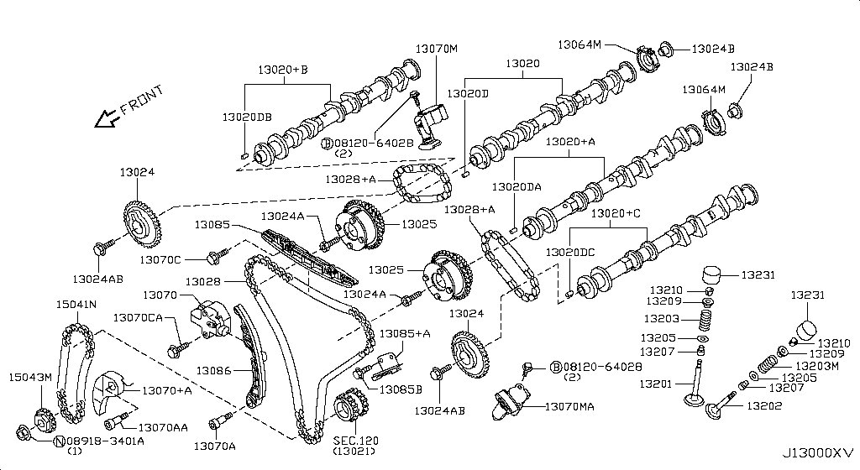
009 - Camshaft & Valve Mechanism | 4 matched part(s)
Specification: CAMSHAFT & VALVE MECHANISM; App. model: VR38DETT • [11.2013-11.2014]
 | OEM | Description | Applies / Details | Period | Notes | Match
 | 13500-JF01A | FRONT COVER SECOND PART ON CAM |  |  |  | cam, camshaft, guide, lifter, spring, timing
 | 23731-JA11B | CAMSHAFT POSITION SENSOR |  |  | 2024 FAN MOTOR | cam, camshaft, guide, lifter, spring, timing
 | 23796-AU00D | SOLENOID VALVE ASSY-VALVE TIMING CONTROL |  |  |  | camshaft, guide, rocker, spring, timing
 | 23796-JK24B | SOLENOID VALVE ASSY-VALVE TIMING CONTROL | Applies: VR38DETT; Specification: RH | 04.2016 - 08.2017 |  | camshaft, guide, rocker, spring, timing, vr38dett

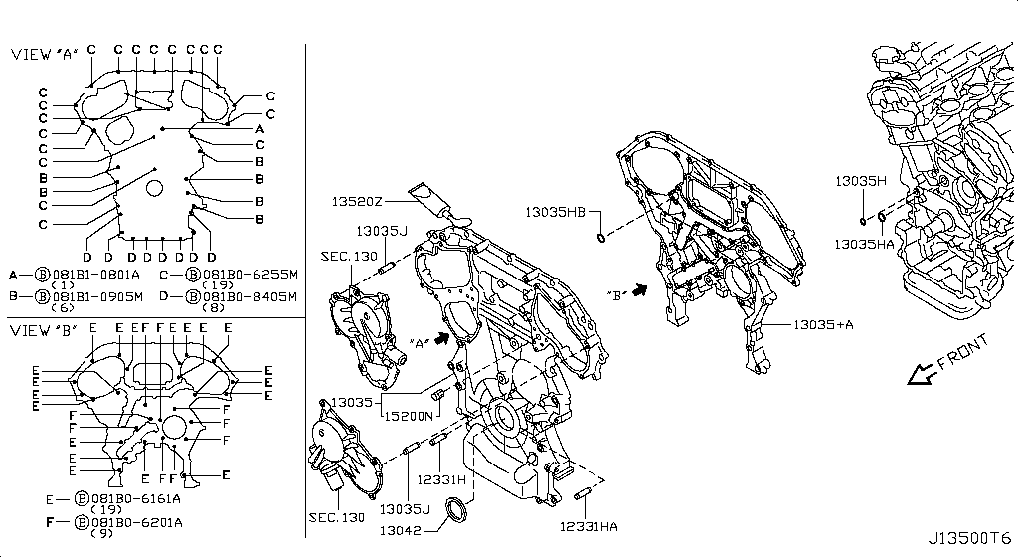
010 - Front Cover,Vacuum Pump & Fitting | 1 matched part(s)
Specification: FRONT COVER; App. model: VR38DETT • [11.2013-11.2014]
 | OEM | Description | Applies / Details | Period | Notes | Match
 | 13500-80B0A | COVER ASSY-FRONT,TIMING CHAIN |  |  | FRONT COVER ATTACH VVTI | cover

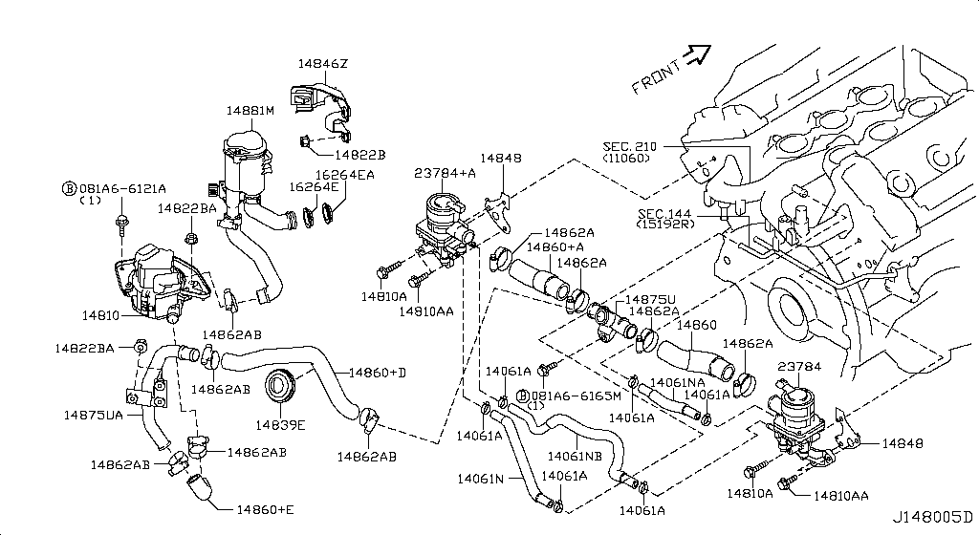
013 - Secondary Air System | 23 matched part(s)
App. model: VR38DETT • [11.2013-11.2014]
 | OEM | Description | Applies / Details | Period | Notes | Match
 | 21468-62B0A | AIR DUCT-INTAKE | Applies: C | 11.2013 - 11.2014 | front brackets where filter and bumper | air, cleaner, duct, filter, secondary, vacuum, ventilation
 | 21468-6AV0A | AIR DUCT-INTAKE | Applies: C | 08.2017 - ... | front brackets where filter and bumper | air, cleaner, duct, filter, secondary, vacuum, ventilation
 | 21468-6AV0A | AIR DUCT-INTAKE | Applies: C.(PURE+BLACK+PREMIUM) | 04.2016 - 07.2016 | front brackets where filter and bumper | air, cleaner, duct, filter, secondary, vacuum, ventilation
 | 21468-6AV0A | AIR DUCT-INTAKE | Applies: C | 07.2016 - 08.2017 | front brackets where filter and bumper | air, cleaner, duct, filter, secondary, vacuum, ventilation
 | 21468-KB50A | AIR DUCT-INTAKE | Applies: C | 11.2014 - 04.2016 | front brackets where filter and bumper | air, cleaner, duct, filter, secondary, vacuum, ventilation
 | 21468-KB50A | AIR DUCT-INTAKE | Applies: C | 12.2010 - 11.2013 | front brackets where filter and bumper | air, cleaner, duct, filter, secondary, vacuum, ventilation
 | 21578-JF00A | AIR GUIDE-RADIATOR,UPPER | Applies: C | 03.2008 - 12.2010 | radiator top cover | air, cleaner, duct, filter, secondary, vacuum, ventilation
 | 25230-79917 | RELAY-EGI | Applies: C; Specification: AIR VALVE MIYAMOTO | 08.2017 - ... |  | air, cleaner, duct, filter, secondary, vacuum, ventilation
 | 25230-79917 | RELAY-EGI | Applies: C; Specification: AIR VALVE MIYAMOTO | 11.2013 - 11.2014 |  | air, cleaner, duct, filter, secondary, vacuum, ventilation
 | 25230-79917 | RELAY-EGI | Applies: C; Specification: AIR VALVE MIYAMOTO | 04.2016 - 08.2017 |  | air, cleaner, duct, filter, secondary, vacuum, ventilation
 | 25230-79917 | RELAY-EGI | Applies: C; Specification: AIR VALVE MIYAMOTO | 11.2014 - 04.2016 |  | air, cleaner, duct, filter, secondary, vacuum, ventilation
 | 25230-79917 | RELAY-EGI | Applies: C; Specification: AIR VALVE MIYAMOTO | 03.2008 - 12.2010 |  | air, cleaner, duct, filter, secondary, vacuum, ventilation
 | 25230-79917 | RELAY-EGI | Applies: C; Specification: AIR VALVE MIYAMOTO | 12.2010 - 11.2013 |  | air, cleaner, duct, filter, secondary, vacuum, ventilation
 | 25230-79944 | RELAY-EGI | Applies: C; Specification: AIR VALVE PANASONIC | 11.2013 - 11.2014 |  | air, cleaner, duct, filter, secondary, vacuum, ventilation
 | 25230-79944 | RELAY-EGI | Applies: C; Specification: AIR VALVE PANASONIC | 03.2008 - 12.2010 |  | air, cleaner, duct, filter, secondary, vacuum, ventilation
 | 25230-79944 | RELAY-EGI | Applies: C; Specification: AIR VALVE PANASONIC | 12.2010 - 11.2013 |  | air, cleaner, duct, filter, secondary, vacuum, ventilation
 | 25230-7995A | RELAY-EGI | Applies: C; Specification: AIR PUMP PANASONIC | 08.2017 - ... |  | air, cleaner, duct, filter, secondary, vacuum, ventilation
 | 25230-7995A | RELAY-EGI | Applies: C; Specification: AIR PUMP PANASONIC | 11.2013 - 11.2014 |  | air, cleaner, duct, filter, secondary, vacuum, ventilation
 | 25230-7995A | RELAY-EGI | Applies: C; Specification: AIR PUMP PANASONIC | 04.2016 - 08.2017 |  | air, cleaner, duct, filter, secondary, vacuum, ventilation
 | 25230-7995A | RELAY-EGI | Applies: C; Specification: AIR PUMP PANASONIC | 11.2014 - 04.2016 |  | air, cleaner, duct, filter, secondary, vacuum, ventilation
 | 25230-7995A | RELAY-EGI | Applies: C; Specification: AIR PUMP PANASONIC | 12.2009 - 12.2010 |  | air, cleaner, duct, filter, secondary, vacuum, ventilation
 | 25230-7995A | RELAY-EGI | Applies: C; Specification: AIR PUMP PANASONIC | 12.2010 - 11.2013 |  | air, cleaner, duct, filter, secondary, vacuum, ventilation
 | 25230-9F915 | RELAY-EGI | Applies: C; Specification: AIR PUMP | 03.2008 - 12.2009 |  | air, cleaner, duct, filter, secondary, vacuum, ventilation

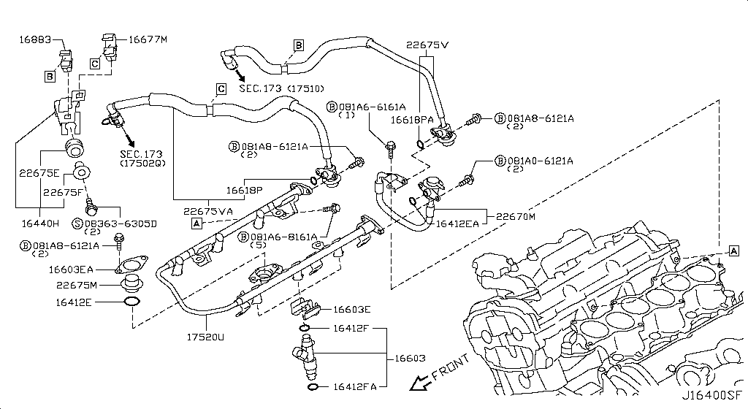
016 - Fuel Strainer & Fuel Hose | 4 matched part(s)
App. model: VR38DETT • [11.2013-11.2014]
 | OEM | Description | Applies / Details | Period | Notes | Match
 | 17202-80B1A | TANK ASSY-FUEL |  |  | FUEL TANL | canister, fuel, hose, injector, pipe, pump, rail, strainer, tank
 | 17342-CE800 | SEAL-O RING,FUEL GAUGE |  |  | HANGER O RING | canister, fuel, hose, injector, pipe, pump, rail, strainer, tank
 | 22693-JF00A | AIR FUEL RATIO SENSOR |  |  | 2024 FAN MOTOR | canister, fuel, hose, injector, pipe, pump, rail, strainer, tank
 | 22693-JF00B | AIR FUEL RATIO SENSOR |  |  | 2024 FAN MOTOR | canister, fuel, hose, injector, pipe, pump, rail, strainer, tank

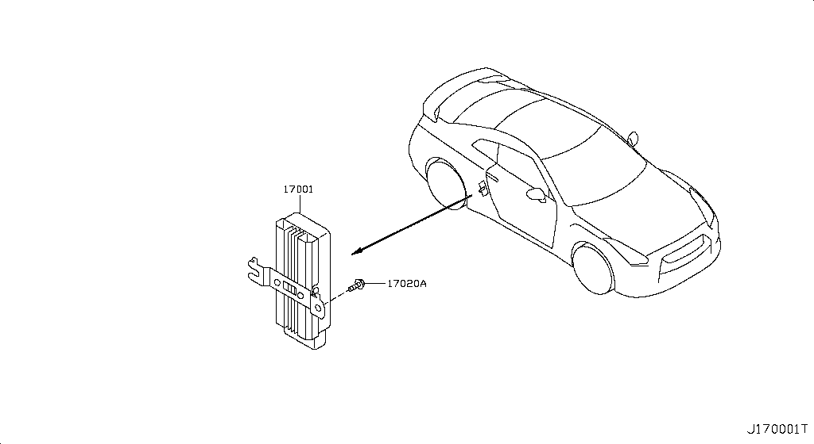
018 - Fuel Pump | 10 matched part(s)
App. model: VR38DETT • [11.2013-11.2014]
 | OEM | Description | Applies / Details | Period | Notes | Match
 | 17040-89S0A | FUEL PUMP-IN TANK |  |  | FUEL HANGER | canister, fuel, hose, injector, pipe, pump, rail, strainer, tank
 | 25230-79917 | RELAY-EGI | Applies: C; Specification: FUEL PUMP2 MIYAMOTO | 08.2017 - ... | FUEL PUMP RELAY BEGIND TRUNK | canister, fuel, hose, injector, pipe, pump, rail, strainer, tank
 | 25230-79917 | RELAY-EGI | Applies: C; Specification: FUEL PUMP2 MIYAMOTO | 11.2013 - 11.2014 | FUEL PUMP RELAY BEGIND TRUNK | canister, fuel, hose, injector, pipe, pump, rail, strainer, tank
 | 25230-79917 | RELAY-EGI | Applies: C; Specification: FUEL PUMP2 MIYAMOTO | 04.2016 - 08.2017 | FUEL PUMP RELAY BEGIND TRUNK | canister, fuel, hose, injector, pipe, pump, rail, strainer, tank
 | 25230-79917 | RELAY-EGI | Applies: C; Specification: FUEL PUMP2 MIYAMOTO | 11.2014 - 04.2016 | FUEL PUMP RELAY BEGIND TRUNK | canister, fuel, hose, injector, pipe, pump, rail, strainer, tank
 | 25230-79917 | RELAY-EGI | Applies: C; Specification: FUEL PUMP2 MIYAMOTO | 03.2008 - 12.2010 | FUEL PUMP RELAY BEGIND TRUNK | canister, fuel, hose, injector, pipe, pump, rail, strainer, tank
 | 25230-79917 | RELAY-EGI | Applies: C; Specification: FUEL PUMP2 MIYAMOTO | 12.2010 - 11.2013 | FUEL PUMP RELAY BEGIND TRUNK | canister, fuel, hose, injector, pipe, pump, rail, strainer, tank
 | 25230-79944 | RELAY-EGI | Applies: C; Specification: FUEL PUMP2 PANASONIC | 11.2013 - 11.2014 | FUEL PUMP RELAY BEGIND TRUNK | canister, fuel, hose, injector, pipe, pump, rail, strainer, tank
 | 25230-79944 | RELAY-EGI | Applies: C; Specification: FUEL PUMP2 PANASONIC | 03.2008 - 12.2010 | FUEL PUMP RELAY BEGIND TRUNK | canister, fuel, hose, injector, pipe, pump, rail, strainer, tank
 | 25230-79944 | RELAY-EGI | Applies: C; Specification: FUEL PUMP2 PANASONIC | 12.2010 - 11.2013 | FUEL PUMP RELAY BEGIND TRUNK | canister, fuel, hose, injector, pipe, pump, rail, strainer, tank

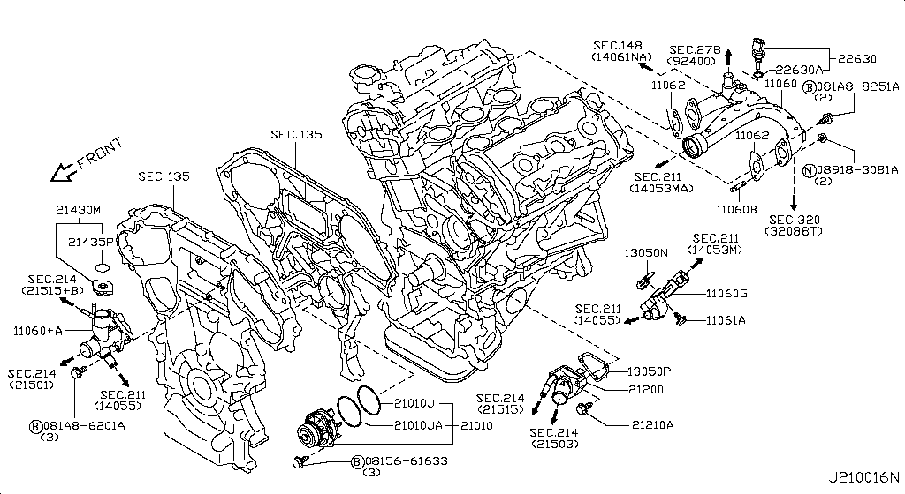
024 - Water Pump, Cooling Fan & Thermostat | 5 matched part(s)
App. model: VR38DETT • [11.2013-11.2014]
 | OEM | Description | Applies / Details | Period | Notes | Match
 | 11060-62B1A | OUTLET-WATER |  |  | BEST OPTION FOR COOLING THEN DODSON | cooler, cooling, fan, hose, outlet, pump, radiator, thermostat, water
 | 21200-JF01A | THERMOSTAT ASSY | Applies: VR38DETT | 03.2008 - 12.2010 | BEST OPTION FOR COOLING THEN DODSON | cooler, cooling, fan, hose, radiator, thermostat, vr38dett, water
 | 21200-KB50A | THERMOSTAT ASSY | Applies: VR38DETT | 08.2017 - ... | BEST OPTION FOR COOLING THEN DODSON | cooler, cooling, fan, hose, radiator, thermostat, vr38dett, water
 | 21200-KB50A | THERMOSTAT ASSY |  |  | BEST OPTION FOR COOLING THEN DODSON | cooler, cooling, fan, hose, radiator, thermostat, water
 | B1010-JK20A | PUMP ASSY-WATER |  |  | WATER PUMP | cooler, cooling, hose, outlet, pump, radiator, thermostat, water

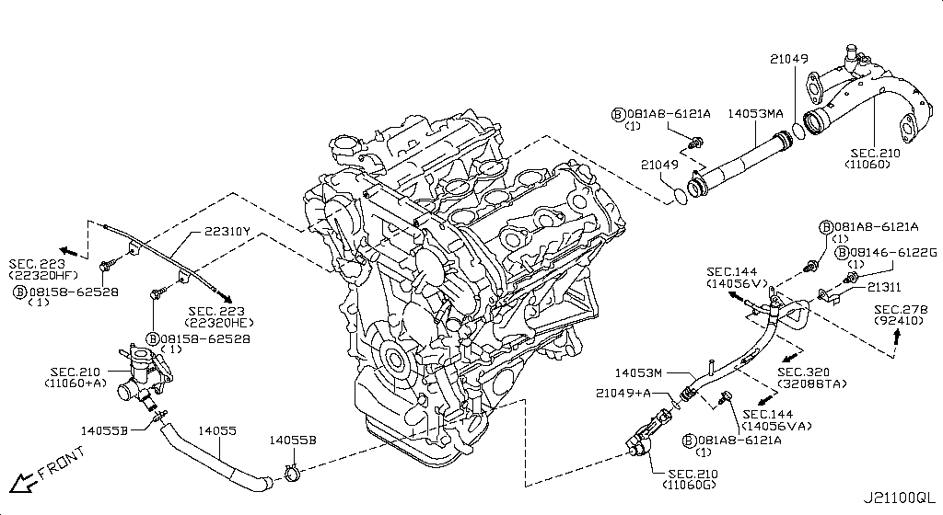
025 - Water Hose & Piping | 1 matched part(s)
App. model: VR38DETT • [11.2013-11.2014]
 | OEM | Description | Applies / Details | Period | Notes | Match
 | 21021-JF00A | PIPE-WATER |  |  | WATER PIPE UNDER INTAKE | cooler, cooling, hose, outlet, pipe, pump, radiator, thermostat, water

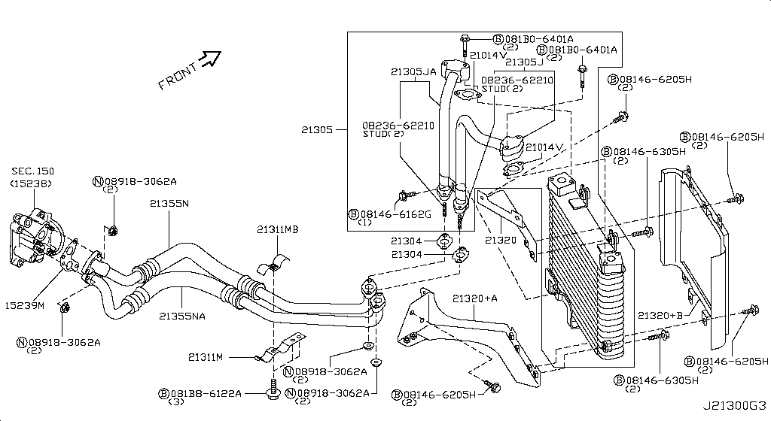
026 - Oil Cooler | 1 matched part(s)
App. model: VR38DETT • [11.2013-11.2014]
 | OEM | Description | Applies / Details | Period | Notes | Match
 | 21355-JF01A | ELEMENT-OIL COOLER |  |  | PIPES ON OIL COOLER HARD LINE | cooler, oil

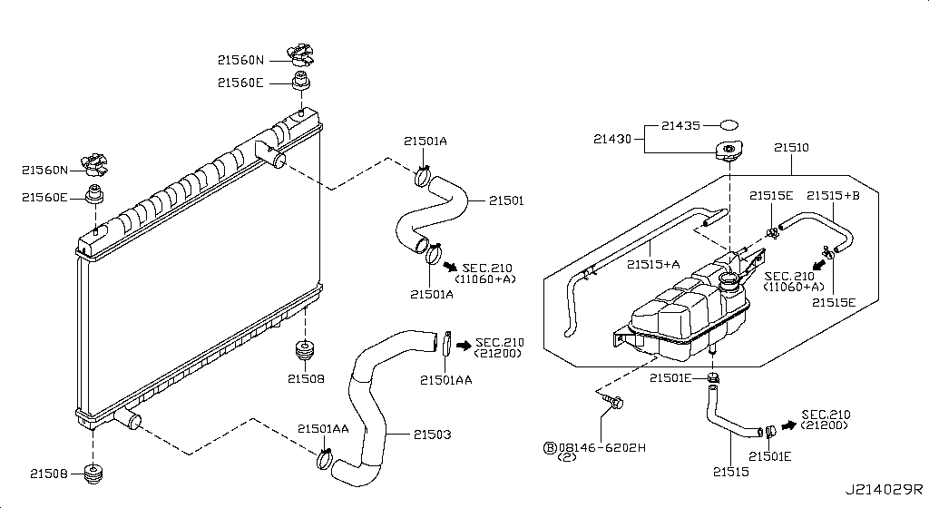
027 - Radiator,Shroud & Inverter Cooling | 9 matched part(s)
Specification: FITTING PARTS; App. model: VR38DETT • [11.2013-11.2014]
 | OEM | Description | Applies / Details | Period | Notes | Match
 | 25230-7995A | RELAY-RADIATOR FAN | Applies: C; Specification: RAD FAN | 08.2017 - ... |  | cooling, fan, radiator, shroud
 | 25230-7995A | RELAY-RADIATOR FAN | Applies: C; Specification: RAD FAN | 11.2013 - 11.2014 |  | cooling, fan, radiator, shroud
 | 25230-7995A | RELAY-RADIATOR FAN | Applies: C; Specification: RAD FAN | 04.2016 - 08.2017 |  | cooling, fan, radiator, shroud
 | 25230-7995A | RELAY-RADIATOR FAN | Applies: C; Specification: RAD FAN | 11.2014 - 04.2016 |  | cooling, fan, radiator, shroud
 | 25230-7995A | RELAY-RADIATOR FAN | Applies: C; Specification: RAD FAN | 12.2009 - 12.2010 |  | cooling, fan, radiator, shroud
 | 25230-7995A | RELAY-RADIATOR FAN | Applies: C; Specification: RAD FAN | 12.2010 - 11.2013 |  | cooling, fan, radiator, shroud
 | 25230-9F915 | RELAY-RADIATOR FAN | Applies: C; Specification: RAD FAN | 03.2008 - 12.2009 |  | cooling, fan, radiator, shroud
 | 62290-JF00A | RETAINER-FRONT BUMPER,UPPER | Applies: C | 03.2008 - 12.2010 | radiator top cover | cooling, fan, radiator, shroud
 | 65281-JF00A | COVER-RADIATOR |  |  | radiator top cover | cooling, fan, radiator, shroud

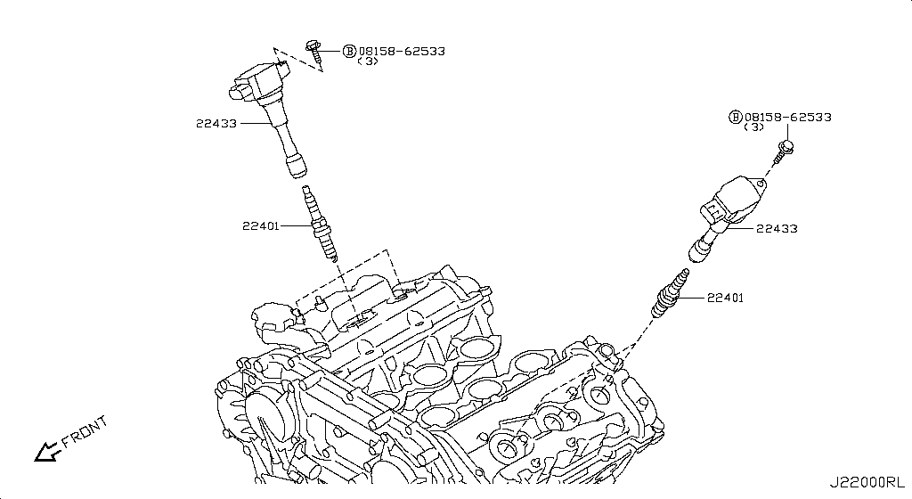
028 - Ignition System | 13 matched part(s)
App. model: VR38DETT • [11.2013-11.2014]
 | OEM | Description | Applies / Details | Period | Notes | Match
 | 25230-79917 | RELAY-IGNITION | Applies: *C.PURE; Specification: H/SEAT MIYAMOTO | 06.2014 - 11.2014 | BEHIND AV UNIT | coil, distributor, ignition, plug, spark
 | 25230-79917 | RELAY-IGNITION | Applies: *C.PURE; Specification: H/SEAT MIYAMOTO | SpecCode: [CLASJ] TRACK PACK A | 06.2014 - 11.2014 | BEHIND AV UNIT | coil, distributor, ignition, plug, spark
 | 25230-79917 | RELAY-IGNITION | Applies: C; Specification: H/SEAT MIYAMOTO | SpecCode: [CLASJ] TRACK PACK A | SpecCode: [CLASR] INT F/BLACK EDITION,F/TRACK PACK W/SUSP | 08.2017 - ... | BEHIND AV UNIT | coil, distributor, ignition, plug, spark
 | 25230-79917 | RELAY-IGNITION | Applies: C; Specification: H/SEAT MIYAMOTO | SpecCode: [CLASJ] TRACK PACK A | SpecCode: [CLASR] INT F/BLACK EDITION,F/TRACK PACK W/SUSP | 04.2016 - 08.2017 | BEHIND AV UNIT | coil, distributor, ignition, plug, spark
 | 25230-79917 | RELAY-IGNITION | Applies: C; Specification: H/SEAT MIYAMOTO | SpecCode: [CLASJ] TRACK PACK A | SpecCode: [CLASR] INT F/BLACK EDITION,F/TRACK PACK W/SUSP | 11.2014 - 04.2016 | BEHIND AV UNIT | coil, distributor, ignition, plug, spark
 | 25230-79917 | RELAY-IGNITION | Applies: *C.PURE; Specification: H/SEAT MIYAMOTO | SpecCode: [CLASJ] TRACK PACK A | SpecCode: [CLASR] INT F/BLACK EDITION,F/TRACK PACK W/SUSP | 03.2013 - 11.2013 | BEHIND AV UNIT | coil, distributor, ignition, plug, spark
 | 25230-79917 | RELAY-IGNITION | Applies: *C; Specification: H/SEAT MIYAMOTO | SpecCode: [CLASJ] TRACK PACK A | SpecCode: [CLASR] INT F/BLACK EDITION,F/TRACK PACK W/SUSP | 12.2009 - 12.2010 | BEHIND AV UNIT | coil, distributor, ignition, plug, spark
 | 25230-79917 | RELAY-IGNITION | Applies: *C; Specification: HEATER SEAT MIYAMOTO | SpecCode: [CLASJ] TRACK PACK A | SpecCode: [CLASR] INT F/BLACK EDITION,F/TRACK PACK W/SUSP | SpecCode: [STDVM] F/SEAT HEATER | 03.2008 - 12.2009 | BEHIND AV UNIT | coil, distributor, ignition, plug, spark
 | 25230-79944 | RELAY-IGNITION | Applies: *C.PURE; Specification: H/SEAT PANASONIC | SpecCode: [CLASJ] TRACK PACK A | SpecCode: [CLASR] INT F/BLACK EDITION,F/TRACK PACK W/SUSP | SpecCode: [STDVM] F/SEAT HEATER | 06.2014 - 11.2014 | BEHIND AV UNIT | coil, distributor, ignition, plug, spark
 | 25230-79944 | RELAY-IGNITION | Applies: *C.PURE; Specification: H/SEAT PANASONIC | SpecCode: [CLASJ] TRACK PACK A | SpecCode: [CLASR] INT F/BLACK EDITION,F/TRACK PACK W/SUSP | SpecCode: [STDVM] F/SEAT HEATER | 06.2014 - 11.2014 | BEHIND AV UNIT | coil, distributor, ignition, plug, spark
 | 25230-79944 | RELAY-IGNITION | Applies: *C.PURE; Specification: H/SEAT PANASONIC | SpecCode: [CLASJ] TRACK PACK A | SpecCode: [CLASR] INT F/BLACK EDITION,F/TRACK PACK W/SUSP | SpecCode: [STDVM] F/SEAT HEATER | 03.2013 - 11.2013 | BEHIND AV UNIT | coil, distributor, ignition, plug, spark
 | 25230-79944 | RELAY-IGNITION | Applies: *C; Specification: H/SEAT PANASONIC | SpecCode: [CLASJ] TRACK PACK A | SpecCode: [CLASR] INT F/BLACK EDITION,F/TRACK PACK W/SUSP | SpecCode: [STDVM] F/SEAT HEATER | 12.2009 - 12.2010 | BEHIND AV UNIT | coil, distributor, ignition, plug, spark
 | 25230-79944 | RELAY-IGNITION | Applies: *C; Specification: HEATER SEAT MATSUSITA | SpecCode: [CLASJ] TRACK PACK A | SpecCode: [CLASR] INT F/BLACK EDITION,F/TRACK PACK W/SUSP | SpecCode: [STDVM] F/SEAT HEATER | 03.2008 - 12.2009 | BEHIND AV UNIT | coil, distributor, ignition, plug, spark

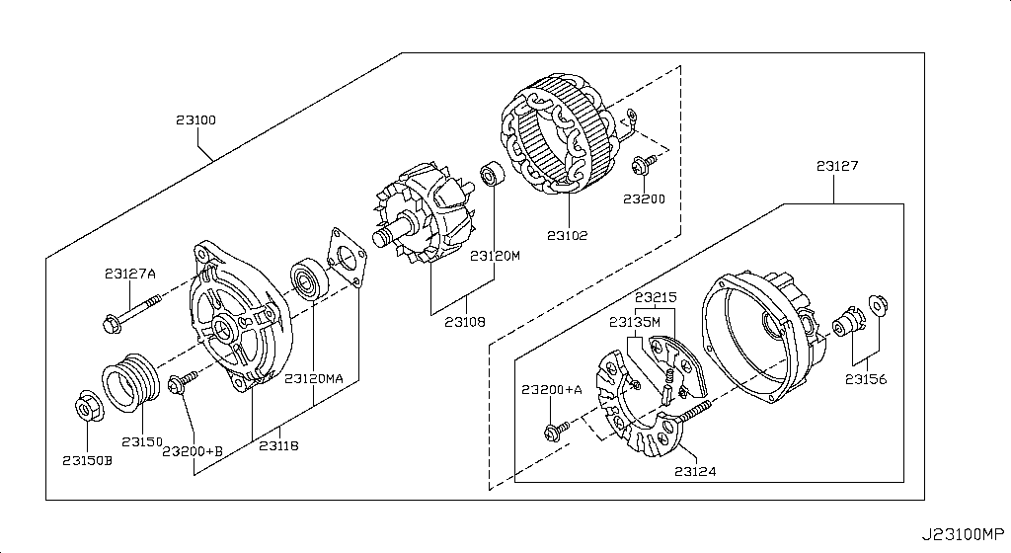
033 - Alternator | 6 matched part(s)
Specification: ALTERNATOR ASSY; App. model: VR38DETT • [11.2013-11.2014]
 | OEM | Description | Applies / Details | Period | Notes | Match
 | 24076-JF10A | HARNESS-ALTERNATOR | Applies: C | 03.2008 - 12.2010 | ALTERNATOR HARNESS | alternator, belt, charging, generator, pulley
 | 24076-KB10A | HARNESS-ALTERNATOR | Applies: C | 08.2017 - ... | ALTERNATOR HARNESS | alternator, belt, charging, generator, pulley
 | 24076-KB10A | HARNESS-ALTERNATOR | Applies: C | 11.2013 - 11.2014 | ALTERNATOR HARNESS | alternator, belt, charging, generator, pulley
 | 24076-KB10A | HARNESS-ALTERNATOR | Applies: C | 04.2016 - 08.2017 | ALTERNATOR HARNESS | alternator, belt, charging, generator, pulley
 | 24076-KB10A | HARNESS-ALTERNATOR | Applies: C | 11.2014 - 04.2016 | ALTERNATOR HARNESS | alternator, belt, charging, generator, pulley
 | 24076-KB10A | HARNESS-ALTERNATOR | Applies: C | 12.2010 - 11.2013 | ALTERNATOR HARNESS | alternator, belt, charging, generator, pulley

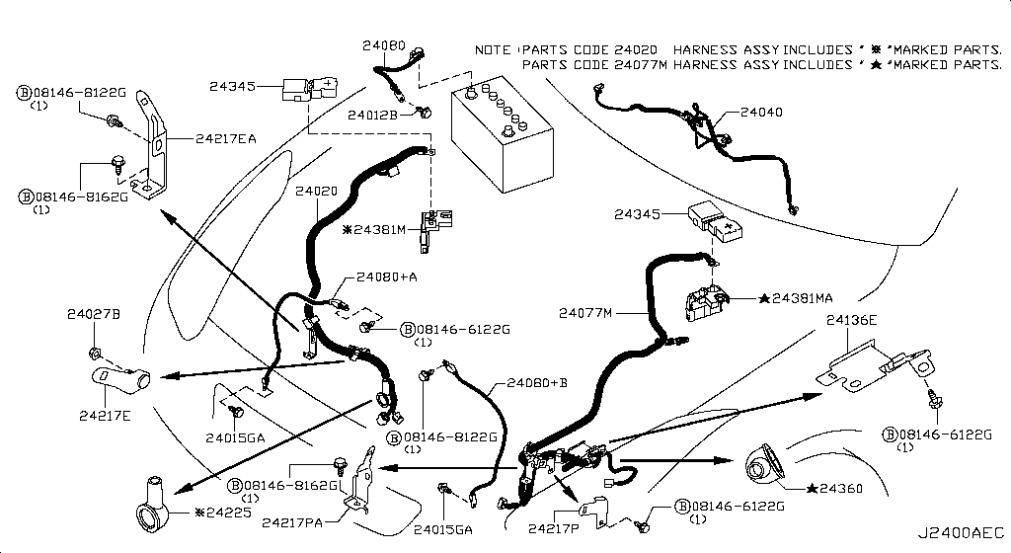
035 - Wiring | 117 matched part(s)
Specification: ALTNTR HARN; App. model: C • [11.2014-04.2016]
 | OEM | Description | Applies / Details | Period | Notes | Match
 | 24010-38B1A | HARNESS-MAIN | Applies: C.PURE | 11.2012 - 11.2013 | DASHBOARD HARNESS | harness
 | 24010-38B1B | HARNESS-MAIN | Applies: *C.PURE | 11.2012 - 11.2013 | DASHBOARD HARNESS | harness
 | 24010-62B3A | HARNESS-MAIN | Applies: C.PURE | SpecCode: [SPKRB] BOSE AUDIO | 11.2013 - 11.2014 | DASHBOARD HARNESS | harness
 | 24010-62B3B | HARNESS-MAIN | Applies: C.TRACK | SpecCode: [SPKRB] BOSE AUDIO | 04.2016 - 07.2016 | DASHBOARD HARNESS | harness
 | 24010-62B3B | HARNESS-MAIN | Applies: *C.PURE | SpecCode: [SPKRB] BOSE AUDIO | 11.2013 - 11.2014 | DASHBOARD HARNESS | harness
 | 24010-62B3B | HARNESS-MAIN | Applies: C.(TRACK+BLACK+PREMIUM+NISMOPKG) | SpecCode: [SPKRB] BOSE AUDIO | 11.2014 - 04.2016 | DASHBOARD HARNESS | harness
 | 24010-6AW0A | HARNESS-MAIN | Applies: C.PURE | SpecCode: [SPKRB] BOSE AUDIO | 04.2016 - 08.2017 | DASHBOARD HARNESS | harness
 | 24010-6AW0B | HARNESS-MAIN | Applies: C.(TRACK+BLACK+PREMIUM) | SpecCode: [SPKRB] BOSE AUDIO | 07.2016 - 08.2017 | DASHBOARD HARNESS | harness
 | 24010-6AW1B | HARNESS-MAIN | Applies: *C.PURE | SpecCode: [SPKRB] BOSE AUDIO | 04.2016 - 08.2017 | DASHBOARD HARNESS | harness
 | 24010-6AW1C | HARNESS-MAIN | Applies: *C.(TRACK+BLACK+PREMIUM) | SpecCode: [SPKRB] BOSE AUDIO | SpecCode: [NAVI9] COCKPIT STEERING FUNCTION,AUDIO.NAVI | 07.2016 - 08.2017 | DASHBOARD HARNESS | harness
 | 24010-6HR0E | HARNESS-MAIN | Applies: C.PURE | SpecCode: [SPKRB] BOSE AUDIO | SpecCode: [NAVI9] COCKPIT STEERING FUNCTION,AUDIO.NAVI | 08.2017 - 07.2018 | DASHBOARD HARNESS | harness
 | 24010-6HR1A | HARNESS-MAIN | Applies: C.(TRACK+PREMIUM) | SpecCode: [SPKRB] BOSE AUDIO | SpecCode: [NAVI9] COCKPIT STEERING FUNCTION,AUDIO.NAVI | 08.2017 - 07.2018 | DASHBOARD HARNESS | harness
 | 24010-6HR2A | HARNESS-MAIN | Applies: *C.PURE | SpecCode: [SPKRB] BOSE AUDIO | SpecCode: [NAVI9] COCKPIT STEERING FUNCTION,AUDIO.NAVI | 08.2017 - 07.2018 | DASHBOARD HARNESS | harness
 | 24010-6HR2C | HARNESS-MAIN | Applies: *C.(TRACK+PREMIUM) | SpecCode: [SPKRB] BOSE AUDIO | SpecCode: [NAVI9] COCKPIT STEERING FUNCTION,AUDIO.NAVI | 08.2017 - 07.2018 | DASHBOARD HARNESS | harness
 | 24010-6HS0E | HARNESS-MAIN | Applies: C.PURE | SpecCode: [SPKRB] BOSE AUDIO | SpecCode: [NAVI9] COCKPIT STEERING FUNCTION,AUDIO.NAVI | 07.2018 - ... | DASHBOARD HARNESS | harness
 | 24010-6HS1A | HARNESS-MAIN | Applies: C.(TRACK+PREMIUM) | SpecCode: [SPKRB] BOSE AUDIO | SpecCode: [NAVI9] COCKPIT STEERING FUNCTION,AUDIO.NAVI | 07.2018 - ... | DASHBOARD HARNESS | harness
 | 24010-JF10A | HARNESS-MAIN | Applies: C | SpecCode: [SPKRB] BOSE AUDIO | SpecCode: [NAVI9] COCKPIT STEERING FUNCTION,AUDIO.NAVI | 03.2008 - 12.2009 | DASHBOARD HARNESS | harness
 | 24010-JF10B | HARNESS-MAIN | Applies: *C | SpecCode: [SPKRB] BOSE AUDIO | SpecCode: [NAVI9] COCKPIT STEERING FUNCTION,AUDIO.NAVI | 03.2008 - 12.2009 | DASHBOARD HARNESS | harness
 | 24010-JW92A | HARNESS-MAIN | Applies: C | SpecCode: [SPKRB] BOSE AUDIO | SpecCode: [NAVI9] COCKPIT STEERING FUNCTION,AUDIO.NAVI | 12.2009 - 12.2010 | DASHBOARD HARNESS | harness
 | 24010-JW92B | HARNESS-MAIN | Applies: *C | SpecCode: [SPKRB] BOSE AUDIO | SpecCode: [NAVI9] COCKPIT STEERING FUNCTION,AUDIO.NAVI | 12.2009 - 12.2010 | DASHBOARD HARNESS | harness
 | 24010-JW92C | HARNESS-MAIN | Applies: *C | SpecCode: [SPKRB] BOSE AUDIO | SpecCode: [NAVI9] COCKPIT STEERING FUNCTION,AUDIO.NAVI | 12.2009 - 12.2010 | DASHBOARD HARNESS | harness
 | 24010-JW92D | HARNESS-MAIN | Applies: *C | SpecCode: [SPKRB] BOSE AUDIO | SpecCode: [NAVI9] COCKPIT STEERING FUNCTION,AUDIO.NAVI | SpecCode: [NAVIO] W/O NAVIGATION | 12.2009 - 12.2010 | DASHBOARD HARNESS | harness
 | 24010-KB10A | HARNESS-MAIN | Applies: C.PURE | SpecCode: [SPKRB] BOSE AUDIO | SpecCode: [NAVI9] COCKPIT STEERING FUNCTION,AUDIO.NAVI | SpecCode: [NAVIO] W/O NAVIGATION | SpecCode: [NAVIO] W/O NAVIGATION; [SPKRB] BOSE AUDIO | 12.2010 - 11.2011 | DASHBOARD HARNESS | harness
 | 24010-KB10B | HARNESS-MAIN | Applies: *C | SpecCode: [SPKRB] BOSE AUDIO | SpecCode: [NAVI9] COCKPIT STEERING FUNCTION,AUDIO.NAVI | SpecCode: [NAVIO] W/O NAVIGATION | SpecCode: [NAVIO] W/O NAVIGATION; [SPKRB] BOSE AUDIO | 12.2010 - 11.2011 | DASHBOARD HARNESS | harness
 | 24010-KJ11A | HARNESS-MAIN | Applies: C.PURE | SpecCode: [SPKRB] BOSE AUDIO | SpecCode: [NAVI9] COCKPIT STEERING FUNCTION,AUDIO.NAVI | SpecCode: [NAVIO] W/O NAVIGATION | SpecCode: [NAVIO] W/O NAVIGATION; [SPKRB] BOSE AUDIO | 11.2011 - 11.2012 | DASHBOARD HARNESS | harness
 | 24010-KJ11B | HARNESS-MAIN | Applies: *C.PURE | SpecCode: [SPKRB] BOSE AUDIO | SpecCode: [NAVI9] COCKPIT STEERING FUNCTION,AUDIO.NAVI | SpecCode: [NAVIO] W/O NAVIGATION | SpecCode: [NAVIO] W/O NAVIGATION; [SPKRB] BOSE AUDIO | 11.2011 - 11.2012 | DASHBOARD HARNESS | harness
 | 24011-6AW0A | HARNESS-EGI | Applies: C | 08.2017 - 07.2018 | ENGINE HARNESS | harness
 | 24011-6AW0A | HARNESS-EGI | Applies: C.(PURE+BLACK+PREMIUM) | 04.2016 - 07.2016 | ENGINE HARNESS | harness
 | 24011-6AW0A | HARNESS-EGI | Applies: C | 07.2016 - 08.2017 | ENGINE HARNESS | harness
 | 24011-6HS0A | HARNESS-EGI | Applies: C | 07.2018 - ... | ENGINE HARNESS | harness
 | 24011-JF10A | HARNESS-EGI | Applies: C | 03.2008 - 12.2010 | ENGINE HARNESS | harness
 | 24011-KB10A | HARNESS-EGI | Applies: C.(TRACK+NISMO) | 04.2016 - 07.2016 | ENGINE HARNESS | harness
 | 24011-KB10A | HARNESS-EGI | Applies: C | 11.2013 - 11.2014 | ENGINE HARNESS | harness
 | 24011-KB10A | HARNESS-EGI | Applies: C | 11.2014 - 04.2016 | ENGINE HARNESS | harness
 | 24011-KB10A | HARNESS-EGI |  |  | ENGINE HARNESS | harness
 | 24012-62B3A | HARNESS-ENGINE ROOM | Applies: C.(TRACK+NISMO) | 04.2016 - 07.2016 | ENGINE ROOM | harness
 | 24012-62B3A | HARNESS-ENGINE ROOM | Applies: C | 11.2013 - 11.2014 | ENGINE ROOM | harness
 | 24012-62B3A | HARNESS-ENGINE ROOM | Applies: C | 11.2014 - 04.2016 | ENGINE ROOM | harness
 | 24012-6AW0A | HARNESS-ENGINE ROOM | Applies: C.(PURE+BLACK+PREMIUM) | 04.2016 - 07.2016 | ENGINE ROOM | harness
 | 24012-6AW0A | HARNESS-ENGINE ROOM | Applies: C | 07.2016 - 08.2017 | ENGINE ROOM | harness
 | 24012-6HR0A | HARNESS-ENGINE ROOM | Applies: C | 08.2017 - ... | ENGINE ROOM | harness
 | 24012-JF10A | HARNESS-ENGINE ROOM | Applies: C | 03.2008 - 12.2010 | ENGINE ROOM | harness
 | 24012-JF81A | HARNESS-ENGINE ROOM | Applies: *C | 03.2008 - 12.2008 | ENGINE ROOM | harness
 | 24012-JF81A | HARNESS-ENGINE ROOM | Applies: *C | SpecCode: [REGFY] FOR KOREA | 04.2009 - 12.2010 | ENGINE ROOM | harness
 | 24012-KB10A | HARNESS-ENGINE ROOM | Applies: C | SpecCode: [REGFY] FOR KOREA | 12.2010 - 02.2013 | ENGINE ROOM | harness
 | 24012-KB11A | HARNESS-ENGINE ROOM | Applies: C | SpecCode: [REGFY] FOR KOREA | 02.2013 - 11.2013 | ENGINE ROOM | harness
 | 24014-38B1A | HARNESS-BODY | Applies: C.PURE | 11.2012 - 11.2013 | TCM HARNESS | harness
 | 24014-38B1B | HARNESS-BODY | Applies: *C.PURE | 11.2012 - 11.2013 | TCM HARNESS | harness
 | 24014-62B3A | HARNESS-BODY | Applies: C.PURE | SpecCode: [SPKRB] BOSE AUDIO | 11.2013 - 11.2014 | TCM HARNESS | harness
 | 24014-62B3B | HARNESS-BODY | Applies: C.TRACK | SpecCode: [SPKRB] BOSE AUDIO | 04.2016 - 07.2016 | TCM HARNESS | harness
 | 24014-62B3B | HARNESS-BODY | Applies: *C.PURE | SpecCode: [SPKRB] BOSE AUDIO | 11.2013 - 11.2014 | TCM HARNESS | harness
 | 24014-62B3B | HARNESS-BODY | Applies: C.(TRACK+BLACK+PREMIUM+NISMOPKG) | SpecCode: [SPKRB] BOSE AUDIO | 11.2014 - 04.2016 | TCM HARNESS | harness
 | 24014-6AW0A | HARNESS-BODY | Applies: C.PURE | SpecCode: [SPKRB] BOSE AUDIO | 04.2016 - 08.2017 | TCM HARNESS | harness
 | 24014-6AW0B | HARNESS-BODY | Applies: C.(TRACK+BLACK+PREMIUM) | SpecCode: [SPKRB] BOSE AUDIO | 07.2016 - 08.2017 | TCM HARNESS | harness
 | 24014-6HR0D | HARNESS-BODY | Applies: C.PURE | SpecCode: [SPKRB] BOSE AUDIO | 08.2017 - ... | TCM HARNESS | harness
 | 24014-6HR0E | HARNESS-BODY | Applies: C.(TRACK+PREMIUM) | SpecCode: [SPKRB] BOSE AUDIO | 08.2017 - 07.2018 | TCM HARNESS | harness
 | 24014-6HS0E | HARNESS-BODY | Applies: C.(TRACK+PREMIUM) | SpecCode: [SPKRB] BOSE AUDIO | 07.2018 - ... | TCM HARNESS | harness
 | 24014-JF10A | HARNESS-BODY | Applies: C | SpecCode: [SPKRB] BOSE AUDIO | 03.2008 - 12.2010 | TCM HARNESS | harness
 | 24014-JF10B | HARNESS-BODY | Applies: *C | SpecCode: [SPKRB] BOSE AUDIO | 03.2008 - 12.2010 | TCM HARNESS | harness
 | 24014-JF10B | HARNESS-BODY | Applies: *C | SpecCode: [SPKRB] BOSE AUDIO | SpecCode: [ABAGS] SIDE AND CURTAIN AIRBAG | 03.2008 - 12.2010 | TCM HARNESS | harness
 | 24014-JF10B | HARNESS-BODY | Applies: *C | SpecCode: [SPKRB] BOSE AUDIO | SpecCode: [ABAGS] SIDE AND CURTAIN AIRBAG | SpecCode: [ABAGS] SIDE AND CURTAIN AIRBAG; [STDVM] F/SEAT HEATER | 03.2008 - 12.2010 | TCM HARNESS | harness
 | 24014-JF10C | HARNESS-BODY | Applies: *C | SpecCode: [SPKRB] BOSE AUDIO | SpecCode: [ABAGS] SIDE AND CURTAIN AIRBAG | SpecCode: [ABAGS] SIDE AND CURTAIN AIRBAG; [STDVM] F/SEAT HEATER | SpecCode: [STDVM] F/SEAT HEATER | 03.2008 - 12.2010 | TCM HARNESS | harness
 | 24014-JF10C | HARNESS-BODY | Applies: *C | SpecCode: [SPKRB] BOSE AUDIO | SpecCode: [ABAGS] SIDE AND CURTAIN AIRBAG | SpecCode: [ABAGS] SIDE AND CURTAIN AIRBAG; [STDVM] F/SEAT HEATER | SpecCode: [STDVM] F/SEAT HEATER | SpecCode: [ABAGS] SIDE AND CURTAIN AIRBAG; [SPKRB] BOSE AUDIO | 03.2008 - 12.2010 | TCM HARNESS | harness
 | 24014-JF10C | HARNESS-BODY | Applies: *C | SpecCode: [SPKRB] BOSE AUDIO | SpecCode: [ABAGS] SIDE AND CURTAIN AIRBAG | SpecCode: [ABAGS] SIDE AND CURTAIN AIRBAG; [STDVM] F/SEAT HEATER | SpecCode: [STDVM] F/SEAT HEATER | SpecCode: [ABAGS] SIDE AND CURTAIN AIRBAG; [SPKRB] BOSE AUDIO | SpecCode: [ABAGS] SIDE AND CURTAIN AIRBAG; [SPKRB] BOSE AUDIO; [STDVM] F/SEAT HEATER | 03.2008 - 12.2010 | TCM HARNESS | harness
 | 24014-JF10C | HARNESS-BODY | Applies: *C | SpecCode: [SPKRB] BOSE AUDIO | SpecCode: [ABAGS] SIDE AND CURTAIN AIRBAG | SpecCode: [ABAGS] SIDE AND CURTAIN AIRBAG; [STDVM] F/SEAT HEATER | SpecCode: [STDVM] F/SEAT HEATER | SpecCode: [ABAGS] SIDE AND CURTAIN AIRBAG; [SPKRB] BOSE AUDIO | SpecCode: [ABAGS] SIDE AND CURTAIN AIRBAG; [SPKRB] BOSE AUDIO; [STDVM] F/SEAT HEATER | 03.2008 - 12.2010 | TCM HARNESS | harness
 | 24014-JF81A | HARNESS-BODY | Applies: *C | SpecCode: [SPKRB] BOSE AUDIO | SpecCode: [ABAGS] SIDE AND CURTAIN AIRBAG | SpecCode: [ABAGS] SIDE AND CURTAIN AIRBAG; [STDVM] F/SEAT HEATER | SpecCode: [STDVM] F/SEAT HEATER | SpecCode: [ABAGS] SIDE AND CURTAIN AIRBAG; [SPKRB] BOSE AUDIO | SpecCode: [ABAGS] SIDE AND CURTAIN AIRBAG; [SPKRB] BOSE AUDIO; [STDVM] F/SEAT HEATER | SpecCode: [SPKRB] BOSE AUDIO; [STDVM] F/SEAT HEATER | 03.2008 - 12.2008 | TCM HARNESS | harness
 | 24014-JF81A | HARNESS-BODY | Applies: *C | SpecCode: [SPKRB] BOSE AUDIO | SpecCode: [ABAGS] SIDE AND CURTAIN AIRBAG | SpecCode: [ABAGS] SIDE AND CURTAIN AIRBAG; [STDVM] F/SEAT HEATER | SpecCode: [STDVM] F/SEAT HEATER | SpecCode: [ABAGS] SIDE AND CURTAIN AIRBAG; [SPKRB] BOSE AUDIO | SpecCode: [ABAGS] SIDE AND CURTAIN AIRBAG; [SPKRB] BOSE AUDIO; [STDVM] F/SEAT HEATER | SpecCode: [SPKRB] BOSE AUDIO; [STDVM] F/SEAT HEATER | SpecCode: [ABAGS] SIDE AND CURTAIN AIRBAG; [REGFY] FOR KOREA | 04.2009 - 12.2010 | TCM HARNESS | harness
 | 24014-JF81A | HARNESS-BODY | Applies: *C | SpecCode: [SPKRB] BOSE AUDIO | SpecCode: [ABAGS] SIDE AND CURTAIN AIRBAG | SpecCode: [ABAGS] SIDE AND CURTAIN AIRBAG; [STDVM] F/SEAT HEATER | SpecCode: [STDVM] F/SEAT HEATER | SpecCode: [ABAGS] SIDE AND CURTAIN AIRBAG; [SPKRB] BOSE AUDIO | SpecCode: [ABAGS] SIDE AND CURTAIN AIRBAG; [SPKRB] BOSE AUDIO; [STDVM] F/SEAT HEATER | SpecCode: [SPKRB] BOSE AUDIO; [STDVM] F/SEAT HEATER | SpecCode: [ABAGS] SIDE AND CURTAIN AIRBAG; [REGFY] FOR KOREA | 03.2008 - 12.2008 | TCM HARNESS | harness
 | 24014-JF81A | HARNESS-BODY | Applies: *C | SpecCode: [SPKRB] BOSE AUDIO | SpecCode: [ABAGS] SIDE AND CURTAIN AIRBAG | SpecCode: [ABAGS] SIDE AND CURTAIN AIRBAG; [STDVM] F/SEAT HEATER | SpecCode: [STDVM] F/SEAT HEATER | SpecCode: [ABAGS] SIDE AND CURTAIN AIRBAG; [SPKRB] BOSE AUDIO | SpecCode: [ABAGS] SIDE AND CURTAIN AIRBAG; [SPKRB] BOSE AUDIO; [STDVM] F/SEAT HEATER | SpecCode: [SPKRB] BOSE AUDIO; [STDVM] F/SEAT HEATER | SpecCode: [ABAGS] SIDE AND CURTAIN AIRBAG; [REGFY] FOR KOREA | SpecCode: [ABAGS] SIDE AND CURTAIN AIRBAG; [REGFY] FOR KOREA; [STDVM] F/SEAT HEATER | 12.2009 - 12.2010 | TCM HARNESS | harness
 | 24014-JF81A | HARNESS-BODY | Applies: *C | SpecCode: [SPKRB] BOSE AUDIO | SpecCode: [ABAGS] SIDE AND CURTAIN AIRBAG | SpecCode: [ABAGS] SIDE AND CURTAIN AIRBAG; [STDVM] F/SEAT HEATER | SpecCode: [STDVM] F/SEAT HEATER | SpecCode: [ABAGS] SIDE AND CURTAIN AIRBAG; [SPKRB] BOSE AUDIO | SpecCode: [ABAGS] SIDE AND CURTAIN AIRBAG; [SPKRB] BOSE AUDIO; [STDVM] F/SEAT HEATER | SpecCode: [SPKRB] BOSE AUDIO; [STDVM] F/SEAT HEATER | SpecCode: [ABAGS] SIDE AND CURTAIN AIRBAG; [REGFY] FOR KOREA | SpecCode: [ABAGS] SIDE AND CURTAIN AIRBAG; [REGFY] FOR KOREA; [STDVM] F/SEAT HEATER | 04.2009 - 12.2009 | TCM HARNESS | harness
 | 24014-JF81A | HARNESS-BODY | Applies: *C | SpecCode: [SPKRB] BOSE AUDIO | SpecCode: [ABAGS] SIDE AND CURTAIN AIRBAG | SpecCode: [ABAGS] SIDE AND CURTAIN AIRBAG; [STDVM] F/SEAT HEATER | SpecCode: [STDVM] F/SEAT HEATER | SpecCode: [ABAGS] SIDE AND CURTAIN AIRBAG; [SPKRB] BOSE AUDIO | SpecCode: [ABAGS] SIDE AND CURTAIN AIRBAG; [SPKRB] BOSE AUDIO; [STDVM] F/SEAT HEATER | SpecCode: [SPKRB] BOSE AUDIO; [STDVM] F/SEAT HEATER | SpecCode: [ABAGS] SIDE AND CURTAIN AIRBAG; [REGFY] FOR KOREA | SpecCode: [ABAGS] SIDE AND CURTAIN AIRBAG; [REGFY] FOR KOREA; [STDVM] F/SEAT HEATER | SpecCode: [ABAGS] SIDE AND CURTAIN AIRBAG; [STDVM] F/SEAT HEATER; [REGFY] FOR KOREA | 03.2008 - 12.2008 | TCM HARNESS | harness
 | 24014-JF81A | HARNESS-BODY | Applies: *C | SpecCode: [SPKRB] BOSE AUDIO | SpecCode: [ABAGS] SIDE AND CURTAIN AIRBAG | SpecCode: [ABAGS] SIDE AND CURTAIN AIRBAG; [STDVM] F/SEAT HEATER | SpecCode: [STDVM] F/SEAT HEATER | SpecCode: [ABAGS] SIDE AND CURTAIN AIRBAG; [SPKRB] BOSE AUDIO | SpecCode: [ABAGS] SIDE AND CURTAIN AIRBAG; [SPKRB] BOSE AUDIO; [STDVM] F/SEAT HEATER | SpecCode: [SPKRB] BOSE AUDIO; [STDVM] F/SEAT HEATER | SpecCode: [ABAGS] SIDE AND CURTAIN AIRBAG; [REGFY] FOR KOREA | SpecCode: [ABAGS] SIDE AND CURTAIN AIRBAG; [REGFY] FOR KOREA; [STDVM] F/SEAT HEATER | SpecCode: [ABAGS] SIDE AND CURTAIN AIRBAG; [STDVM] F/SEAT HEATER; [REGFY] FOR KOREA | SpecCode: [REGFY] FOR KOREA | 04.2009 - 12.2010 | TCM HARNESS | harness
 | 24014-JF81A | HARNESS-BODY | Applies: *C | SpecCode: [SPKRB] BOSE AUDIO | SpecCode: [ABAGS] SIDE AND CURTAIN AIRBAG | SpecCode: [ABAGS] SIDE AND CURTAIN AIRBAG; [STDVM] F/SEAT HEATER | SpecCode: [STDVM] F/SEAT HEATER | SpecCode: [ABAGS] SIDE AND CURTAIN AIRBAG; [SPKRB] BOSE AUDIO | SpecCode: [ABAGS] SIDE AND CURTAIN AIRBAG; [SPKRB] BOSE AUDIO; [STDVM] F/SEAT HEATER | SpecCode: [SPKRB] BOSE AUDIO; [STDVM] F/SEAT HEATER | SpecCode: [ABAGS] SIDE AND CURTAIN AIRBAG; [REGFY] FOR KOREA | SpecCode: [ABAGS] SIDE AND CURTAIN AIRBAG; [REGFY] FOR KOREA; [STDVM] F/SEAT HEATER | SpecCode: [ABAGS] SIDE AND CURTAIN AIRBAG; [STDVM] F/SEAT HEATER; [REGFY] FOR KOREA | SpecCode: [REGFY] FOR KOREA | 03.2008 - 12.2008 | TCM HARNESS | harness
 | 24014-JF81A | HARNESS-BODY | Applies: *C | SpecCode: [SPKRB] BOSE AUDIO | SpecCode: [ABAGS] SIDE AND CURTAIN AIRBAG | SpecCode: [ABAGS] SIDE AND CURTAIN AIRBAG; [STDVM] F/SEAT HEATER | SpecCode: [STDVM] F/SEAT HEATER | SpecCode: [ABAGS] SIDE AND CURTAIN AIRBAG; [SPKRB] BOSE AUDIO | SpecCode: [ABAGS] SIDE AND CURTAIN AIRBAG; [SPKRB] BOSE AUDIO; [STDVM] F/SEAT HEATER | SpecCode: [SPKRB] BOSE AUDIO; [STDVM] F/SEAT HEATER | SpecCode: [ABAGS] SIDE AND CURTAIN AIRBAG; [REGFY] FOR KOREA | SpecCode: [ABAGS] SIDE AND CURTAIN AIRBAG; [REGFY] FOR KOREA; [STDVM] F/SEAT HEATER | SpecCode: [ABAGS] SIDE AND CURTAIN AIRBAG; [STDVM] F/SEAT HEATER; [REGFY] FOR KOREA | SpecCode: [REGFY] FOR KOREA | SpecCode: [REGFY] FOR KOREA; [STDVM] F/SEAT HEATER | 12.2009 - 12.2010 | TCM HARNESS | harness
 | 24014-JF81A | HARNESS-BODY | Applies: *C | SpecCode: [SPKRB] BOSE AUDIO | SpecCode: [ABAGS] SIDE AND CURTAIN AIRBAG | SpecCode: [ABAGS] SIDE AND CURTAIN AIRBAG; [STDVM] F/SEAT HEATER | SpecCode: [STDVM] F/SEAT HEATER | SpecCode: [ABAGS] SIDE AND CURTAIN AIRBAG; [SPKRB] BOSE AUDIO | SpecCode: [ABAGS] SIDE AND CURTAIN AIRBAG; [SPKRB] BOSE AUDIO; [STDVM] F/SEAT HEATER | SpecCode: [SPKRB] BOSE AUDIO; [STDVM] F/SEAT HEATER | SpecCode: [ABAGS] SIDE AND CURTAIN AIRBAG; [REGFY] FOR KOREA | SpecCode: [ABAGS] SIDE AND CURTAIN AIRBAG; [REGFY] FOR KOREA; [STDVM] F/SEAT HEATER | SpecCode: [ABAGS] SIDE AND CURTAIN AIRBAG; [STDVM] F/SEAT HEATER; [REGFY] FOR KOREA | SpecCode: [REGFY] FOR KOREA | SpecCode: [REGFY] FOR KOREA; [STDVM] F/SEAT HEATER | 04.2009 - 12.2009 | TCM HARNESS | harness
 | 24014-JF81B | HARNESS-BODY | Applies: *C | SpecCode: [SPKRB] BOSE AUDIO | SpecCode: [ABAGS] SIDE AND CURTAIN AIRBAG | SpecCode: [ABAGS] SIDE AND CURTAIN AIRBAG; [STDVM] F/SEAT HEATER | SpecCode: [STDVM] F/SEAT HEATER | SpecCode: [ABAGS] SIDE AND CURTAIN AIRBAG; [SPKRB] BOSE AUDIO | SpecCode: [ABAGS] SIDE AND CURTAIN AIRBAG; [SPKRB] BOSE AUDIO; [STDVM] F/SEAT HEATER | SpecCode: [SPKRB] BOSE AUDIO; [STDVM] F/SEAT HEATER | SpecCode: [ABAGS] SIDE AND CURTAIN AIRBAG; [REGFY] FOR KOREA | SpecCode: [ABAGS] SIDE AND CURTAIN AIRBAG; [REGFY] FOR KOREA; [STDVM] F/SEAT HEATER | SpecCode: [ABAGS] SIDE AND CURTAIN AIRBAG; [STDVM] F/SEAT HEATER; [REGFY] FOR KOREA | SpecCode: [REGFY] FOR KOREA | SpecCode: [REGFY] FOR KOREA; [STDVM] F/SEAT HEATER | SpecCode: [STDVM] F/SEAT HEATER; [REGFY] FOR KOREA | 03.2008 - 12.2008 | TCM HARNESS | harness
 | 24014-JF81B | HARNESS-BODY | Applies: *C | SpecCode: [SPKRB] BOSE AUDIO | SpecCode: [ABAGS] SIDE AND CURTAIN AIRBAG | SpecCode: [ABAGS] SIDE AND CURTAIN AIRBAG; [STDVM] F/SEAT HEATER | SpecCode: [STDVM] F/SEAT HEATER | SpecCode: [ABAGS] SIDE AND CURTAIN AIRBAG; [SPKRB] BOSE AUDIO | SpecCode: [ABAGS] SIDE AND CURTAIN AIRBAG; [SPKRB] BOSE AUDIO; [STDVM] F/SEAT HEATER | SpecCode: [SPKRB] BOSE AUDIO; [STDVM] F/SEAT HEATER | SpecCode: [ABAGS] SIDE AND CURTAIN AIRBAG; [REGFY] FOR KOREA | SpecCode: [ABAGS] SIDE AND CURTAIN AIRBAG; [REGFY] FOR KOREA; [STDVM] F/SEAT HEATER | SpecCode: [ABAGS] SIDE AND CURTAIN AIRBAG; [STDVM] F/SEAT HEATER; [REGFY] FOR KOREA | SpecCode: [REGFY] FOR KOREA | SpecCode: [REGFY] FOR KOREA; [STDVM] F/SEAT HEATER | SpecCode: [STDVM] F/SEAT HEATER; [REGFY] FOR KOREA | SpecCode: [ABAGS] SIDE AND CURTAIN AIRBAG; [REGFY] FOR KOREA; [SPKRB] BOSE AUDIO | 12.2009 - 12.2010 | TCM HARNESS | harness
 | 24014-JF81B | HARNESS-BODY | Applies: *C | SpecCode: [SPKRB] BOSE AUDIO | SpecCode: [ABAGS] SIDE AND CURTAIN AIRBAG | SpecCode: [ABAGS] SIDE AND CURTAIN AIRBAG; [STDVM] F/SEAT HEATER | SpecCode: [STDVM] F/SEAT HEATER | SpecCode: [ABAGS] SIDE AND CURTAIN AIRBAG; [SPKRB] BOSE AUDIO | SpecCode: [ABAGS] SIDE AND CURTAIN AIRBAG; [SPKRB] BOSE AUDIO; [STDVM] F/SEAT HEATER | SpecCode: [SPKRB] BOSE AUDIO; [STDVM] F/SEAT HEATER | SpecCode: [ABAGS] SIDE AND CURTAIN AIRBAG; [REGFY] FOR KOREA | SpecCode: [ABAGS] SIDE AND CURTAIN AIRBAG; [REGFY] FOR KOREA; [STDVM] F/SEAT HEATER | SpecCode: [ABAGS] SIDE AND CURTAIN AIRBAG; [STDVM] F/SEAT HEATER; [REGFY] FOR KOREA | SpecCode: [REGFY] FOR KOREA | SpecCode: [REGFY] FOR KOREA; [STDVM] F/SEAT HEATER | SpecCode: [STDVM] F/SEAT HEATER; [REGFY] FOR KOREA | SpecCode: [ABAGS] SIDE AND CURTAIN AIRBAG; [REGFY] FOR KOREA; [SPKRB] BOSE AUDIO | 03.2008 - 12.2008 | TCM HARNESS | harness
 | 24014-JF81B | HARNESS-BODY | Applies: *C | SpecCode: [SPKRB] BOSE AUDIO | SpecCode: [ABAGS] SIDE AND CURTAIN AIRBAG | SpecCode: [ABAGS] SIDE AND CURTAIN AIRBAG; [STDVM] F/SEAT HEATER | SpecCode: [STDVM] F/SEAT HEATER | SpecCode: [ABAGS] SIDE AND CURTAIN AIRBAG; [SPKRB] BOSE AUDIO | SpecCode: [ABAGS] SIDE AND CURTAIN AIRBAG; [SPKRB] BOSE AUDIO; [STDVM] F/SEAT HEATER | SpecCode: [SPKRB] BOSE AUDIO; [STDVM] F/SEAT HEATER | SpecCode: [ABAGS] SIDE AND CURTAIN AIRBAG; [REGFY] FOR KOREA | SpecCode: [ABAGS] SIDE AND CURTAIN AIRBAG; [REGFY] FOR KOREA; [STDVM] F/SEAT HEATER | SpecCode: [ABAGS] SIDE AND CURTAIN AIRBAG; [STDVM] F/SEAT HEATER; [REGFY] FOR KOREA | SpecCode: [REGFY] FOR KOREA | SpecCode: [REGFY] FOR KOREA; [STDVM] F/SEAT HEATER | SpecCode: [STDVM] F/SEAT HEATER; [REGFY] FOR KOREA | SpecCode: [ABAGS] SIDE AND CURTAIN AIRBAG; [REGFY] FOR KOREA; [SPKRB] BOSE AUDIO | SpecCode: [ABAGS] SIDE AND CURTAIN AIRBAG; [REGFY] FOR KOREA; [SPKRB] BOSE AUDIO; [STDVM] F/SEAT HEATER | 12.2009 - 12.2010 | TCM HARNESS | harness
 | 24014-JF81B | HARNESS-BODY | Applies: *C | SpecCode: [SPKRB] BOSE AUDIO | SpecCode: [ABAGS] SIDE AND CURTAIN AIRBAG | SpecCode: [ABAGS] SIDE AND CURTAIN AIRBAG; [STDVM] F/SEAT HEATER | SpecCode: [STDVM] F/SEAT HEATER | SpecCode: [ABAGS] SIDE AND CURTAIN AIRBAG; [SPKRB] BOSE AUDIO | SpecCode: [ABAGS] SIDE AND CURTAIN AIRBAG; [SPKRB] BOSE AUDIO; [STDVM] F/SEAT HEATER | SpecCode: [SPKRB] BOSE AUDIO; [STDVM] F/SEAT HEATER | SpecCode: [ABAGS] SIDE AND CURTAIN AIRBAG; [REGFY] FOR KOREA | SpecCode: [ABAGS] SIDE AND CURTAIN AIRBAG; [REGFY] FOR KOREA; [STDVM] F/SEAT HEATER | SpecCode: [ABAGS] SIDE AND CURTAIN AIRBAG; [STDVM] F/SEAT HEATER; [REGFY] FOR KOREA | SpecCode: [REGFY] FOR KOREA | SpecCode: [REGFY] FOR KOREA; [STDVM] F/SEAT HEATER | SpecCode: [STDVM] F/SEAT HEATER; [REGFY] FOR KOREA | SpecCode: [ABAGS] SIDE AND CURTAIN AIRBAG; [REGFY] FOR KOREA; [SPKRB] BOSE AUDIO | SpecCode: [ABAGS] SIDE AND CURTAIN AIRBAG; [REGFY] FOR KOREA; [SPKRB] BOSE AUDIO; [STDVM] F/SEAT HEATER | 03.2008 - 12.2008 | TCM HARNESS | harness
 | 24014-JF81B | HARNESS-BODY | Applies: *C | SpecCode: [SPKRB] BOSE AUDIO | SpecCode: [ABAGS] SIDE AND CURTAIN AIRBAG | SpecCode: [ABAGS] SIDE AND CURTAIN AIRBAG; [STDVM] F/SEAT HEATER | SpecCode: [STDVM] F/SEAT HEATER | SpecCode: [ABAGS] SIDE AND CURTAIN AIRBAG; [SPKRB] BOSE AUDIO | SpecCode: [ABAGS] SIDE AND CURTAIN AIRBAG; [SPKRB] BOSE AUDIO; [STDVM] F/SEAT HEATER | SpecCode: [SPKRB] BOSE AUDIO; [STDVM] F/SEAT HEATER | SpecCode: [ABAGS] SIDE AND CURTAIN AIRBAG; [REGFY] FOR KOREA | SpecCode: [ABAGS] SIDE AND CURTAIN AIRBAG; [REGFY] FOR KOREA; [STDVM] F/SEAT HEATER | SpecCode: [ABAGS] SIDE AND CURTAIN AIRBAG; [STDVM] F/SEAT HEATER; [REGFY] FOR KOREA | SpecCode: [REGFY] FOR KOREA | SpecCode: [REGFY] FOR KOREA; [STDVM] F/SEAT HEATER | SpecCode: [STDVM] F/SEAT HEATER; [REGFY] FOR KOREA | SpecCode: [ABAGS] SIDE AND CURTAIN AIRBAG; [REGFY] FOR KOREA; [SPKRB] BOSE AUDIO | SpecCode: [ABAGS] SIDE AND CURTAIN AIRBAG; [REGFY] FOR KOREA; [SPKRB] BOSE AUDIO; [STDVM] F/SEAT HEATER | SpecCode: [REGFY] FOR KOREA; [SPKRB] BOSE AUDIO | 12.2009 - 12.2010 | TCM HARNESS | harness
 | 24014-JF81B | HARNESS-BODY | Applies: *C | SpecCode: [SPKRB] BOSE AUDIO | SpecCode: [ABAGS] SIDE AND CURTAIN AIRBAG | SpecCode: [ABAGS] SIDE AND CURTAIN AIRBAG; [STDVM] F/SEAT HEATER | SpecCode: [STDVM] F/SEAT HEATER | SpecCode: [ABAGS] SIDE AND CURTAIN AIRBAG; [SPKRB] BOSE AUDIO | SpecCode: [ABAGS] SIDE AND CURTAIN AIRBAG; [SPKRB] BOSE AUDIO; [STDVM] F/SEAT HEATER | SpecCode: [SPKRB] BOSE AUDIO; [STDVM] F/SEAT HEATER | SpecCode: [ABAGS] SIDE AND CURTAIN AIRBAG; [REGFY] FOR KOREA | SpecCode: [ABAGS] SIDE AND CURTAIN AIRBAG; [REGFY] FOR KOREA; [STDVM] F/SEAT HEATER | SpecCode: [ABAGS] SIDE AND CURTAIN AIRBAG; [STDVM] F/SEAT HEATER; [REGFY] FOR KOREA | SpecCode: [REGFY] FOR KOREA | SpecCode: [REGFY] FOR KOREA; [STDVM] F/SEAT HEATER | SpecCode: [STDVM] F/SEAT HEATER; [REGFY] FOR KOREA | SpecCode: [ABAGS] SIDE AND CURTAIN AIRBAG; [REGFY] FOR KOREA; [SPKRB] BOSE AUDIO | SpecCode: [ABAGS] SIDE AND CURTAIN AIRBAG; [REGFY] FOR KOREA; [SPKRB] BOSE AUDIO; [STDVM] F/SEAT HEATER | SpecCode: [REGFY] FOR KOREA; [SPKRB] BOSE AUDIO | 03.2008 - 12.2008 | TCM HARNESS | harness
 | 24014-JF81B | HARNESS-BODY | Applies: *C | SpecCode: [SPKRB] BOSE AUDIO | SpecCode: [ABAGS] SIDE AND CURTAIN AIRBAG | SpecCode: [ABAGS] SIDE AND CURTAIN AIRBAG; [STDVM] F/SEAT HEATER | SpecCode: [STDVM] F/SEAT HEATER | SpecCode: [ABAGS] SIDE AND CURTAIN AIRBAG; [SPKRB] BOSE AUDIO | SpecCode: [ABAGS] SIDE AND CURTAIN AIRBAG; [SPKRB] BOSE AUDIO; [STDVM] F/SEAT HEATER | SpecCode: [SPKRB] BOSE AUDIO; [STDVM] F/SEAT HEATER | SpecCode: [ABAGS] SIDE AND CURTAIN AIRBAG; [REGFY] FOR KOREA | SpecCode: [ABAGS] SIDE AND CURTAIN AIRBAG; [REGFY] FOR KOREA; [STDVM] F/SEAT HEATER | SpecCode: [ABAGS] SIDE AND CURTAIN AIRBAG; [STDVM] F/SEAT HEATER; [REGFY] FOR KOREA | SpecCode: [REGFY] FOR KOREA | SpecCode: [REGFY] FOR KOREA; [STDVM] F/SEAT HEATER | SpecCode: [STDVM] F/SEAT HEATER; [REGFY] FOR KOREA | SpecCode: [ABAGS] SIDE AND CURTAIN AIRBAG; [REGFY] FOR KOREA; [SPKRB] BOSE AUDIO | SpecCode: [ABAGS] SIDE AND CURTAIN AIRBAG; [REGFY] FOR KOREA; [SPKRB] BOSE AUDIO; [STDVM] F/SEAT HEATER | SpecCode: [REGFY] FOR KOREA; [SPKRB] BOSE AUDIO | SpecCode: [REGFY] FOR KOREA; [SPKRB] BOSE AUDIO; [STDVM] F/SEAT HEATER | 12.2009 - 12.2010 | TCM HARNESS | harness
 | 24014-JF81B | HARNESS-BODY | Applies: *C | SpecCode: [SPKRB] BOSE AUDIO | SpecCode: [ABAGS] SIDE AND CURTAIN AIRBAG | SpecCode: [ABAGS] SIDE AND CURTAIN AIRBAG; [STDVM] F/SEAT HEATER | SpecCode: [STDVM] F/SEAT HEATER | SpecCode: [ABAGS] SIDE AND CURTAIN AIRBAG; [SPKRB] BOSE AUDIO | SpecCode: [ABAGS] SIDE AND CURTAIN AIRBAG; [SPKRB] BOSE AUDIO; [STDVM] F/SEAT HEATER | SpecCode: [SPKRB] BOSE AUDIO; [STDVM] F/SEAT HEATER | SpecCode: [ABAGS] SIDE AND CURTAIN AIRBAG; [REGFY] FOR KOREA | SpecCode: [ABAGS] SIDE AND CURTAIN AIRBAG; [REGFY] FOR KOREA; [STDVM] F/SEAT HEATER | SpecCode: [ABAGS] SIDE AND CURTAIN AIRBAG; [STDVM] F/SEAT HEATER; [REGFY] FOR KOREA | SpecCode: [REGFY] FOR KOREA | SpecCode: [REGFY] FOR KOREA; [STDVM] F/SEAT HEATER | SpecCode: [STDVM] F/SEAT HEATER; [REGFY] FOR KOREA | SpecCode: [ABAGS] SIDE AND CURTAIN AIRBAG; [REGFY] FOR KOREA; [SPKRB] BOSE AUDIO | SpecCode: [ABAGS] SIDE AND CURTAIN AIRBAG; [REGFY] FOR KOREA; [SPKRB] BOSE AUDIO; [STDVM] F/SEAT HEATER | SpecCode: [REGFY] FOR KOREA; [SPKRB] BOSE AUDIO | SpecCode: [REGFY] FOR KOREA; [SPKRB] BOSE AUDIO; [STDVM] F/SEAT HEATER | 04.2009 - 12.2009 | TCM HARNESS | harness
 | 24014-JF81B | HARNESS-BODY | Applies: *C | SpecCode: [SPKRB] BOSE AUDIO | SpecCode: [ABAGS] SIDE AND CURTAIN AIRBAG | SpecCode: [ABAGS] SIDE AND CURTAIN AIRBAG; [STDVM] F/SEAT HEATER | SpecCode: [STDVM] F/SEAT HEATER | SpecCode: [ABAGS] SIDE AND CURTAIN AIRBAG; [SPKRB] BOSE AUDIO | SpecCode: [ABAGS] SIDE AND CURTAIN AIRBAG; [SPKRB] BOSE AUDIO; [STDVM] F/SEAT HEATER | SpecCode: [SPKRB] BOSE AUDIO; [STDVM] F/SEAT HEATER | SpecCode: [ABAGS] SIDE AND CURTAIN AIRBAG; [REGFY] FOR KOREA | SpecCode: [ABAGS] SIDE AND CURTAIN AIRBAG; [REGFY] FOR KOREA; [STDVM] F/SEAT HEATER | SpecCode: [ABAGS] SIDE AND CURTAIN AIRBAG; [STDVM] F/SEAT HEATER; [REGFY] FOR KOREA | SpecCode: [REGFY] FOR KOREA | SpecCode: [REGFY] FOR KOREA; [STDVM] F/SEAT HEATER | SpecCode: [STDVM] F/SEAT HEATER; [REGFY] FOR KOREA | SpecCode: [ABAGS] SIDE AND CURTAIN AIRBAG; [REGFY] FOR KOREA; [SPKRB] BOSE AUDIO | SpecCode: [ABAGS] SIDE AND CURTAIN AIRBAG; [REGFY] FOR KOREA; [SPKRB] BOSE AUDIO; [STDVM] F/SEAT HEATER | SpecCode: [REGFY] FOR KOREA; [SPKRB] BOSE AUDIO | SpecCode: [REGFY] FOR KOREA; [SPKRB] BOSE AUDIO; [STDVM] F/SEAT HEATER | SpecCode: [SPKRB] BOSE AUDIO; [ABAGS] SIDE AND CURTAIN AIRBAG; [REGFY] FOR KOREA | 04.2009 - 12.2009 | TCM HARNESS | harness
 | 24014-JF81B | HARNESS-BODY | Applies: *C | SpecCode: [SPKRB] BOSE AUDIO | SpecCode: [ABAGS] SIDE AND CURTAIN AIRBAG | SpecCode: [ABAGS] SIDE AND CURTAIN AIRBAG; [STDVM] F/SEAT HEATER | SpecCode: [STDVM] F/SEAT HEATER | SpecCode: [ABAGS] SIDE AND CURTAIN AIRBAG; [SPKRB] BOSE AUDIO | SpecCode: [ABAGS] SIDE AND CURTAIN AIRBAG; [SPKRB] BOSE AUDIO; [STDVM] F/SEAT HEATER | SpecCode: [SPKRB] BOSE AUDIO; [STDVM] F/SEAT HEATER | SpecCode: [ABAGS] SIDE AND CURTAIN AIRBAG; [REGFY] FOR KOREA | SpecCode: [ABAGS] SIDE AND CURTAIN AIRBAG; [REGFY] FOR KOREA; [STDVM] F/SEAT HEATER | SpecCode: [ABAGS] SIDE AND CURTAIN AIRBAG; [STDVM] F/SEAT HEATER; [REGFY] FOR KOREA | SpecCode: [REGFY] FOR KOREA | SpecCode: [REGFY] FOR KOREA; [STDVM] F/SEAT HEATER | SpecCode: [STDVM] F/SEAT HEATER; [REGFY] FOR KOREA | SpecCode: [ABAGS] SIDE AND CURTAIN AIRBAG; [REGFY] FOR KOREA; [SPKRB] BOSE AUDIO | SpecCode: [ABAGS] SIDE AND CURTAIN AIRBAG; [REGFY] FOR KOREA; [SPKRB] BOSE AUDIO; [STDVM] F/SEAT HEATER | SpecCode: [REGFY] FOR KOREA; [SPKRB] BOSE AUDIO | SpecCode: [REGFY] FOR KOREA; [SPKRB] BOSE AUDIO; [STDVM] F/SEAT HEATER | SpecCode: [SPKRB] BOSE AUDIO; [ABAGS] SIDE AND CURTAIN AIRBAG; [REGFY] FOR KOREA | SpecCode: [SPKRB] BOSE AUDIO; [ABAGS] SIDE AND CURTAIN AIRBAG; [STDVM] F/SEAT HEATER; [REGFY] FOR KOREA | 04.2009 - 12.2009 | TCM HARNESS | harness
 | 24014-JF81B | HARNESS-BODY | Applies: *C | SpecCode: [SPKRB] BOSE AUDIO | SpecCode: [ABAGS] SIDE AND CURTAIN AIRBAG | SpecCode: [ABAGS] SIDE AND CURTAIN AIRBAG; [STDVM] F/SEAT HEATER | SpecCode: [STDVM] F/SEAT HEATER | SpecCode: [ABAGS] SIDE AND CURTAIN AIRBAG; [SPKRB] BOSE AUDIO | SpecCode: [ABAGS] SIDE AND CURTAIN AIRBAG; [SPKRB] BOSE AUDIO; [STDVM] F/SEAT HEATER | SpecCode: [SPKRB] BOSE AUDIO; [STDVM] F/SEAT HEATER | SpecCode: [ABAGS] SIDE AND CURTAIN AIRBAG; [REGFY] FOR KOREA | SpecCode: [ABAGS] SIDE AND CURTAIN AIRBAG; [REGFY] FOR KOREA; [STDVM] F/SEAT HEATER | SpecCode: [ABAGS] SIDE AND CURTAIN AIRBAG; [STDVM] F/SEAT HEATER; [REGFY] FOR KOREA | SpecCode: [REGFY] FOR KOREA | SpecCode: [REGFY] FOR KOREA; [STDVM] F/SEAT HEATER | SpecCode: [STDVM] F/SEAT HEATER; [REGFY] FOR KOREA | SpecCode: [ABAGS] SIDE AND CURTAIN AIRBAG; [REGFY] FOR KOREA; [SPKRB] BOSE AUDIO | SpecCode: [ABAGS] SIDE AND CURTAIN AIRBAG; [REGFY] FOR KOREA; [SPKRB] BOSE AUDIO; [STDVM] F/SEAT HEATER | SpecCode: [REGFY] FOR KOREA; [SPKRB] BOSE AUDIO | SpecCode: [REGFY] FOR KOREA; [SPKRB] BOSE AUDIO; [STDVM] F/SEAT HEATER | SpecCode: [SPKRB] BOSE AUDIO; [ABAGS] SIDE AND CURTAIN AIRBAG; [REGFY] FOR KOREA | SpecCode: [SPKRB] BOSE AUDIO; [ABAGS] SIDE AND CURTAIN AIRBAG; [STDVM] F/SEAT HEATER; [REGFY] FOR KOREA | SpecCode: [SPKRB] BOSE AUDIO; [REGFY] FOR KOREA | 04.2009 - 12.2009 | TCM HARNESS | harness
 | 24014-KB10A | HARNESS-BODY | Applies: C.PURE | SpecCode: [SPKRB] BOSE AUDIO | SpecCode: [ABAGS] SIDE AND CURTAIN AIRBAG | SpecCode: [ABAGS] SIDE AND CURTAIN AIRBAG; [STDVM] F/SEAT HEATER | SpecCode: [STDVM] F/SEAT HEATER | SpecCode: [ABAGS] SIDE AND CURTAIN AIRBAG; [SPKRB] BOSE AUDIO | SpecCode: [ABAGS] SIDE AND CURTAIN AIRBAG; [SPKRB] BOSE AUDIO; [STDVM] F/SEAT HEATER | SpecCode: [SPKRB] BOSE AUDIO; [STDVM] F/SEAT HEATER | SpecCode: [ABAGS] SIDE AND CURTAIN AIRBAG; [REGFY] FOR KOREA | SpecCode: [ABAGS] SIDE AND CURTAIN AIRBAG; [REGFY] FOR KOREA; [STDVM] F/SEAT HEATER | SpecCode: [ABAGS] SIDE AND CURTAIN AIRBAG; [STDVM] F/SEAT HEATER; [REGFY] FOR KOREA | SpecCode: [REGFY] FOR KOREA | SpecCode: [REGFY] FOR KOREA; [STDVM] F/SEAT HEATER | SpecCode: [STDVM] F/SEAT HEATER; [REGFY] FOR KOREA | SpecCode: [ABAGS] SIDE AND CURTAIN AIRBAG; [REGFY] FOR KOREA; [SPKRB] BOSE AUDIO | SpecCode: [ABAGS] SIDE AND CURTAIN AIRBAG; [REGFY] FOR KOREA; [SPKRB] BOSE AUDIO; [STDVM] F/SEAT HEATER | SpecCode: [REGFY] FOR KOREA; [SPKRB] BOSE AUDIO | SpecCode: [REGFY] FOR KOREA; [SPKRB] BOSE AUDIO; [STDVM] F/SEAT HEATER | SpecCode: [SPKRB] BOSE AUDIO; [ABAGS] SIDE AND CURTAIN AIRBAG; [REGFY] FOR KOREA | SpecCode: [SPKRB] BOSE AUDIO; [ABAGS] SIDE AND CURTAIN AIRBAG; [STDVM] F/SEAT HEATER; [REGFY] FOR KOREA | SpecCode: [SPKRB] BOSE AUDIO; [REGFY] FOR KOREA | SpecCode: [SPKRB] BOSE AUDIO; [STDVM] F/SEAT HEATER; [REGFY] FOR KOREA | 12.2010 - 11.2011 | TCM HARNESS | harness
 | 24014-KB12B | HARNESS-BODY | Applies: *C.PURE | SpecCode: [SPKRB] BOSE AUDIO | SpecCode: [ABAGS] SIDE AND CURTAIN AIRBAG | SpecCode: [ABAGS] SIDE AND CURTAIN AIRBAG; [STDVM] F/SEAT HEATER | SpecCode: [STDVM] F/SEAT HEATER | SpecCode: [ABAGS] SIDE AND CURTAIN AIRBAG; [SPKRB] BOSE AUDIO | SpecCode: [ABAGS] SIDE AND CURTAIN AIRBAG; [SPKRB] BOSE AUDIO; [STDVM] F/SEAT HEATER | SpecCode: [SPKRB] BOSE AUDIO; [STDVM] F/SEAT HEATER | SpecCode: [ABAGS] SIDE AND CURTAIN AIRBAG; [REGFY] FOR KOREA | SpecCode: [ABAGS] SIDE AND CURTAIN AIRBAG; [REGFY] FOR KOREA; [STDVM] F/SEAT HEATER | SpecCode: [ABAGS] SIDE AND CURTAIN AIRBAG; [STDVM] F/SEAT HEATER; [REGFY] FOR KOREA | SpecCode: [REGFY] FOR KOREA | SpecCode: [REGFY] FOR KOREA; [STDVM] F/SEAT HEATER | SpecCode: [STDVM] F/SEAT HEATER; [REGFY] FOR KOREA | SpecCode: [ABAGS] SIDE AND CURTAIN AIRBAG; [REGFY] FOR KOREA; [SPKRB] BOSE AUDIO | SpecCode: [ABAGS] SIDE AND CURTAIN AIRBAG; [REGFY] FOR KOREA; [SPKRB] BOSE AUDIO; [STDVM] F/SEAT HEATER | SpecCode: [REGFY] FOR KOREA; [SPKRB] BOSE AUDIO | SpecCode: [REGFY] FOR KOREA; [SPKRB] BOSE AUDIO; [STDVM] F/SEAT HEATER | SpecCode: [SPKRB] BOSE AUDIO; [ABAGS] SIDE AND CURTAIN AIRBAG; [REGFY] FOR KOREA | SpecCode: [SPKRB] BOSE AUDIO; [ABAGS] SIDE AND CURTAIN AIRBAG; [STDVM] F/SEAT HEATER; [REGFY] FOR KOREA | SpecCode: [SPKRB] BOSE AUDIO; [REGFY] FOR KOREA | SpecCode: [SPKRB] BOSE AUDIO; [STDVM] F/SEAT HEATER; [REGFY] FOR KOREA | 12.2010 - 11.2011 | TCM HARNESS | harness
...
035 - Wiring | 117 matched part(s)
 | 24017-JF81A | HARNESS-SUB,BODY | Applies: *C | SpecCode: [ABAGS] SIDE AND CURTAIN AIRBAG | SpecCode: [ABAGS] SIDE AND CURTAIN AIRBAG; [SPKRB] BOSE AUDIO | SpecCode: [ABAGS] SIDE AND CURTAIN AIRBAG; [SPKRB] BOSE AUDIO; [STDVM] F/SEAT HEATER | SpecCode: [ABAGS] SIDE AND CURTAIN AIRBAG; [STDVM] F/SEAT HEATER | SpecCode: [SPKRB] BOSE AUDIO; [STDVM] F/SEAT HEATER | SpecCode: [STDVM] F/SEAT HEATER | SpecCode: [ABAGS] SIDE AND CURTAIN AIRBAG; [REGFY] FOR KOREA | SpecCode: [ABAGS] SIDE AND CURTAIN AIRBAG; [REGFY] FOR KOREA; [STDVM] F/SEAT HEATER | SpecCode: [ABAGS] SIDE AND CURTAIN AIRBAG; [STDVM] F/SEAT HEATER; [REGFY] FOR KOREA | 03.2008 - 12.2008 | AWD HARNESS | harness
 | 24017-JF81A | HARNESS-SUB,BODY | Applies: *C | SpecCode: [ABAGS] SIDE AND CURTAIN AIRBAG | SpecCode: [ABAGS] SIDE AND CURTAIN AIRBAG; [SPKRB] BOSE AUDIO | SpecCode: [ABAGS] SIDE AND CURTAIN AIRBAG; [SPKRB] BOSE AUDIO; [STDVM] F/SEAT HEATER | SpecCode: [ABAGS] SIDE AND CURTAIN AIRBAG; [STDVM] F/SEAT HEATER | SpecCode: [SPKRB] BOSE AUDIO; [STDVM] F/SEAT HEATER | SpecCode: [STDVM] F/SEAT HEATER | SpecCode: [ABAGS] SIDE AND CURTAIN AIRBAG; [REGFY] FOR KOREA | SpecCode: [ABAGS] SIDE AND CURTAIN AIRBAG; [REGFY] FOR KOREA; [STDVM] F/SEAT HEATER | SpecCode: [ABAGS] SIDE AND CURTAIN AIRBAG; [STDVM] F/SEAT HEATER; [REGFY] FOR KOREA | SpecCode: [REGFY] FOR KOREA | 04.2009 - 12.2010 | AWD HARNESS | harness
 | 24017-JF81A | HARNESS-SUB,BODY | Applies: *C | SpecCode: [ABAGS] SIDE AND CURTAIN AIRBAG | SpecCode: [ABAGS] SIDE AND CURTAIN AIRBAG; [SPKRB] BOSE AUDIO | SpecCode: [ABAGS] SIDE AND CURTAIN AIRBAG; [SPKRB] BOSE AUDIO; [STDVM] F/SEAT HEATER | SpecCode: [ABAGS] SIDE AND CURTAIN AIRBAG; [STDVM] F/SEAT HEATER | SpecCode: [SPKRB] BOSE AUDIO; [STDVM] F/SEAT HEATER | SpecCode: [STDVM] F/SEAT HEATER | SpecCode: [ABAGS] SIDE AND CURTAIN AIRBAG; [REGFY] FOR KOREA | SpecCode: [ABAGS] SIDE AND CURTAIN AIRBAG; [REGFY] FOR KOREA; [STDVM] F/SEAT HEATER | SpecCode: [ABAGS] SIDE AND CURTAIN AIRBAG; [STDVM] F/SEAT HEATER; [REGFY] FOR KOREA | SpecCode: [REGFY] FOR KOREA | 03.2008 - 12.2008 | AWD HARNESS | harness
 | 24017-JF81A | HARNESS-SUB,BODY | Applies: *C | SpecCode: [ABAGS] SIDE AND CURTAIN AIRBAG | SpecCode: [ABAGS] SIDE AND CURTAIN AIRBAG; [SPKRB] BOSE AUDIO | SpecCode: [ABAGS] SIDE AND CURTAIN AIRBAG; [SPKRB] BOSE AUDIO; [STDVM] F/SEAT HEATER | SpecCode: [ABAGS] SIDE AND CURTAIN AIRBAG; [STDVM] F/SEAT HEATER | SpecCode: [SPKRB] BOSE AUDIO; [STDVM] F/SEAT HEATER | SpecCode: [STDVM] F/SEAT HEATER | SpecCode: [ABAGS] SIDE AND CURTAIN AIRBAG; [REGFY] FOR KOREA | SpecCode: [ABAGS] SIDE AND CURTAIN AIRBAG; [REGFY] FOR KOREA; [STDVM] F/SEAT HEATER | SpecCode: [ABAGS] SIDE AND CURTAIN AIRBAG; [STDVM] F/SEAT HEATER; [REGFY] FOR KOREA | SpecCode: [REGFY] FOR KOREA | SpecCode: [REGFY] FOR KOREA; [STDVM] F/SEAT HEATER | 12.2009 - 12.2010 | AWD HARNESS | harness
 | 24017-JF81A | HARNESS-SUB,BODY | Applies: *C | SpecCode: [ABAGS] SIDE AND CURTAIN AIRBAG | SpecCode: [ABAGS] SIDE AND CURTAIN AIRBAG; [SPKRB] BOSE AUDIO | SpecCode: [ABAGS] SIDE AND CURTAIN AIRBAG; [SPKRB] BOSE AUDIO; [STDVM] F/SEAT HEATER | SpecCode: [ABAGS] SIDE AND CURTAIN AIRBAG; [STDVM] F/SEAT HEATER | SpecCode: [SPKRB] BOSE AUDIO; [STDVM] F/SEAT HEATER | SpecCode: [STDVM] F/SEAT HEATER | SpecCode: [ABAGS] SIDE AND CURTAIN AIRBAG; [REGFY] FOR KOREA | SpecCode: [ABAGS] SIDE AND CURTAIN AIRBAG; [REGFY] FOR KOREA; [STDVM] F/SEAT HEATER | SpecCode: [ABAGS] SIDE AND CURTAIN AIRBAG; [STDVM] F/SEAT HEATER; [REGFY] FOR KOREA | SpecCode: [REGFY] FOR KOREA | SpecCode: [REGFY] FOR KOREA; [STDVM] F/SEAT HEATER | 04.2009 - 12.2009 | AWD HARNESS | harness
 | 24017-KB10A | HARNESS-SUB,BODY | Applies: C | SpecCode: [ABAGS] SIDE AND CURTAIN AIRBAG | SpecCode: [ABAGS] SIDE AND CURTAIN AIRBAG; [SPKRB] BOSE AUDIO | SpecCode: [ABAGS] SIDE AND CURTAIN AIRBAG; [SPKRB] BOSE AUDIO; [STDVM] F/SEAT HEATER | SpecCode: [ABAGS] SIDE AND CURTAIN AIRBAG; [STDVM] F/SEAT HEATER | SpecCode: [SPKRB] BOSE AUDIO; [STDVM] F/SEAT HEATER | SpecCode: [STDVM] F/SEAT HEATER | SpecCode: [ABAGS] SIDE AND CURTAIN AIRBAG; [REGFY] FOR KOREA | SpecCode: [ABAGS] SIDE AND CURTAIN AIRBAG; [REGFY] FOR KOREA; [STDVM] F/SEAT HEATER | SpecCode: [ABAGS] SIDE AND CURTAIN AIRBAG; [STDVM] F/SEAT HEATER; [REGFY] FOR KOREA | SpecCode: [REGFY] FOR KOREA | SpecCode: [REGFY] FOR KOREA; [STDVM] F/SEAT HEATER | SpecCode: [STDVM] F/SEAT HEATER; [REGFY] FOR KOREA | 12.2010 - 11.2011 | AWD HARNESS | harness
 | 24017-KJ11A | HARNESS-SUB,BODY | Applies: C | SpecCode: [ABAGS] SIDE AND CURTAIN AIRBAG | SpecCode: [ABAGS] SIDE AND CURTAIN AIRBAG; [SPKRB] BOSE AUDIO | SpecCode: [ABAGS] SIDE AND CURTAIN AIRBAG; [SPKRB] BOSE AUDIO; [STDVM] F/SEAT HEATER | SpecCode: [ABAGS] SIDE AND CURTAIN AIRBAG; [STDVM] F/SEAT HEATER | SpecCode: [SPKRB] BOSE AUDIO; [STDVM] F/SEAT HEATER | SpecCode: [STDVM] F/SEAT HEATER | SpecCode: [ABAGS] SIDE AND CURTAIN AIRBAG; [REGFY] FOR KOREA | SpecCode: [ABAGS] SIDE AND CURTAIN AIRBAG; [REGFY] FOR KOREA; [STDVM] F/SEAT HEATER | SpecCode: [ABAGS] SIDE AND CURTAIN AIRBAG; [STDVM] F/SEAT HEATER; [REGFY] FOR KOREA | SpecCode: [REGFY] FOR KOREA | SpecCode: [REGFY] FOR KOREA; [STDVM] F/SEAT HEATER | SpecCode: [STDVM] F/SEAT HEATER; [REGFY] FOR KOREA | 11.2011 - 11.2012 | AWD HARNESS | harness

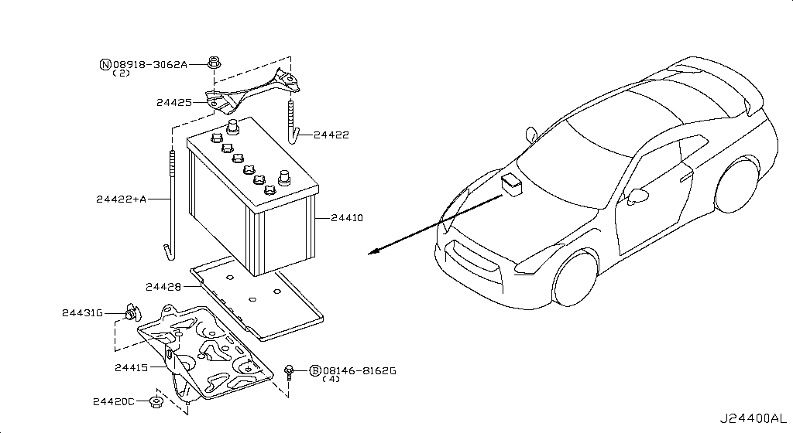
036 - Battery & Battery Mounting | 14 matched part(s)
App. model: VR38DETT • [11.2013-11.2014]
 | OEM | Description | Applies / Details | Period | Notes | Match
 | 24080-JF10A | CABLE ASSY-BATTERY EARTH | Applies: C | 03.2008 - 12.2010 | GROUND CABLE BATTERY | battery, cable, mounting, terminal, tray
 | 24080-KB10A | CABLE ASSY-BATTERY EARTH |  |  | GROUND CABLE BATTERY | battery, cable, mounting, terminal, tray
 | 24380-79915 | HOLDER-FUSIBLE LINK |  |  | GROUND CABLE BATTERY | battery, cable, mounting, terminal, tray
 | 25630-79960 | RELAY-HORN | Applies: C; Specification: THEFT HORN | 08.2017 - ... | NEAR BATTERY | battery, cable, mounting, terminal, tray
 | 25630-79960 | RELAY-HORN | Applies: C; Specification: THEFT HORN | 11.2013 - 11.2014 | NEAR BATTERY | battery, cable, mounting, terminal, tray
 | 25630-79960 | RELAY-HORN | Applies: C; Specification: THEFT HORN | 04.2016 - 08.2017 | NEAR BATTERY | battery, cable, mounting, terminal, tray
 | 25630-79960 | RELAY-HORN | Applies: C; Specification: THEFT HORN | 11.2014 - 04.2016 | NEAR BATTERY | battery, cable, mounting, terminal, tray
 | 25630-79960 | RELAY-HORN | Applies: C; Specification: THEFT HORN | 03.2008 - 12.2010 | NEAR BATTERY | battery, cable, mounting, terminal, tray
 | 25630-79960 | RELAY-HORN | Applies: C; Specification: THEFT HORN | 12.2010 - 11.2013 | NEAR BATTERY | battery, cable, mounting, terminal, tray
 | 284B7-62B6A | CONTROLLER UNIT-IPDM ENGINE ROOM | Applies: C | 08.2017 - ... | IPDM NEAR BATTERY | battery, cable, mounting, terminal, tray
 | 284B7-62B6A | CONTROLLER UNIT-IPDM ENGINE ROOM | Applies: C | 11.2013 - 11.2014 | IPDM NEAR BATTERY | battery, cable, mounting, terminal, tray
 | 284B7-62B6A | CONTROLLER UNIT-IPDM ENGINE ROOM | Applies: C | 04.2016 - 08.2017 | IPDM NEAR BATTERY | battery, cable, mounting, terminal, tray
 | 284B7-62B6A | CONTROLLER UNIT-IPDM ENGINE ROOM | Applies: C | 11.2014 - 04.2016 | IPDM NEAR BATTERY | battery, cable, mounting, terminal, tray
 | 284B7-JF01A | CONTROLLER UNIT-IPDM ENGINE ROOM |  |  | IPDM NEAR BATTERY | battery, cable, mounting, terminal, tray

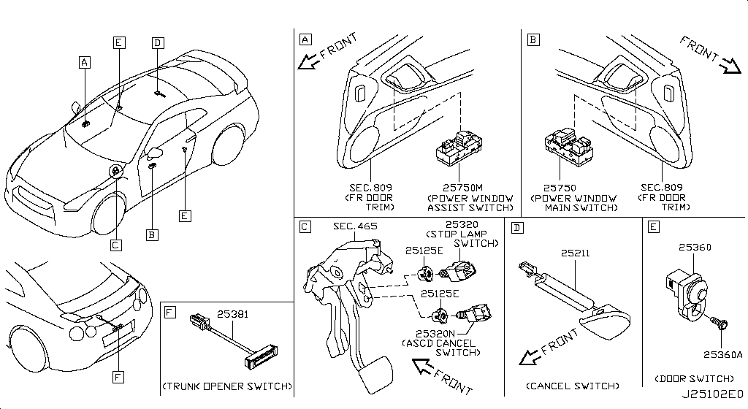
038 - Switch | 8 matched part(s)
Specification: BODY; App. model: C • [11.2013-11.2014]
 | OEM | Description | Applies / Details | Period | Notes | Match
 | 25145-80B0A | SWITCH ASSY-VEHICLE DYNAMICS CONTROL | Applies: C.(PURE+BLACK+PREMIUM |  |  | switch
 | 25300-3RA0A | SWITCH ASSY-ASCD CANCEL | Applies: C.(PURE+BLACK+PREMIUM) | 04.2016 - 07.2016 |  | switch
 | 25300-3RA0A | SWITCH ASSY-ASCD CANCEL | Applies: C | 08.2017 - ... |  | switch
 | 25300-3RA0A | SWITCH ASSY-ASCD CANCEL | Applies: C | 11.2013 - 11.2014 |  | switch
 | 25300-3RA0A | SWITCH ASSY-ASCD CANCEL | Applies: C | 07.2016 - 08.2017 |  | switch
 | 25300-3RA0A | SWITCH ASSY-ASCD CANCEL | Applies: C | 11.2014 - 04.2016 |  | switch
 | 25300-AT300 | SWITCH ASSY-ASCD CANCEL | Applies: C | 03.2008 - 12.2010 |  | switch
 | 25300-AT300 | SWITCH ASSY-ASCD CANCEL | Applies: C | 12.2010 - 11.2013 |  | switch

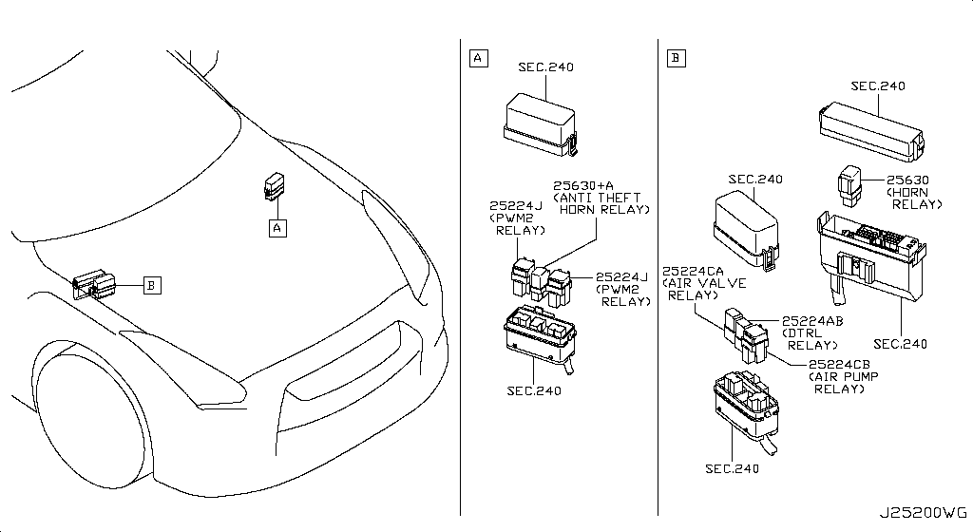
039 - Relay | 38 matched part(s)
Specification: ENGINE ROOM; App. model: C • [11.2013-11.2014]
 | OEM | Description | Applies / Details | Period | Notes | Match
 | 25230-7990A | RELAY | Applies: C; Specification: BLOCK ASSY PANASONIC | 08.2017 - 07.2018 | UNDER CLUSTER SIDE COVER | relay
 | 25230-7990A | RELAY | Applies: C; Specification: IGN/RR DEF/ACC/BLW BLACK | 07.2018 - ... | UNDER CLUSTER SIDE COVER | relay
 | 25230-7990A | RELAY | Applies: C; Specification: BLOCK ASSY PANASONIC | 11.2013 - 11.2014 | UNDER CLUSTER SIDE COVER | relay
 | 25230-7990A | RELAY | Applies: C; Specification: BLOCK ASSY PANASONIC | 04.2016 - 08.2017 | UNDER CLUSTER SIDE COVER | relay
 | 25230-7990A | RELAY | Applies: C; Specification: BLOCK ASSY PANASONIC | 11.2014 - 04.2016 | UNDER CLUSTER SIDE COVER | relay
 | 25230-7990A | RELAY | Applies: C | 11.2012 - 11.2013 | UNDER CLUSTER SIDE COVER | relay
 | 25230-7990A | RELAY | Applies: C; Specification: YAZAKI | 07.2012 - 11.2012 | UNDER CLUSTER SIDE COVER | relay
 | 25230-79917 | RELAY-LIGHT | Applies: C; Specification: DTRL | 08.2017 - ... | NEAR ABS | relay
 | 25230-79917 | RELAY-LIGHT | Applies: C.(PURE+BLACK+PREMIUM); Specification: DTRL | 11.2013 - 11.2014 | NEAR ABS | relay
 | 25230-79917 | RELAY-LIGHT | Applies: C; Specification: DTRL | 04.2016 - 08.2017 | NEAR ABS | relay
 | 25230-79917 | RELAY-LIGHT | Applies: C; Specification: DTRL | 11.2014 - 04.2016 | NEAR ABS | relay
 | 25230-79942 | RELAY | Applies: C; Specification: BLOCK ASSY | 08.2017 - 07.2018 | UNDER CLUSTER SIDE COVER | relay
 | 25230-79942 | RELAY | Applies: C; Specification: IGN/RR DEF/ACC/BLW BLUE | 07.2018 - ... | UNDER CLUSTER SIDE COVER | relay
 | 25230-79942 | RELAY | Applies: C; Specification: BLOCK ASSY | 11.2013 - 11.2014 | UNDER CLUSTER SIDE COVER | relay
 | 25230-79942 | RELAY | Applies: C; Specification: BLOCK ASSY | 04.2016 - 08.2017 | UNDER CLUSTER SIDE COVER | relay
 | 25230-79942 | RELAY | Applies: C; Specification: BLOCK ASSY | 11.2014 - 04.2016 | UNDER CLUSTER SIDE COVER | relay
 | 25230-79942 | RELAY | Applies: C | 03.2008 - 12.2010 | UNDER CLUSTER SIDE COVER | relay
 | 25230-79942 | RELAY | Applies: C | 12.2010 - 07.2012 | UNDER CLUSTER SIDE COVER | relay
 | 25230-79942 | RELAY | Applies: C; Specification: PANASONIC | 07.2012 - 11.2012 | UNDER CLUSTER SIDE COVER | relay
 | 25230-7996A | RELAY-LIGHT | Applies: C; Specification: REVERSE LAMP | 08.2017 - ... | RELAY LIGHT AND TCM IN TRUNK | relay
 | 25230-7996A | RELAY-LIGHT | Applies: C; Specification: REVERSE LAMP | 11.2013 - 11.2014 | RELAY LIGHT AND TCM IN TRUNK | relay
 | 25230-7996A | RELAY-LIGHT | Applies: C; Specification: REVERSE LAMP | 04.2016 - 08.2017 | RELAY LIGHT AND TCM IN TRUNK | relay
 | 25230-7996A | RELAY-LIGHT | Applies: C; Specification: REVERSE LAMP | 11.2014 - 04.2016 | RELAY LIGHT AND TCM IN TRUNK | relay
 | 25230-7996A | RELAY-LIGHT | Applies: C; Specification: REVERSE LAMP | 03.2008 - 12.2010 | RELAY LIGHT AND TCM IN TRUNK | relay
 | 25230-7996A | RELAY-LIGHT | Applies: C; Specification: REVERSE LAMP | 12.2010 - 11.2013 | RELAY LIGHT AND TCM IN TRUNK | relay
 | 25230-7996A | RELAY-EGI | Applies: C; Specification: AMT TCU MITSUBA | 08.2017 - ... | TCU IN TRUNK | relay
...
039 - Relay | 38 matched part(s)
 | 25630-79960 | RELAY-HORN | Applies: C; Specification: B-HORN | 08.2017 - 07.2018 | NEAR ABS | relay
 | 25630-79960 | RELAY-HORN | Applies: C; Specification: HORN | 07.2018 - ... | NEAR ABS | relay
 | 25630-79960 | RELAY-HORN | Applies: C; Specification: B-HORN | 11.2013 - 11.2014 | NEAR ABS | relay
 | 25630-79960 | RELAY-HORN | Applies: C; Specification: B-HORN | 04.2016 - 08.2017 | NEAR ABS | relay
 | 25630-79960 | RELAY-HORN | Applies: C; Specification: B-HORN | 11.2014 - 04.2016 | NEAR ABS | relay
 | 25630-79960 | RELAY-HORN | Applies: C; Specification: FR HORN | 03.2008 - 12.2010 | NEAR ABS | relay
 | 25630-79960 | RELAY-HORN | Applies: C; Specification: B-HORN | 12.2010 - 11.2013 | NEAR ABS | relay

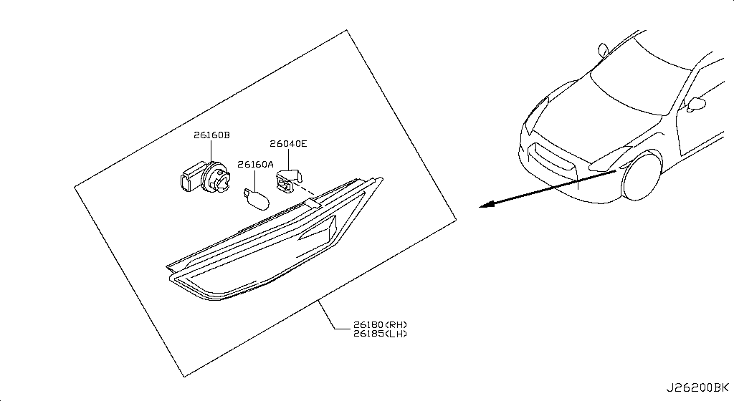
043 - Side Marker Lamp | 2 matched part(s)
App. model: C • [11.2013-11.2014]
 | OEM | Description | Applies / Details | Period | Notes | Match
 | 26180-62B0A | SIDE MARKER LAMP ASSY-RH | Applies: C.(TRACK+NISMO) |  | CLEAR NOT GREEN | lamp, marker
 | 26185-62B0A | SIDE MARKER LAMP ASSY-LH | Applies: C.(TRACK+NISMO) |  | CLEAR NOT GREEN | lamp, marker

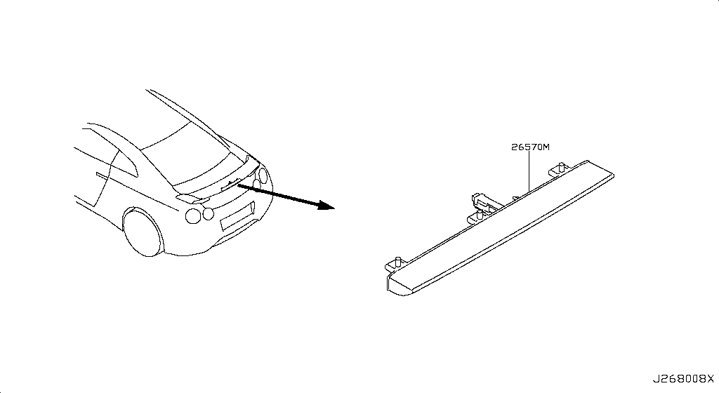
048 - High Mounting Stop Lamp | 9 matched part(s)
App. model: C • [11.2013-11.2014]
 | OEM | Description | Applies / Details | Period | Notes | Match
 | 25320-AX00B | SWITCH ASSY-STOP LAMP | Applies: C | 03.2008 - 12.2008 |  | lamp, stop
 | 25320-AX00C | SWITCH ASSY-STOP LAMP | Applies: C | 12.2008 - 12.2009 |  | lamp, stop
 | 25320-JN00A | SWITCH ASSY-STOP LAMP | Applies: C.(PURE+BLACK+PREMIUM) | 04.2016 - 07.2016 |  | lamp, stop
 | 25320-JN00A | SWITCH ASSY-STOP LAMP | Applies: C | 08.2017 - ... |  | lamp, stop
 | 25320-JN00A | SWITCH ASSY-STOP LAMP | Applies: C | 11.2013 - 11.2014 |  | lamp, stop
 | 25320-JN00A | SWITCH ASSY-STOP LAMP | Applies: C | 07.2016 - 08.2017 |  | lamp, stop
 | 25320-JN00A | SWITCH ASSY-STOP LAMP | Applies: C | 11.2014 - 04.2016 |  | lamp, stop
 | 25320-JN00A | SWITCH ASSY-STOP LAMP | Applies: C | 12.2009 - 12.2010 |  | lamp, stop
 | 25320-JN00A | SWITCH ASSY-STOP LAMP | Applies: C | 12.2010 - 11.2013 |  | lamp, stop

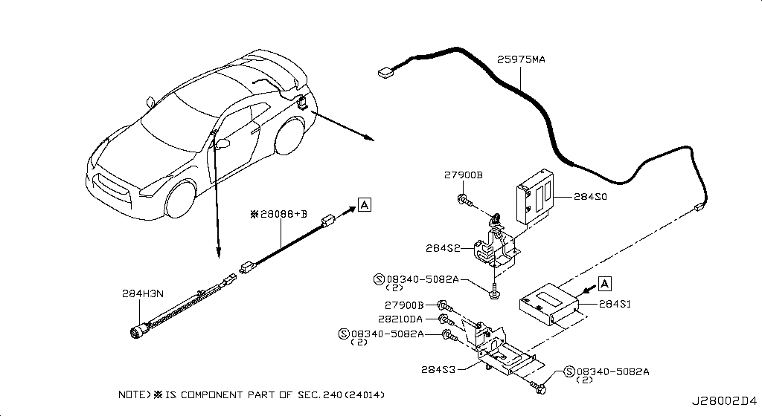
057 - Audio & Visual | 10 matched part(s)
Specification: DATA LOGGER FOR NISMO; App. model: C • [11.2014-04.2016]
 | OEM | Description | Applies / Details | Period | Notes | Match
 | 28061-62B2A | AMPLIFIER-AV | Applies: C.(TRACK+BLACK+PREMIUM+NISMOPKG) | SpecCode: [SPKRB] BOSE AUDIO | 11.2014 - 04.2016 | CLEAR NOT GREEN | audio
 | 28061-6AV2A | AMPLIFIER-AV | Applies: C.(TRACK+PREMIUM+NISMO) | SpecCode: [SPKRB] BOSE AUDIO | 08.2017 - 07.2018 | CLEAR NOT GREEN | audio, nismo
 | 28061-6AV2A | AMPLIFIER-AV | Applies: C.(TRACK+BLACK+PREMIUM+NISMO) | SpecCode: [SPKRB] BOSE AUDIO | 07.2016 - 08.2017 | CLEAR NOT GREEN | audio, nismo
 | 28061-6HS2A | AMPLIFIER-AV | Applies: C.(TRACK+PREMIUM+NISMO) | SpecCode: [SPKRB] BOSE AUDIO | 07.2018 - ... | CLEAR NOT GREEN | audio, nismo
 | 28061-JF00A | AMPLIFIER-AV | Applies: C.PURE | SpecCode: [SPKRB] BOSE AUDIO | 04.2016 - ... | CLEAR NOT GREEN | audio
 | 28061-JF00A | AMPLIFIER-AV | Applies: C.PURE | SpecCode: [SPKRB] BOSE AUDIO | 11.2013 - 11.2014 | CLEAR NOT GREEN | audio
 | 28061-JF00A | AMPLIFIER-AV | Applies: C | SpecCode: [SPKRB] BOSE AUDIO | 03.2008 - 12.2010 | CLEAR NOT GREEN | audio
 | 28061-JF00A | AMPLIFIER-AV | Applies: C.PURE | SpecCode: [SPKRB] BOSE AUDIO | 12.2010 - 11.2013 | CLEAR NOT GREEN | audio
 | 28061-JF20A | AMPLIFIER-AV | Applies: *C | SpecCode: [SPKRB] BOSE AUDIO | 03.2008 - 12.2010 | CLEAR NOT GREEN | audio
 | 28061-JF20A | AMPLIFIER-AV | Applies: *C | SpecCode: [SPKRB] BOSE AUDIO | 12.2010 - 11.2011 | CLEAR NOT GREEN | audio

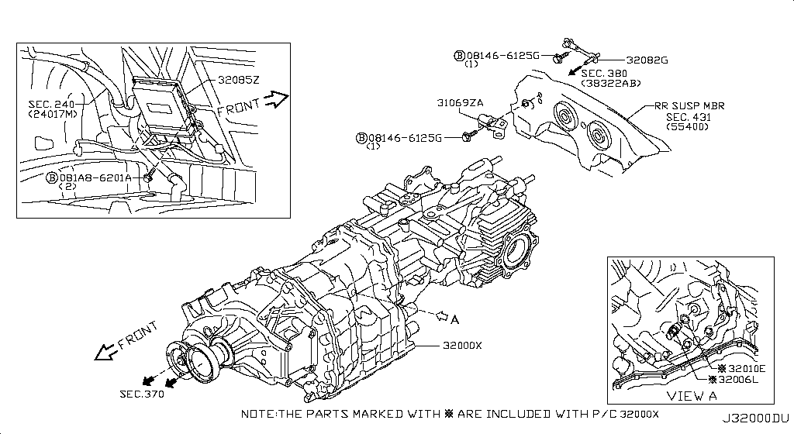
062 - Manual Transmission, Transaxle & Fitting | 1 matched part(s)
Specification: TCM & BRTHR; App. model: GR6 • [11.2013-11.2014]
 | OEM | Description | Applies / Details | Period | Notes | Match
 | 31379-01X01 | MAGNET-TRANSMISSION |  |  | MAGNET GR6 | gr6, transmission

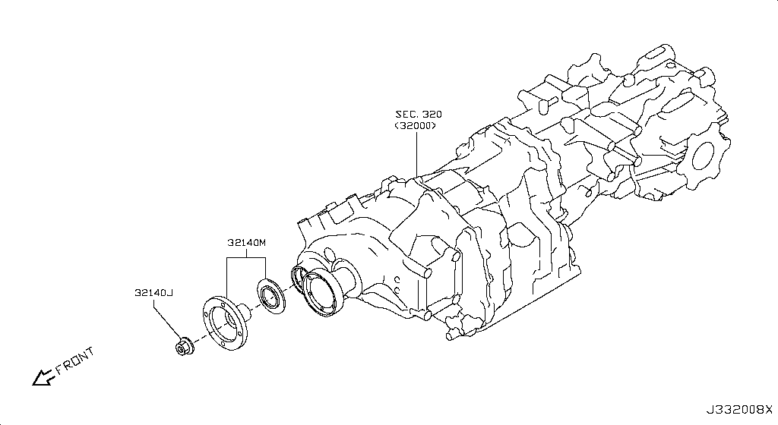
067 - Transfer Gear | 5 matched part(s)
App. model: VR38DETT • [11.2013-11.2014]
 | OEM | Description | Applies / Details | Period | Notes | Match
 | 38225-7S000 | CIRCLIP-SIDE GEAR | Applies: VR38DETT.(PURE+BLACK+PREMIUM+NISMO) | 04.2016 - 07.2016 | VERY IMPORTANT C LIP FOR WAVETRAC | gear, vr38dett
 | 38225-7S000 | CIRCLIP-SIDE GEAR | Applies: VR38DETT | 08.2017 - ... | VERY IMPORTANT C LIP FOR WAVETRAC | gear, vr38dett
 | 38225-7S000 | CIRCLIP-SIDE GEAR | Applies: VR38DETT.(PURE+BLACK+PREMIUM) | 11.2013 - 11.2014 | VERY IMPORTANT C LIP FOR WAVETRAC | gear, vr38dett
 | 38225-7S000 | CIRCLIP-SIDE GEAR | Applies: VR38DETT | 07.2016 - 08.2017 | VERY IMPORTANT C LIP FOR WAVETRAC | gear, vr38dett
 | 38225-7S000 | CIRCLIP-SIDE GEAR | Applies: VR38DETT | 11.2014 - 04.2016 | VERY IMPORTANT C LIP FOR WAVETRAC | gear, vr38dett

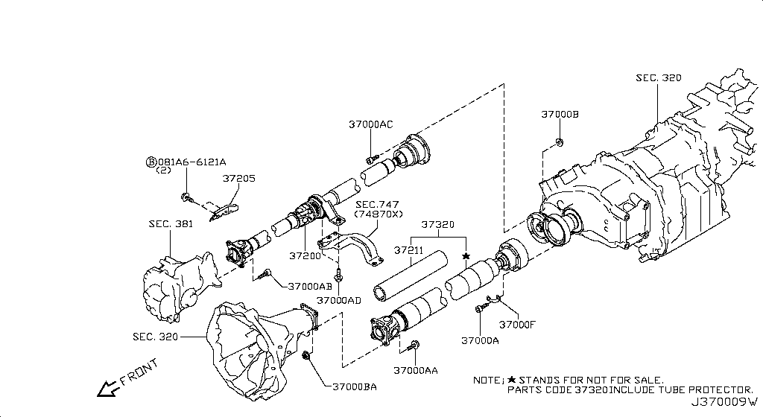
070 - Propeller Shaft | 2 matched part(s)
App. model: VR38DETT • [11.2013-11.2014]
 | OEM | Description | Applies / Details | Period | Notes | Match
 | 37200-JF02A | PROPELLER SHAFT ASSY-FRONT | Applies: VR38DETT |  | AWD SHAFT | propeller, shaft, vr38dett
 | C7300-6AV0A | PROPELLER SHAFT ASSY-REAR |  |  | MAIN SHAFT | propeller, shaft

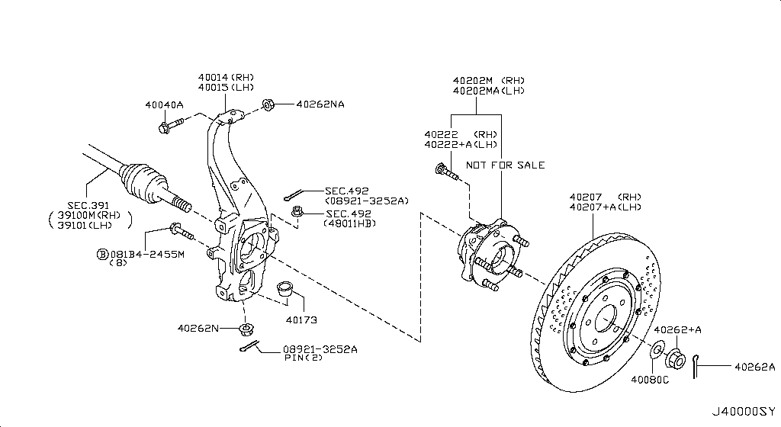
075 - Front Axle | 11 matched part(s)
App. model: VR38DETT • [11.2013-11.2014]
 | OEM | Description | Applies / Details | Period | Notes | Match
 | 38220-38B0B | FLANGE ASSY-SIDE | Applies: VR38DETT; Specification: LH | 11.2012 - 11.2013 | WHEEL SPEED SENSOR AND FLANGE AXLE | axle, bearing, drive, joint, shaft, vr38dett
 | 38220-62B0B | FLANGE ASSY-SIDE | Applies: VR38DETT; Specification: LH | 08.2017 - ... | WHEEL SPEED SENSOR AND FLANGE AXLE | axle, bearing, drive, joint, shaft, vr38dett
 | 38220-62B0B | FLANGE ASSY-SIDE | Applies: VR38DETT; Specification: LH | 11.2013 - 11.2014 | WHEEL SPEED SENSOR AND FLANGE AXLE | axle, bearing, drive, joint, shaft, vr38dett
 | 38220-62B0B | FLANGE ASSY-SIDE | Applies: VR38DETT; Specification: LH | 04.2016 - 08.2017 | WHEEL SPEED SENSOR AND FLANGE AXLE | axle, bearing, drive, joint, shaft, vr38dett
 | 38220-62B0B | FLANGE ASSY-SIDE | Applies: VR38DETT; Specification: LH | 11.2014 - 04.2016 | WHEEL SPEED SENSOR AND FLANGE AXLE | axle, bearing, drive, joint, shaft, vr38dett
 | 38220-JF00B | FLANGE ASSY-SIDE | Applies: VR38DETT; Specification: LH | 03.2008 - 12.2010 | WHEEL SPEED SENSOR AND FLANGE AXLE | axle, bearing, drive, joint, shaft, vr38dett
 | 38220-JF00B | FLANGE ASSY-SIDE | Applies: VR38DETT; Specification: LH | 12.2010 - 11.2012 | WHEEL SPEED SENSOR AND FLANGE AXLE | axle, bearing, drive, joint, shaft, vr38dett
 | 38231-JF00A | SHAFT-SIDE DIFFERENTIAL | Applies: VR38DETT | 03.2008 - 02.2009 | AXLE CONNECTION ENGINE | axle, bearing, drive, joint, shaft, vr38dett
 | 38231-JK500 | SHAFT-SIDE DIFFERENTIAL |  |  | AXLE CONNECTION ENGINE | axle, bearing, drive, joint, shaft
 | 39100-JF00A | SHAFT ASSY-FRONT DRIVE,RH |  |  | AXLE RH FRONT AXLE | axle, bearing, drive, joint, shaft
 | 39101-JF00A | SHAFT ASSY-FRONT DRIVE,LH |  |  | LEFT LH FRONT AXLE | axle, bearing, drive, joint, shaft

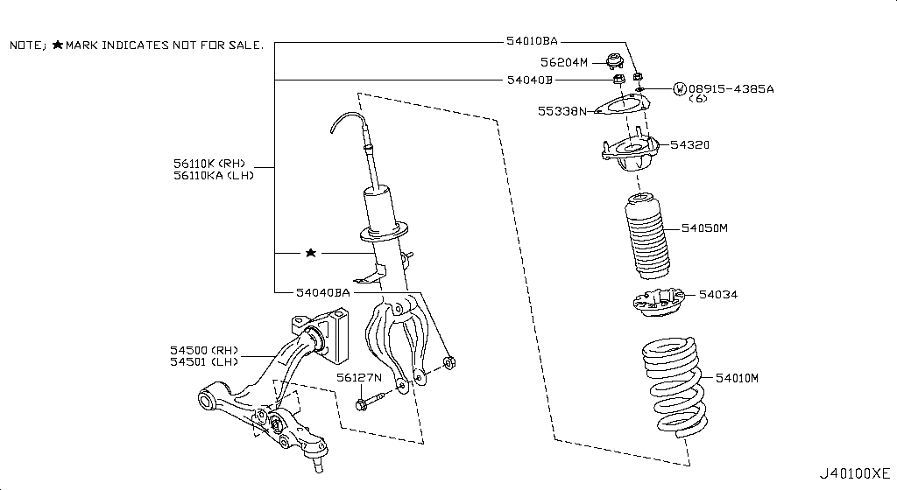
076 - Front Suspension | 20 matched part(s)
Specification: ABSORBER; App. model: VR38DETT • [11.2014-04.2016]
 | OEM | Description | Applies / Details | Period | Notes | Match
 | 54524-JF00C | LINK COMPL-FRONT SUSPENSION,UPPER RH | Applies: VR38DETT.(PURE+PREMIUM) | 08.2017 - ... |  | arm, knuckle, shock, strut, suspension, vr38dett
 | 54524-JF00C | LINK COMPL-FRONT SUSPENSION,UPPER RH | Applies: *VR38DETT.PURE | 06.2014 - 11.2014 |  | arm, knuckle, shock, strut, suspension, vr38dett
 | 54524-JF00C | LINK COMPL-FRONT SUSPENSION,UPPER RH | Applies: *VR38DETT.PURE | SpecCode: [CLASJ] TRACK PACK A | 06.2014 - 11.2014 |  | arm, knuckle, shock, strut, suspension, vr38dett
 | 54524-JF00C | LINK COMPL-FRONT SUSPENSION,UPPER RH | Applies: VR38DETT.(PURE+BLACK+PREMIUM) | SpecCode: [CLASJ] TRACK PACK A | SpecCode: [CLASR] INT F/BLACK EDITION,F/TRACK PACK W/SUSP | 07.2016 - 08.2017 |  | arm, knuckle, shock, strut, suspension, vr38dett
 | 54524-JF00C | LINK COMPL-FRONT SUSPENSION,UPPER RH | Applies: VR38DETT.(PURE+BLACK+PREMIUM) | SpecCode: [CLASJ] TRACK PACK A | SpecCode: [CLASR] INT F/BLACK EDITION,F/TRACK PACK W/SUSP | 11.2013 - 11.2014 |  | arm, knuckle, shock, strut, suspension, vr38dett
 | 54524-JF00C | LINK COMPL-FRONT SUSPENSION,UPPER RH | Applies: VR38DETT.(TRACK+BLACK+PREMIUM) | SpecCode: [CLASJ] TRACK PACK A | SpecCode: [CLASR] INT F/BLACK EDITION,F/TRACK PACK W/SUSP | 11.2014 - 04.2016 |  | arm, knuckle, shock, strut, suspension, vr38dett
 | 54524-JF00C | LINK COMPL-FRONT SUSPENSION,UPPER RH | Applies: VR38DETT.(PURE+TRACK+BLACK+PREMIUM) | SpecCode: [CLASJ] TRACK PACK A | SpecCode: [CLASR] INT F/BLACK EDITION,F/TRACK PACK W/SUSP | 04.2016 - 07.2016 |  | arm, knuckle, shock, strut, suspension, vr38dett
 | 54524-JF00C | LINK COMPL-FRONT SUSPENSION,UPPER RH | Applies: VR38DETT | SpecCode: [CLASJ] TRACK PACK A | SpecCode: [CLASR] INT F/BLACK EDITION,F/TRACK PACK W/SUSP | 03.2008 - 12.2009 |  | arm, knuckle, shock, strut, suspension, vr38dett
 | 54524-JF50A | LINK COMPL-FRONT SUSPENSION,UPPER RH | Applies: VR38DETT | SpecCode: [CLASJ] TRACK PACK A | SpecCode: [CLASR] INT F/BLACK EDITION,F/TRACK PACK W/SUSP | 12.2009 - 12.2010 |  | arm, knuckle, shock, strut, suspension, vr38dett
 | 54524-JF50A | LINK COMPL-FRONT SUSPENSION,UPPER RH | Applies: VR38DETT | SpecCode: [CLASJ] TRACK PACK A | SpecCode: [CLASR] INT F/BLACK EDITION,F/TRACK PACK W/SUSP | 12.2010 - 11.2013 |  | arm, knuckle, shock, strut, suspension, vr38dett
 | 54525-JF00C | LINK COMPL-FRONT SUSPENSION,UPPER LH | Applies: VR38DETT.(PURE+PREMIUM) | 08.2017 - ... |  | arm, knuckle, shock, strut, suspension, vr38dett
 | 54525-JF00C | LINK COMPL-FRONT SUSPENSION,UPPER LH | Applies: *VR38DETT.PURE | 06.2014 - 11.2014 |  | arm, knuckle, shock, strut, suspension, vr38dett
 | 54525-JF00C | LINK COMPL-FRONT SUSPENSION,UPPER LH | Applies: *VR38DETT.PURE | SpecCode: [CLASJ] TRACK PACK A | 06.2014 - 11.2014 |  | arm, knuckle, shock, strut, suspension, vr38dett
 | 54525-JF00C | LINK COMPL-FRONT SUSPENSION,UPPER LH | Applies: VR38DETT.(PURE+BLACK+PREMIUM) | SpecCode: [CLASJ] TRACK PACK A | SpecCode: [CLASR] INT F/BLACK EDITION,F/TRACK PACK W/SUSP | 07.2016 - 08.2017 |  | arm, knuckle, shock, strut, suspension, vr38dett
 | 54525-JF00C | LINK COMPL-FRONT SUSPENSION,UPPER LH | Applies: VR38DETT.(PURE+BLACK+PREMIUM) | SpecCode: [CLASJ] TRACK PACK A | SpecCode: [CLASR] INT F/BLACK EDITION,F/TRACK PACK W/SUSP | 11.2013 - 11.2014 |  | arm, knuckle, shock, strut, suspension, vr38dett
 | 54525-JF00C | LINK COMPL-FRONT SUSPENSION,UPPER LH | Applies: VR38DETT.(TRACK+BLACK+PREMIUM) | SpecCode: [CLASJ] TRACK PACK A | SpecCode: [CLASR] INT F/BLACK EDITION,F/TRACK PACK W/SUSP | 11.2014 - 04.2016 |  | arm, knuckle, shock, strut, suspension, vr38dett
 | 54525-JF00C | LINK COMPL-FRONT SUSPENSION,UPPER LH | Applies: VR38DETT.(PURE+TRACK+BLACK+PREMIUM) | SpecCode: [CLASJ] TRACK PACK A | SpecCode: [CLASR] INT F/BLACK EDITION,F/TRACK PACK W/SUSP | 04.2016 - 07.2016 |  | arm, knuckle, shock, strut, suspension, vr38dett
 | 54525-JF00C | LINK COMPL-FRONT SUSPENSION,UPPER LH | Applies: VR38DETT | SpecCode: [CLASJ] TRACK PACK A | SpecCode: [CLASR] INT F/BLACK EDITION,F/TRACK PACK W/SUSP | 03.2008 - 12.2009 |  | arm, knuckle, shock, strut, suspension, vr38dett
 | 54525-JF50A | LINK COMPL-FRONT SUSPENSION,UPPER LH | Applies: VR38DETT | SpecCode: [CLASJ] TRACK PACK A | SpecCode: [CLASR] INT F/BLACK EDITION,F/TRACK PACK W/SUSP | 12.2009 - 12.2010 |  | arm, knuckle, shock, strut, suspension, vr38dett
 | 54525-JF50A | LINK COMPL-FRONT SUSPENSION,UPPER LH | Applies: VR38DETT | SpecCode: [CLASJ] TRACK PACK A | SpecCode: [CLASR] INT F/BLACK EDITION,F/TRACK PACK W/SUSP | 12.2010 - 11.2013 |  | arm, knuckle, shock, strut, suspension, vr38dett

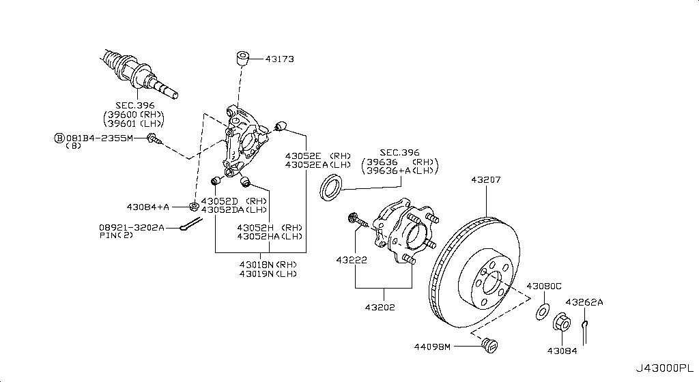
077 - Rear Axle | 27 matched part(s)
App. model: VR38DETT • [11.2013-11.2014]
 | OEM | Description | Applies / Details | Period | Notes | Match
 | 39600-80B0A | SHAFT ASSY-REAR DRIVE | Applies: VR38DETT | 08.2017 - 08.2018 | REAR AXLE RH | axle, bearing, drive, joint, shaft, vr38dett
 | 39600-80B0A | SHAFT ASSY-REAR DRIVE | Applies: VR38DETT | 04.2016 - 08.2017 | REAR AXLE RH | axle, bearing, drive, joint, shaft, vr38dett
 | 39600-80B0A | SHAFT ASSY-REAR DRIVE | Applies: VR38DETT | 11.2014 - 04.2016 | REAR AXLE RH | axle, bearing, drive, joint, shaft, vr38dett
 | 39600-80B0A | SHAFT ASSY-REAR DRIVE | Applies: VR38DETT | 08.2017 - 08.2018 | REAR AXLE RH | axle, bearing, drive, joint, shaft, vr38dett
 | 39600-80B0A | SHAFT ASSY-REAR DRIVE | Applies: VR38DETT | 04.2016 - 08.2017 | REAR AXLE RH | axle, bearing, drive, joint, shaft, vr38dett
 | 39600-80B0A | SHAFT ASSY-REAR DRIVE | Applies: VR38DETT | 11.2014 - 04.2016 | REAR AXLE RH | axle, bearing, drive, joint, shaft, vr38dett
 | 39600-80B0C | SHAFT ASSY-REAR DRIVE | Applies: VR38DETT | 08.2018 - ... | REAR AXLE RH | axle, bearing, drive, joint, shaft, vr38dett
 | 39600-80B0C | SHAFT ASSY-REAR DRIVE | Applies: VR38DETT | 08.2018 - ... | REAR AXLE RH | axle, bearing, drive, joint, shaft, vr38dett
 | 39600-JF00A | SHAFT ASSY-REAR DRIVE | Applies: VR38DETT.(PURE+BLACK+PREMIUM) | 11.2013 - 11.2014 | REAR AXLE RH | axle, bearing, drive, joint, shaft, vr38dett
 | 39600-JF00A | SHAFT ASSY-REAR DRIVE | Applies: VR38DETT | 03.2008 - 12.2010 | REAR AXLE RH | axle, bearing, drive, joint, shaft, vr38dett
 | 39600-JF00A | SHAFT ASSY-REAR DRIVE | Applies: VR38DETT.(PURE+PREMIUM) | 12.2010 - 11.2011 | REAR AXLE RH | axle, bearing, drive, joint, shaft, vr38dett
 | 39600-JF00A | SHAFT ASSY-REAR DRIVE | Applies: VR38DETT | 11.2011 - 11.2013 | REAR AXLE RH | axle, bearing, drive, joint, shaft, vr38dett
 | 39600-JF00A | SHAFT ASSY-REAR DRIVE | Applies: VR38DETT.(PURE+BLACK+PREMIUM) | 11.2013 - 11.2014 | REAR AXLE RH | axle, bearing, drive, joint, shaft, vr38dett
 | 39600-JF00A | SHAFT ASSY-REAR DRIVE | Applies: VR38DETT | 03.2008 - 12.2010 | REAR AXLE RH | axle, bearing, drive, joint, shaft, vr38dett
 | 39600-JF00A | SHAFT ASSY-REAR DRIVE | Applies: VR38DETT.(PURE+PREMIUM) | 12.2010 - 11.2011 | REAR AXLE RH | axle, bearing, drive, joint, shaft, vr38dett
 | 39600-JF00A | SHAFT ASSY-REAR DRIVE | Applies: VR38DETT | 11.2011 - 11.2013 | REAR AXLE RH | axle, bearing, drive, joint, shaft, vr38dett
 | 43018-JF00A | HOUSING ASSY-REAR AXLE,RH | Applies: VR38DETT.(PURE+PREMIUM) | 08.2017 - ... | REAR BUSHING | axle, bearing, drive, joint, shaft, vr38dett
 | 43018-JF00A | HOUSING ASSY-REAR AXLE,RH | Applies: VR38DETT.(PURE+BLACK+PREMIUM) | 04.2016 - 08.2017 | REAR BUSHING | axle, bearing, drive, joint, shaft, vr38dett
 | 43018-JF00A | HOUSING ASSY-REAR AXLE,RH | Applies: VR38DETT.(PURE+BLACK+PREMIUM) | 11.2013 - 11.2014 | REAR BUSHING | axle, bearing, drive, joint, shaft, vr38dett
 | 43018-JF00A | HOUSING ASSY-REAR AXLE,RH | Applies: VR38DETT | 03.2008 - 12.2009 | REAR BUSHING | axle, bearing, drive, joint, shaft, vr38dett
 | 43018-JW90A | HOUSING ASSY-REAR AXLE,RH | Applies: VR38DETT | 12.2009 - 05.2010 | REAR BUSHING | axle, bearing, drive, joint, shaft, vr38dett
 | 43018-JW90B | HOUSING ASSY-REAR AXLE,RH | Applies: *VR38DETT.PURE | 06.2014 - 11.2014 | REAR BUSHING | axle, bearing, drive, joint, shaft, vr38dett
 | 43018-JW90B | HOUSING ASSY-REAR AXLE,RH | Applies: *VR38DETT.PURE | SpecCode: [CLASJ] TRACK PACK A | 06.2014 - 11.2014 | REAR BUSHING | axle, bearing, drive, joint, shaft, vr38dett
 | 43018-JW90B | HOUSING ASSY-REAR AXLE,RH | Applies: VR38DETT.(TRACK+NISMO) | SpecCode: [CLASJ] TRACK PACK A | SpecCode: [CLASR] INT F/BLACK EDITION,F/TRACK PACK W/SUSP | 04.2016 - ... | REAR BUSHING | axle, bearing, drive, joint, shaft, vr38dett
 | 43018-JW90B | HOUSING ASSY-REAR AXLE,RH | Applies: VR38DETT.(TRACK+NISMO+NISMOPKG) | SpecCode: [CLASJ] TRACK PACK A | SpecCode: [CLASR] INT F/BLACK EDITION,F/TRACK PACK W/SUSP | 11.2014 - 04.2016 | REAR BUSHING | axle, bearing, drive, joint, shaft, vr38dett
 | 43018-JW90B | HOUSING ASSY-REAR AXLE,RH | Applies: VR38DETT | SpecCode: [CLASJ] TRACK PACK A | SpecCode: [CLASR] INT F/BLACK EDITION,F/TRACK PACK W/SUSP | 05.2010 - 12.2010 | REAR BUSHING | axle, bearing, drive, joint, shaft, vr38dett
 | 43018-JW90B | HOUSING ASSY-REAR AXLE,RH | Applies: VR38DETT | SpecCode: [CLASJ] TRACK PACK A | SpecCode: [CLASR] INT F/BLACK EDITION,F/TRACK PACK W/SUSP | 12.2010 - 11.2013 | REAR BUSHING | axle, bearing, drive, joint, shaft, vr38dett

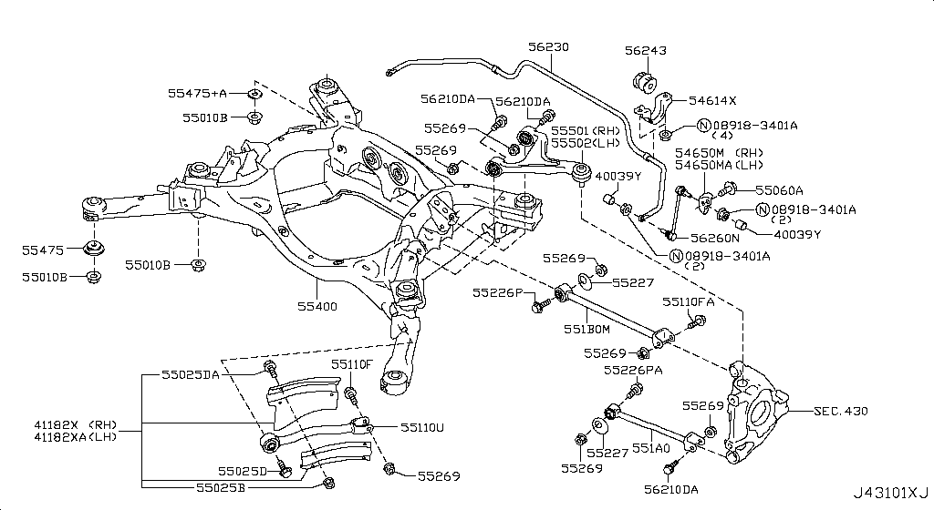
078 - Rear Suspension | 18 matched part(s)
Specification: MEMBER[NISMO]; App. model: VR38DETT.NISMO • [06.2014-11.2014]
 | OEM | Description | Applies / Details | Period | Notes | Match
 | 54500-38B0A | LINK COMPL-TRANSVERSE,RH | Applies: VR38DETT.(TRACK+NISMO) | 04.2016 - ... |  | nismo, vr38dett
 | 54500-38B0A | LINK COMPL-TRANSVERSE,RH | Applies: VR38DETT.(TRACK+NISMO+NISMOPKG) | 11.2014 - 04.2016 |  | nismo, vr38dett
 | 54501-38B0A | LINK COMPL-TRANSVERSE,LH | Applies: VR38DETT.(TRACK+NISMO) | 04.2016 - ... |  | nismo, vr38dett
 | 54501-38B0A | LINK COMPL-TRANSVERSE,LH | Applies: VR38DETT.(TRACK+NISMO+NISMOPKG) | 11.2014 - 04.2016 |  | nismo, vr38dett
 | 54524-62B0A | LINK COMPL-FRONT SUSPENSION,UPPER RH | Applies: VR38DETT.(TRACK+NISMO) | 07.2016 - ... |  | arm, knuckle, nismo, shock, strut, suspension, vr38dett
 | 54525-62B0A | LINK COMPL-FRONT SUSPENSION,UPPER LH | Applies: VR38DETT.(TRACK+NISMO) | 07.2016 - ... |  | arm, knuckle, nismo, shock, strut, suspension, vr38dett
 | 55501-JF00A | ARM ASSY-REAR SUSPENSION,RH | Applies: VR38DETT | 03.2008 - 12.2010 |  | arm, knuckle, shock, strut, suspension, vr38dett
 | 55501-KB50A | ARM ASSY-REAR SUSPENSION,RH | Applies: VR38DETT | 08.2017 - ... |  | arm, knuckle, shock, strut, suspension, vr38dett
 | 55501-KB50A | ARM ASSY-REAR SUSPENSION,RH | Applies: VR38DETT | 11.2013 - 11.2014 |  | arm, knuckle, shock, strut, suspension, vr38dett
 | 55501-KB50A | ARM ASSY-REAR SUSPENSION,RH | Applies: VR38DETT | 04.2016 - 08.2017 |  | arm, knuckle, shock, strut, suspension, vr38dett
 | 55501-KB50A | ARM ASSY-REAR SUSPENSION,RH | Applies: VR38DETT | 11.2014 - 04.2016 |  | arm, knuckle, shock, strut, suspension, vr38dett
 | 55501-KB50A | ARM ASSY-REAR SUSPENSION,RH | Applies: VR38DETT | 12.2010 - 11.2013 |  | arm, knuckle, shock, strut, suspension, vr38dett
 | 55502-JF00A | ARM ASSY-REAR SUSPENSION,LH | Applies: VR38DETT | 08.2017 - ... |  | arm, knuckle, shock, strut, suspension, vr38dett
 | 55502-JF00A | ARM ASSY-REAR SUSPENSION,LH | Applies: VR38DETT | 11.2013 - 11.2014 |  | arm, knuckle, shock, strut, suspension, vr38dett
 | 55502-JF00A | ARM ASSY-REAR SUSPENSION,LH | Applies: VR38DETT | 04.2016 - 08.2017 |  | arm, knuckle, shock, strut, suspension, vr38dett
 | 55502-JF00A | ARM ASSY-REAR SUSPENSION,LH | Applies: VR38DETT | 11.2014 - 04.2016 |  | arm, knuckle, shock, strut, suspension, vr38dett
 | 55502-JF00A | ARM ASSY-REAR SUSPENSION,LH | Applies: VR38DETT | 03.2008 - 12.2010 |  | arm, knuckle, shock, strut, suspension, vr38dett
 | 55502-JF00A | ARM ASSY-REAR SUSPENSION,LH | Applies: VR38DETT | 12.2010 - 11.2013 |  | arm, knuckle, shock, strut, suspension, vr38dett

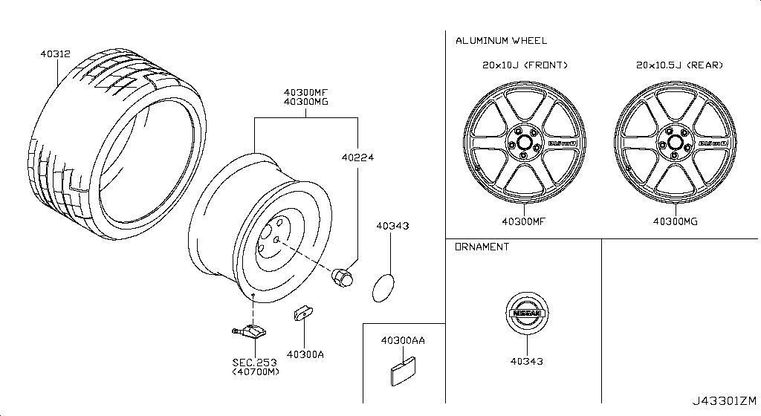
079 - Road Wheel & Tire | 9 matched part(s)
Specification: 6SPOKE[NISMO]; App. model: C.NISMO • [06.2014-11.2014]
 | OEM | Description | Applies / Details | Period | Notes | Match
 | 40342-62B0A | ORNAMENT-DISC WHEEL | Applies: C.TRACK; Specification: BLACK&WHITE | 11.2014 - 04.2016 | WHEEL CAP STOCK | hub, rim, road, tire, wheel
 | 76748-6AV0A | PROTECTOR-REAR WHEEL HOUSE,RH | Applies: C | 08.2017 - ... |  | hub, rim, road, tire, wheel
 | 76748-6AV0A | PROTECTOR-REAR WHEEL HOUSE,RH | Applies: C.(PURE+BLACK+PREMIUM) | 04.2016 - 07.2016 |  | hub, rim, road, tire, wheel
 | 76748-6AV0A | PROTECTOR-REAR WHEEL HOUSE,RH | Applies: C | 07.2016 - 08.2017 |  | hub, rim, road, tire, wheel
 | 76748-JF00A | PROTECTOR-REAR WHEEL HOUSE,RH | Applies: C | 03.2008 - 12.2010 |  | hub, rim, road, tire, wheel
 | 76749-6AV0A | PROTECTOR-REAR WHEEL HOUSE,LH | Applies: C | 08.2017 - ... |  | hub, rim, road, tire, wheel
 | 76749-6AV0A | PROTECTOR-REAR WHEEL HOUSE,LH | Applies: C.(PURE+BLACK+PREMIUM) | 04.2016 - 07.2016 |  | hub, rim, road, tire, wheel
 | 76749-6AV0A | PROTECTOR-REAR WHEEL HOUSE,LH | Applies: C | 07.2016 - 08.2017 |  | hub, rim, road, tire, wheel
 | 76749-JF00A | PROTECTOR-REAR WHEEL HOUSE,LH | Applies: C.(TRACK+NISMO) | 04.2016 - 07.2016 |  | hub, nismo, rim, road, tire, wheel

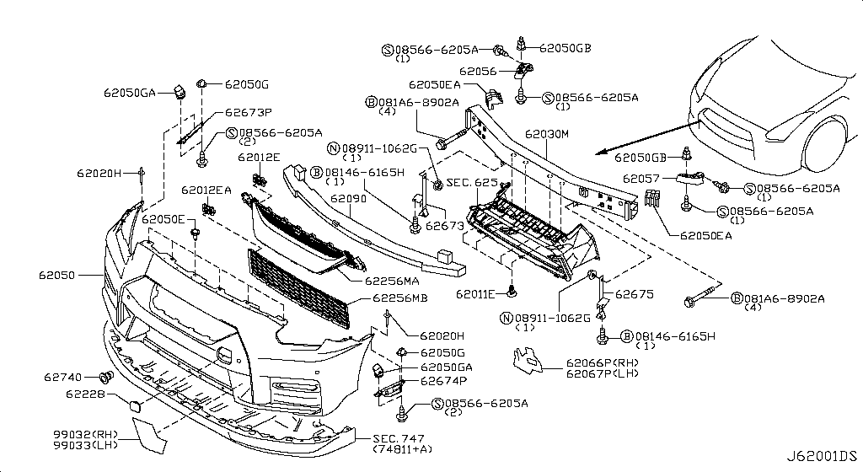
096 - Front Bumper | 9 matched part(s)
Specification: NISMO; App. model: C.NISMO • [07.2016-07.2018]
 | OEM | Description | Applies / Details | Period | Notes | Match
 | 62086-6AV0A | MOULDING-FRONT BUMPER,RH | Applies: C.(PURE+TRACK+PREMIUM) | 08.2017 - ... |  | bumper
 | 62087-6AV0A | MOULDING-FRONT BUMPER,LH | Applies: C.(PURE+TRACK+PREMIUM) | 08.2017 - ... | 2017 HOOK COVER | bumper
 | 622A0-6AV0A | COVER-BUMPER BRACKET | Applies: C.(PURE+TRACK+PREMIUM) | 08.2017 - ... | 2017 HOOK COVER | bumper
 | 622A0-6AV0A | COVER-BUMPER BRACKET | Applies: C.(PURE+BLACK+PREMIUM) | 04.2016 - 07.2016 | 2017 HOOK COVER | bumper
 | 622A0-6AV0A | COVER-BUMPER BRACKET | Applies: C.(PURE+TRACK+BLACK+PREMIUM) | 07.2016 - 08.2017 | 2017 HOOK COVER | bumper
 | 622A0-KB50A | COVER-BUMPER BRACKET | Applies: C.TRACK | 04.2016 - 07.2016 | 2017 HOOK COVER | bumper
 | 622A0-KB50A | COVER-BUMPER BRACKET | Applies: C.(PURE+BLACK+PREMIUM) | 11.2013 - 11.2014 | 2017 HOOK COVER | bumper
 | 622A0-KB50A | COVER-BUMPER BRACKET | Applies: C.(TRACK+BLACK+PREMIUM+NISMOPKG) | 11.2014 - 04.2016 | 2017 HOOK COVER | bumper
 | 622A0-KB50A | COVER-BUMPER BRACKET | Applies: C | 12.2010 - 11.2013 | 2017 HOOK COVER | bumper

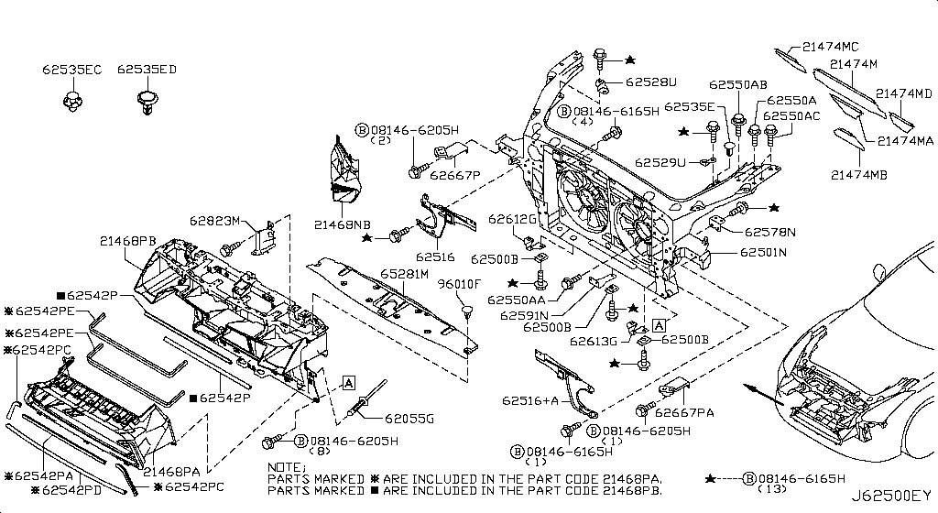
097 - Front Apron & Radiator Core Support | 1 matched part(s)
App. model: C • [11.2013-11.2014]
 | OEM | Description | Applies / Details | Period | Notes | Match
 | 62501-62B0A | SUPPORT-RADIATOR CORE CENTER |  |  | radiator support | cooling, core, fan, radiator, shroud

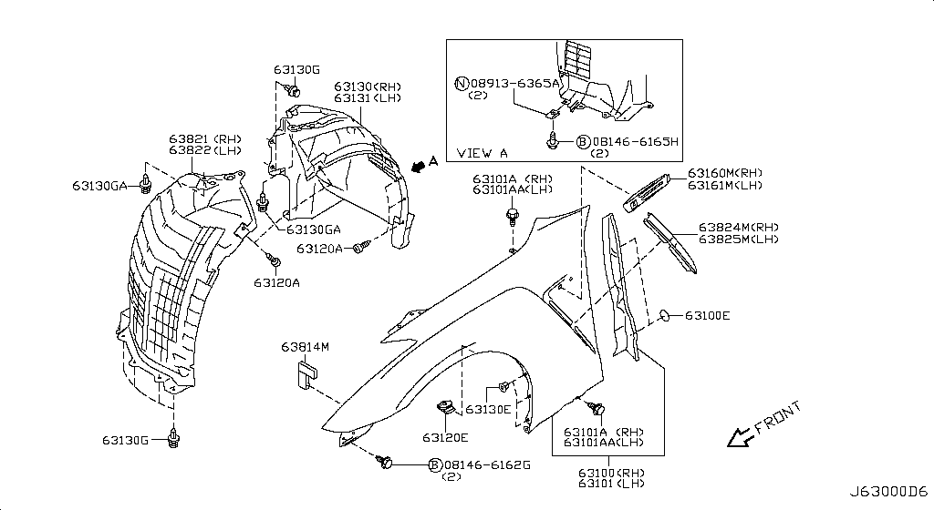
098 - Front Fender & Fitting | 38 matched part(s)
App. model: C • [11.2013-11.2014]
 | OEM | Description | Applies / Details | Period | Notes | Match
 | 63842-62B0A | PROTECTOR-FRONT FENDER,RH | Applies: C.(PURE+PREMIUM) | 08.2017 - ... | front fender cover LH | fender, mudguard
 | 63842-62B0A | PROTECTOR-FRONT FENDER,RH | Applies: C.(PURE+BLACK+PREMIUM) | 07.2016 - 08.2017 | front fender cover LH | fender, mudguard
 | 63842-62B0A | PROTECTOR-FRONT FENDER,RH | Applies: C.(PURE+BLACK+PREMIUM) | 11.2013 - 11.2014 | front fender cover LH | fender, mudguard
 | 63842-62B0A | PROTECTOR-FRONT FENDER,RH | Applies: C.(TRACK+BLACK+PREMIUM) | 11.2014 - 04.2016 | front fender cover LH | fender, mudguard
 | 63842-62B0A | PROTECTOR-FRONT FENDER,RH | Applies: C.(PURE+TRACK+BLACK+PREMIUM) | 04.2016 - 07.2016 | front fender cover LH | fender, mudguard
 | 63842-62B0B | PROTECTOR-FRONT FENDER,RH | Applies: C.(TRACK+NISMO) | 07.2016 - ... | front fender cover LH | fender, mudguard
 | 63842-JF00A | PROTECTOR-FRONT FENDER,RH | Applies: C | 03.2008 - 12.2010 | front fender cover LH | fender, mudguard
 | 63842-JF00B | PROTECTOR-FRONT FENDER,RH | Applies: C | 12.2010 - 11.2013 | front fender cover LH | fender, mudguard
 | 63843-62B0A | PROTECTOR-FRONT FENDER,LH | Applies: C.(PURE+PREMIUM) | 08.2017 - ... |  | fender, mudguard
 | 63843-62B0A | PROTECTOR-FRONT FENDER,LH | Applies: C.(PURE+BLACK+PREMIUM) | 07.2016 - 08.2017 |  | fender, mudguard
 | 63843-62B0A | PROTECTOR-FRONT FENDER,LH | Applies: C.(PURE+BLACK+PREMIUM) | 11.2013 - 11.2014 |  | fender, mudguard
 | 63843-62B0A | PROTECTOR-FRONT FENDER,LH | Applies: C.(TRACK+BLACK+PREMIUM) | 11.2014 - 04.2016 |  | fender, mudguard
 | 63843-62B0A | PROTECTOR-FRONT FENDER,LH | Applies: C.(PURE+TRACK+BLACK+PREMIUM) | 04.2016 - 07.2016 |  | fender, mudguard
 | 63843-62B0B | PROTECTOR-FRONT FENDER,LH | Applies: C.(TRACK+NISMO) | 07.2016 - ... |  | fender, mudguard
 | 63843-JF00A | PROTECTOR-FRONT FENDER,LH | Applies: C | 03.2008 - 12.2010 |  | fender, mudguard
 | 63843-JF00B | PROTECTOR-FRONT FENDER,LH | Applies: C | 12.2010 - 11.2013 |  | fender, mudguard
 | 63844-62B2A | PROTECTOR-FRONT FENDER,FRONT RH | Applies: C.TRACK | 04.2016 - 07.2016 | front cover RH | fender, mudguard
 | 63844-62B2A | PROTECTOR-FRONT FENDER,FRONT RH | Applies: C.(PURE+BLACK+PREMIUM) | 11.2013 - 11.2014 | front cover RH | fender, mudguard
 | 63844-62B2A | PROTECTOR-FRONT FENDER,FRONT RH | Applies: C.(TRACK+BLACK+PREMIUM) | 11.2014 - 04.2016 | front cover RH | fender, mudguard
 | 63844-6AV2A | PROTECTOR-FRONT FENDER,FRONT RH | Applies: C.(PURE+PREMIUM) | 08.2017 - ... | front cover RH | fender, mudguard
 | 63844-6AV2A | PROTECTOR-FRONT FENDER,FRONT RH | Applies: C.(PURE+BLACK+PREMIUM) | 04.2016 - 08.2017 | front cover RH | fender, mudguard
 | 63844-6AV2C | PROTECTOR-FRONT FENDER,FRONT RH | Applies: C.TRACK | 07.2016 - 07.2018 | front cover RH | fender, mudguard
 | 63844-6HT2C | PROTECTOR-FRONT FENDER,FRONT RH | Applies: C.TRACK | 07.2018 - ... | front cover RH | fender, mudguard
 | 63844-JF00A | PROTECTOR-FRONT FENDER,FRONT RH | Applies: C | 03.2008 - 12.2010 | front cover RH | fender, mudguard
 | 63844-JF00B | PROTECTOR-FRONT FENDER,FRONT RH | Applies: C | 12.2010 - 11.2013 | front cover RH | fender, mudguard
 | 63844-JF02B | PROTECTOR-FRONT FENDER,FRONT RH | Applies: *C.PURE | 11.2012 - 11.2013 | front cover RH | fender, mudguard
...
098 - Front Fender & Fitting | 38 matched part(s)
 | 63845-6AV2A | PROTECTOR-FRONT FENDER,FRONT LH | Applies: C.(PURE+BLACK+PREMIUM) | 04.2016 - 08.2017 | front fender cover LH | fender, mudguard
 | 63845-6AV2C | PROTECTOR-FRONT FENDER,FRONT LH | Applies: C.TRACK | 07.2016 - 07.2018 | front fender cover LH | fender, mudguard
 | 63845-6HT2C | PROTECTOR-FRONT FENDER,FRONT LH | Applies: C.TRACK | 07.2018 - ... | front fender cover LH | fender, mudguard
 | 63845-JF00A | PROTECTOR-FRONT FENDER,FRONT LH | Applies: C | 03.2008 - 12.2010 | front fender cover LH | fender, mudguard
 | 63845-JF00B | PROTECTOR-FRONT FENDER,FRONT LH | Applies: C | 12.2010 - 11.2013 | front fender cover LH | fender, mudguard
 | 63845-JF02B | PROTECTOR-FRONT FENDER,FRONT LH | Applies: *C.PURE | 11.2012 - 11.2013 | front fender cover LH | fender, mudguard
 | 63845-JF02B | PROTECTOR-FRONT FENDER,FRONT LH | Applies: *C.PURE | SpecCode: [CLASJ] TRACK PACK A | 11.2012 - 11.2013 | front fender cover LH | fender, mudguard

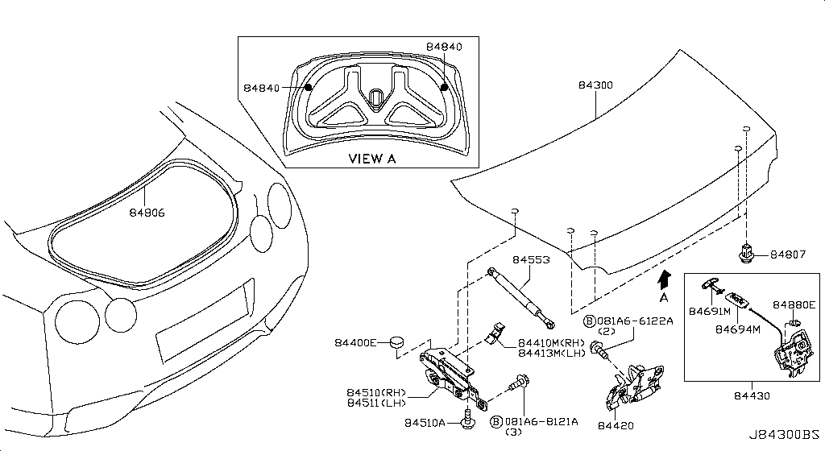
129 - Trunk Lid & Fitting | 8 matched part(s)
Specification: NOMAL; App. model: C • [11.2013-11.2014]
 | OEM | Description | Applies / Details | Period | Notes | Match
 | 84894-JF00A | EMBLEM-TRUNK LID | Applies: C | 03.2008 - 12.2009 | GTR R35 EMBLEM | lid, trunk
 | 84894-JF60A | EMBLEM-TRUNK LID | Applies: C.(PURE+BLACK+PREMIUM) | 11.2013 - 01.2014 | GTR R35 EMBLEM | lid, trunk
 | 84894-JF60A | EMBLEM-TRUNK LID | Applies: C | 12.2009 - 12.2010 | GTR R35 EMBLEM | lid, trunk
 | 84894-JF60A | EMBLEM-TRUNK LID | Applies: C | 12.2010 - 11.2013 | GTR R35 EMBLEM | lid, trunk
 | 84894-JF60B | EMBLEM-TRUNK LID | Applies: C | 08.2017 - ... | GTR R35 EMBLEM | lid, trunk
 | 84894-JF60B | EMBLEM-TRUNK LID | Applies: C.(PURE+BLACK+PREMIUM) | 01.2014 - 11.2014 | GTR R35 EMBLEM | lid, trunk
 | 84894-JF60B | EMBLEM-TRUNK LID | Applies: C | 04.2016 - 08.2017 | GTR R35 EMBLEM | lid, trunk
 | 84894-JF60B | EMBLEM-TRUNK LID | Applies: C | 11.2014 - 04.2016 | GTR R35 EMBLEM | lid, trunk

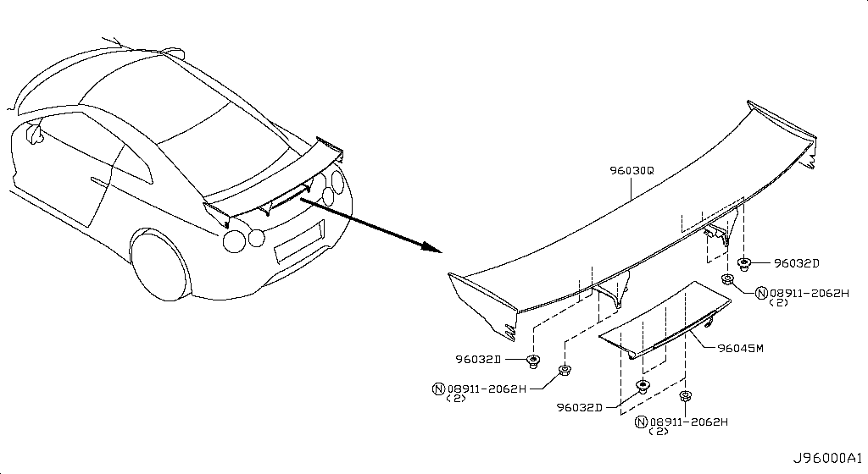
137 - Air Spoiler | 1 matched part(s)
Specification: NISMO; App. model: C • [06.2014-11.2014]
 | OEM | Description | Applies / Details | Period | Notes | Match
 | 21468-KB50A | AIR DUCT-INTAKE | Applies: C.(TRACK+NISMO) | 04.2016 - 07.2016 | front brackets where filter and bumper | air, cleaner, duct, filter, nismo, secondary, vacuum, ventilation

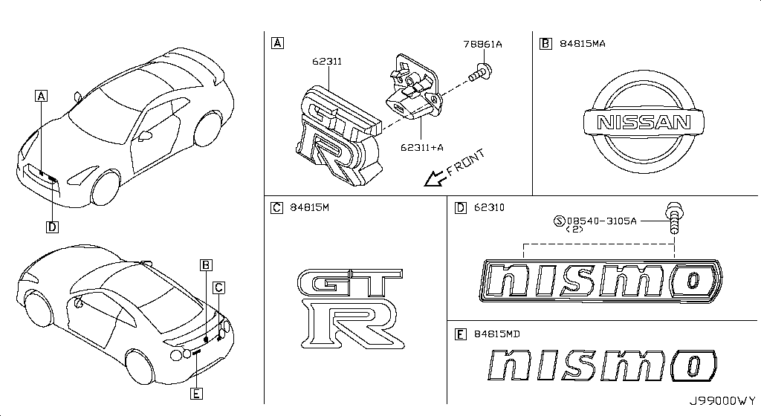
141 - Emblem & Name Label | 16 matched part(s)
Specification: NISMO; App. model: C • [06.2014-11.2014]
 | OEM | Description | Applies / Details | Period | Notes | Match
 | 62892-6AV0A | ORNAMENT-FRONT | Applies: C.(PURE+TRACK+PREMIUM) | 08.2017 - ... | FRONT EMBLEM | emblem
 | 62892-6AV0A | ORNAMENT-FRONT | Applies: C.(PURE+BLACK+PREMIUM) | 04.2016 - 07.2016 | FRONT EMBLEM | emblem
 | 62892-6AV0A | ORNAMENT-FRONT | Applies: C.(PURE+TRACK+BLACK+PREMIUM) | 07.2016 - 08.2017 | FRONT EMBLEM | emblem
 | 62892-JF00A | ORNAMENT-FRONT | Applies: C | 03.2008 - 07.2008 | FRONT EMBLEM | emblem
 | 62892-JF00B | ORNAMENT-FRONT | Applies: C | 07.2008 - 12.2009 | FRONT EMBLEM | emblem
 | 62892-JF01A | ORNAMENT-FRONT | Applies: C | 08.2017 - ... | BRACKET FRONT EMBLEM | emblem
 | 62892-JF01A | ORNAMENT-FRONT | Applies: C | 11.2013 - 11.2014 | BRACKET FRONT EMBLEM | emblem
 | 62892-JF01A | ORNAMENT-FRONT | Applies: C | 04.2016 - 08.2017 | BRACKET FRONT EMBLEM | emblem
 | 62892-JF01A | ORNAMENT-FRONT | Applies: C | 11.2014 - 04.2016 | BRACKET FRONT EMBLEM | emblem
 | 62892-JF01A | ORNAMENT-FRONT | Applies: C | 03.2008 - 12.2010 | BRACKET FRONT EMBLEM | emblem
 | 62892-JF01A | ORNAMENT-FRONT | Applies: C | 12.2010 - 11.2013 | BRACKET FRONT EMBLEM | emblem
 | 62892-JF60A | ORNAMENT-FRONT | Applies: C.(TRACK+NISMO) | 04.2016 - 07.2016 | FRONT EMBLEM | emblem, nismo
 | 62892-JF60A | ORNAMENT-FRONT | Applies: C | 11.2013 - 11.2014 | FRONT EMBLEM | emblem
 | 62892-JF60A | ORNAMENT-FRONT | Applies: C | 11.2014 - 04.2016 | FRONT EMBLEM | emblem
 | 62892-JF60A | ORNAMENT-FRONT | Applies: C | 12.2009 - 12.2010 | FRONT EMBLEM | emblem
 | 62892-JF60A | ORNAMENT-FRONT | Applies: C | 12.2010 - 11.2013 | FRONT EMBLEM | emblem

144 - Key Set & Blank Key | 1 matched part(s)

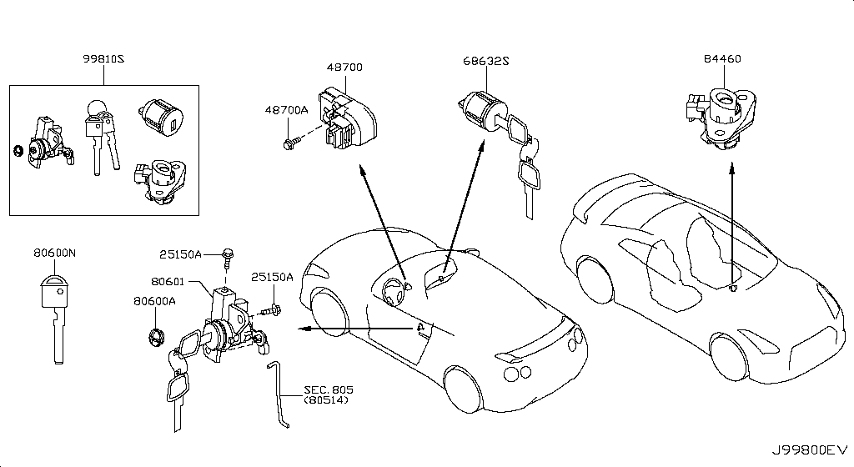
 | OEM | Description | Applies / Details | Period | Notes | Match
 | E4568-JF09A | SHIM SET-CAMBER |  |  |  | set

Unassigned / manual review | 68 part(s)
 | OEM | Description | Applies / Details | Period | Notes | Original Row
 | 25320-4M405 | CLIP | Applies: C.(PURE+BLACK+PREMIUM) | 04.2016 - 07.2016 |  | 539
 | 25320-4M405 | CLIP | Applies: C | 08.2017 - ... |  | 541
 | 25320-4M405 | CLIP | Applies: C | 11.2013 - 11.2014 |  | 543
 | 25320-4M405 | CLIP | Applies: C | 07.2016 - 08.2017 |  | 545
 | 25320-4M405 | CLIP | Applies: C | 11.2014 - 04.2016 |  | 547
 | 25320-4M405 | CLIP | Applies: C; Specification: CLIP-SW | 03.2008 - 12.2010 |  | 549
 | 25320-4M405 | CLIP | Applies: C | 12.2010 - 11.2013 |  | 551
...

diagrams
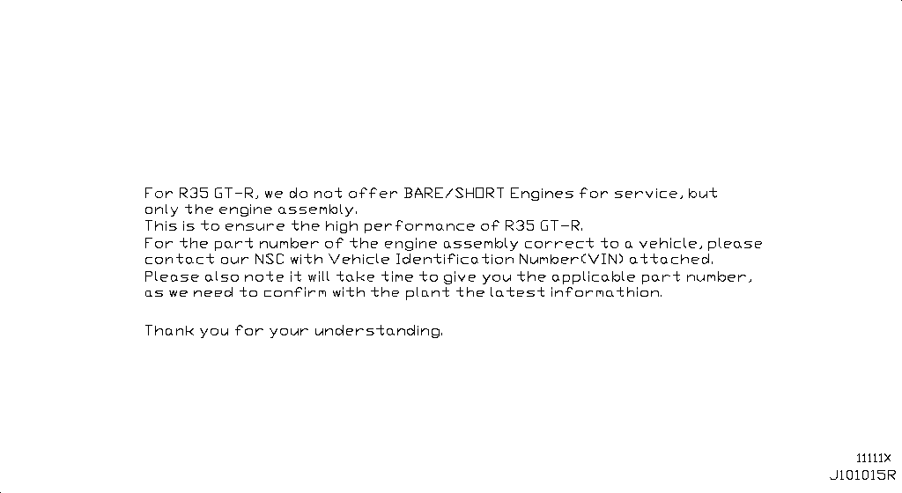
Bare & Short Engine
App. model: VR38DETT • [11.2013-11.2014]

Engine Gasket Kit
App. model: VR38DETT • [11.2013-11.2014]

Cylinder Block & Oil Pan
Specification: COMPONENT PARTS; App. model: VR38DETT • [11.2013-11.2014]

Cylinder Head & Rocker Cover
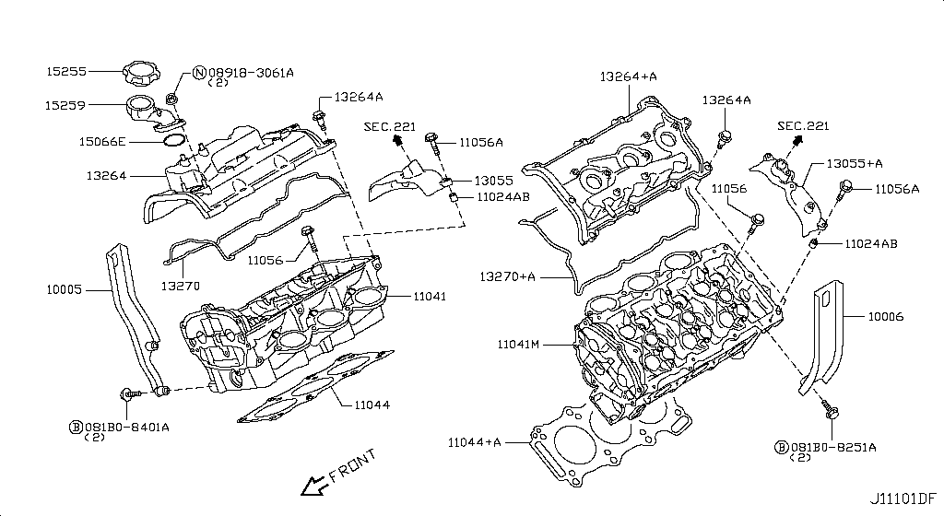 Specification: ASSEMBLY; App. model: VR38DETT • [11.2013-11.2014]

Engine & Transmission Mounting
Specification: E/G MOUNT; App. model: VR38DETT • [08.2017-]

Fan,Compressor & Power Steering Belt
App. model: VR38DETT • [11.2013-11.2014]

Crankcase Ventilation
App. model: VR38DETT • [11.2013-11.2014]

Piston,Crankshaft & Flywheel
Specification: MAIN PARTS; App. model: VR38DETT • [11.2013-11.2014]

Camshaft & Valve Mechanism
Specification: CAMSHAFT & VALVE MECHANISM; App. model: VR38DETT • [11.2013-11.2014]

Front Cover,Vacuum Pump & Fitting
Specification: FRONT COVER; App. model: VR38DETT • [11.2013-11.2014]

Manifold
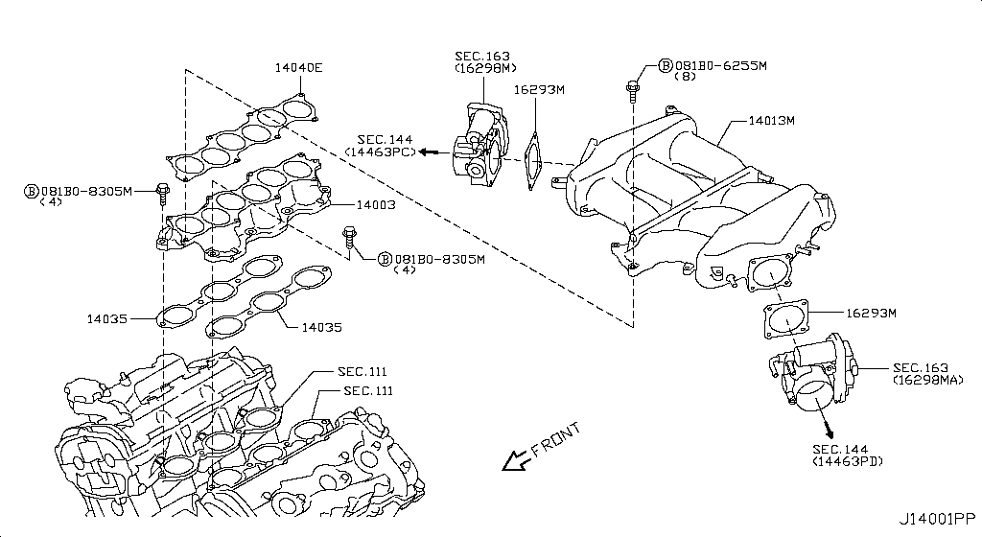 Specification: INTAKE PARTS; App. model: VR38DETT • [11.2013-11.2014]

Turbo Charger
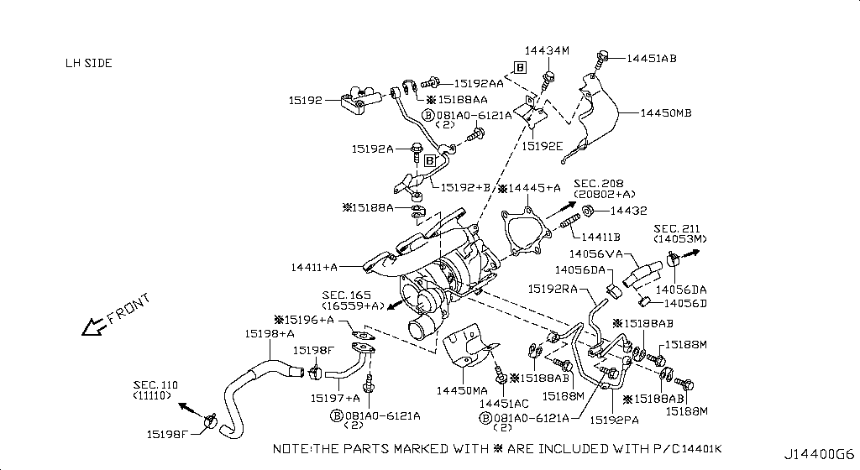 Specification: TURBO CHARGER(LH); App. model: VR38DETT • [11.2013-11.2014]

Secondary Air System
App. model: VR38DETT • [11.2013-11.2014]
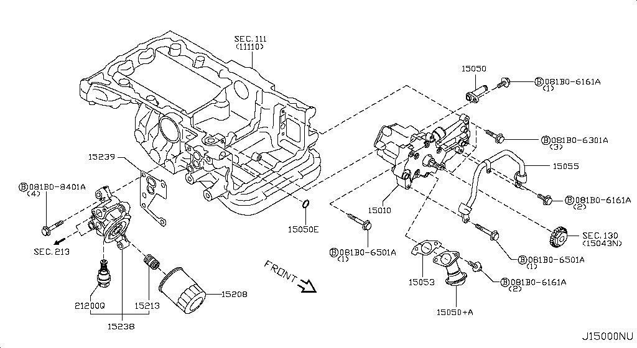
Lubricating System
App. model: VR38DETT • [11.2013-11.2014]
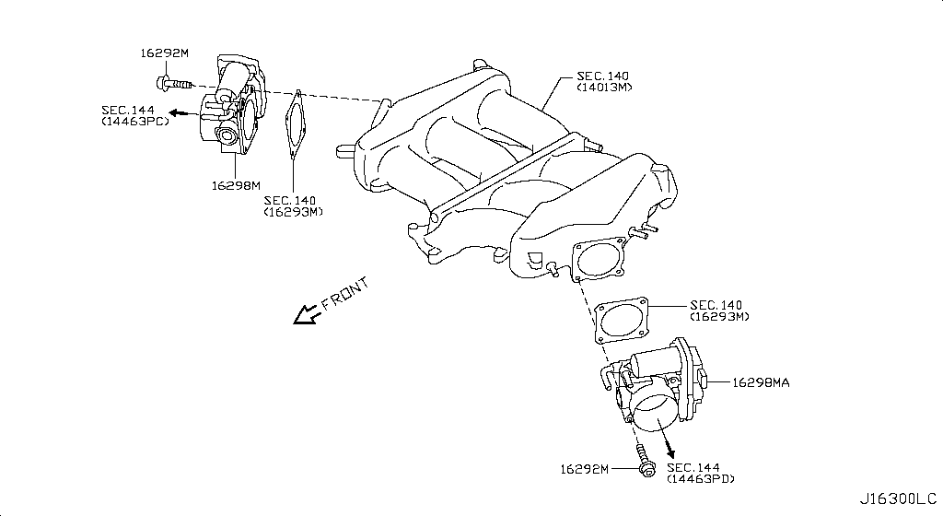
Throttle Chamber
App. model: VR38DETT • [11.2013-11.2014]

Fuel Strainer & Fuel Hose
App. model: VR38DETT • [11.2013-11.2014]
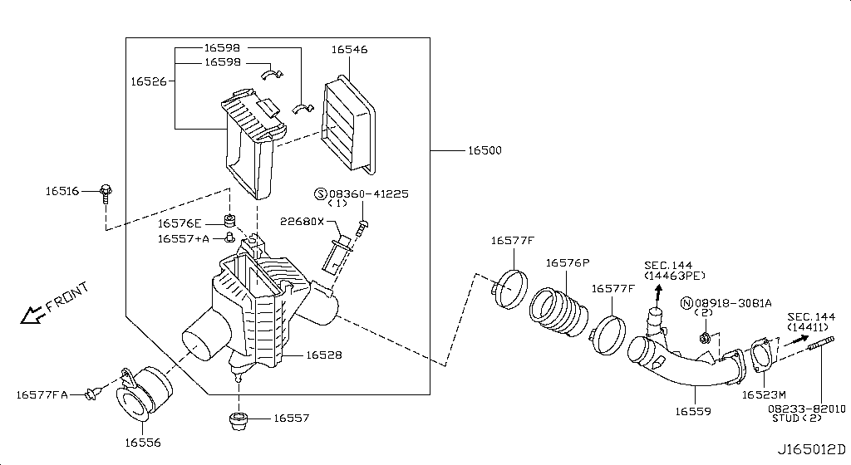
Air Cleaner
Specification: RH; App. model: VR38DETT • [11.2013-11.2014]

Fuel Pump
App. model: VR38DETT • [11.2013-11.2014]

Fuel Tank
App. model: VR38DETT • [11.2013-11.2014]

Fuel Piping
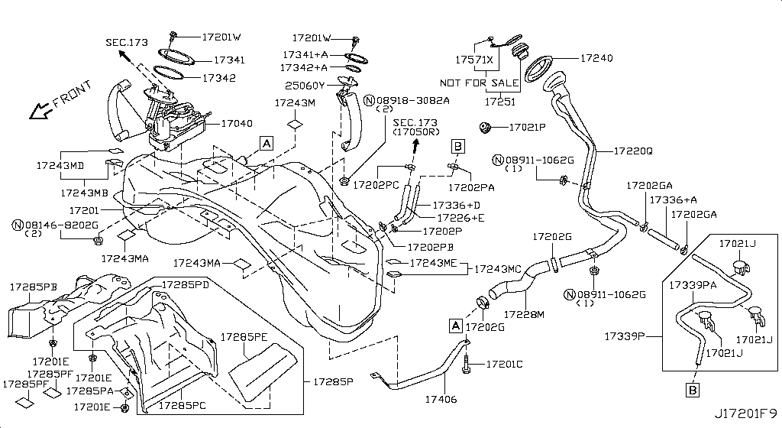 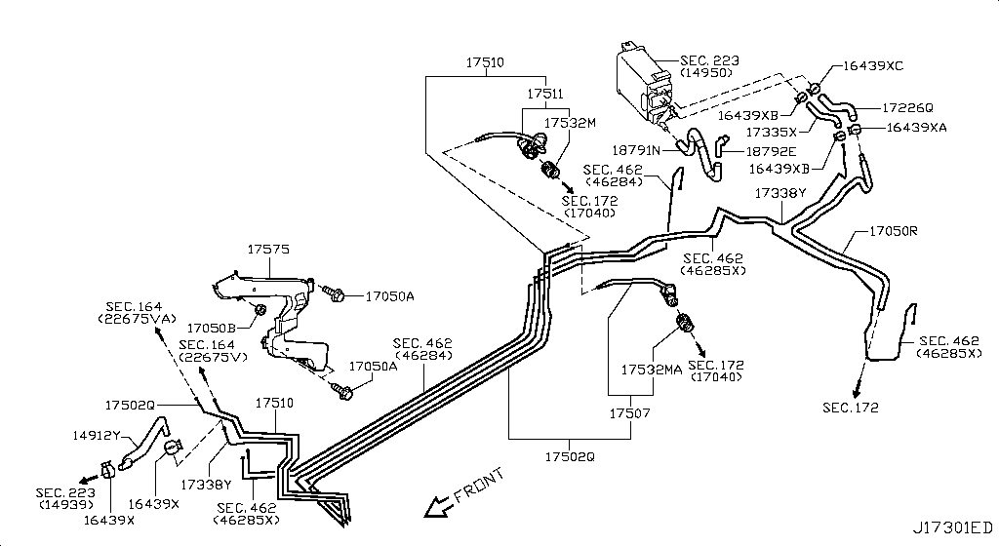 Specification: FUEL PIPING; App. model: VR38DETT • [11.2013-11.2014]
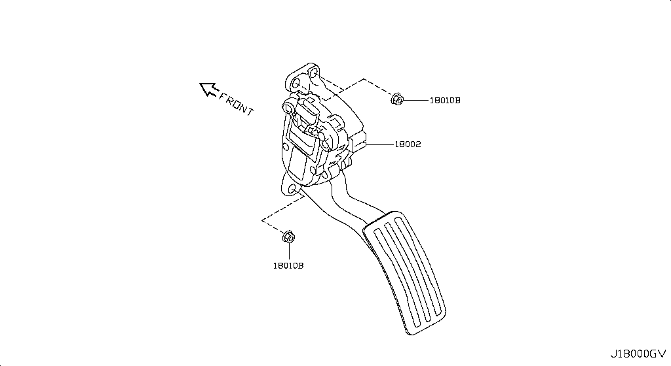
Accelerator Linkage
App. model: VR38DETT • [11.2013-11.2014]

Exhaust Tube & Muffler
App. model: VR38DETT • [11.2013-11.2014]

Catalyst Converter,Exhaust Fuel & Ure In
App. model: VR38DETT • [11.2013-11.2014]

Water Pump, Cooling Fan & Thermostat
App. model: VR38DETT • [11.2013-11.2014]

Water Hose & Piping
App. model: VR38DETT • [11.2013-11.2014]

Oil Cooler
App. model: VR38DETT • [11.2013-11.2014]

Radiator,Shroud & Inverter Cooling
Specification: FITTING PARTS; App. model: VR38DETT • [11.2013-11.2014]

Ignition System
App. model: VR38DETT • [11.2013-11.2014]

Distributor & Ignition Timing Sensor
App. model: VR38DETT • [11.2013-11.2014]

Engine Control Vacuum Piping
  Specification: PIPING1&CANISTER; App. model: VR38DETT • [11.2013-11.2014]

Engine Control Module
App. model: VR38DETT • [11.2013-11.2014]

Alternator Fitting
App. model: VR38DETT • [11.2013-11.2014]

Alternator
 Specification: ALTERNATOR ASSY; App. model: VR38DETT • [11.2013-11.2014]

Starter Motor
App. model: VR38DETT • [11.2013-11.2014]

Wiring
 Specification: ALTNTR HARN; App. model: C • [11.2014-04.2016]

Battery & Battery Mounting
App. model: VR38DETT • [11.2013-11.2014]

Instrument Meter & Gauge
 Specification: FRONT VIEW; App. model: C • [11.2013-11.2014]

Switch
Specification: BODY; App. model: C • [11.2013-11.2014]

Relay
Specification: ENGINE ROOM; App. model: C • [11.2013-11.2014]

Electrical Unit
 Specification: ENGINE ROOM; App. model: C • [11.2013-11.2014]

Headlamp
App. model: C • [11.2013-11.2014]

Front Combination Lamp
App. model: C • [11.2013-11.2014]

Side Marker Lamp
App. model: C • [11.2013-11.2014]

Room Lamp
App. model: C • [11.2013-11.2014]

Rear Combination Lamp
App. model: C • [11.2013-11.2014]

Licence Plate Lamp
Specification: LED; App. model: C • [07.2018-]

Lamps (Others)
App. model: C • [11.2013-11.2014]

High Mounting Stop Lamp
App. model: C • [11.2013-11.2014]

Heater & Blower Unit
 Specification: HEATER-FR (2); App. model: C • [11.2013-11.2014]

Cooling Unit
App. model: C • [11.2013-11.2014]

Control Unit
App. model: C • [11.2013-11.2014]

Nozzle & Duct
App. model: C • [11.2013-11.2014]

Compressor
App. model: C • [11.2013-11.2014]

Compressor Mounting & Fitting
App. model: VR38DETT • [11.2013-11.2014]

Condenser,Liquid Tank & Piping
App. model: C • [11.2013-11.2014]

Heater Piping
App. model: C • [11.2013-11.2014]

Audio & Visual
 Specification: DATA LOGGER FOR NISMO; App. model: C • [11.2014-04.2016]

Telephone
App. model: C • [04.2016-08.2017]

Speaker
App. model: C • [11.2014-04.2016]

Windshield Wiper
App. model: C • [11.2013-11.2014]

Windshield Washer
App. model: C • [11.2013-11.2014]

Manual Transmission, Transaxle & Fitting
 Specification: TCM & BRTHR; App. model: GR6 • [11.2013-11.2014]

Transmission Case & Clutch Release
App. model: GR6 • [11.2013-11.2014]

Transmission Shift Control
App. model: GR6 • [11.2013-11.2014]

Transfer Assembly & Fitting
App. model: VR38DETT • [11.2014-04.2016]

Transfer Case
App. model: VR38DETT • [11.2013-11.2014]

Transfer Gear
App. model: VR38DETT • [11.2013-11.2014]

Auto Transmission Control Device
App. model: VR38DETT • [11.2013-11.2014]

Transfer Control Parts
App. model: VR38DETT • [11.2013-11.2014]

Propeller Shaft
App. model: VR38DETT • [11.2013-11.2014]

Rear Final Drive
 Specification: BRTHR PIPING; App. model: VR38DETT • [11.2013-11.2014]

Front Final Drive
Specification: F/D; App. model: VR38DETT • [11.2013-11.2014]

Front Drive Shaft (Ff)
 Specification: RH SIDE; App. model: VR38DETT • [11.2013-11.2014]

Rear Drive Shaft
 Specification: RH SIDE; App. model: VR38DETT • [11.2013-11.2014]

Front Axle
App. model: VR38DETT • [11.2013-11.2014]

Front Suspension
Specification: ABSORBER; App. model: VR38DETT • [11.2014-04.2016]

Rear Axle
App. model: VR38DETT • [11.2013-11.2014]

Rear Suspension
Specification: MEMBER[NISMO]; App. model: VR38DETT.NISMO • [06.2014-11.2014]

Road Wheel & Tire
Specification: 6SPOKE[NISMO]; App. model: C.NISMO • [06.2014-11.2014]

Front Brake
App. model: VR38DETT • [11.2013-11.2014]

Rear Brake
  Specification: PARKING BRAKE; App. model: VR38DETT • [11.2013-11.2014]

Parking Brake Control
App. model: VR38DETT • [11.2013-11.2014]

Brake Master Cylinder
App. model: VR38DETT • [11.2013-11.2014]

Brake Piping & Control
  Specification: FRONT PIPING; App. model: C • [11.2013-11.2014]

Brake & Clutch Pedal
App. model: VR38DETT • [11.2013-11.2014]

Brake Servo & Servo Control
App. model: VR38DETT • [11.2013-11.2014]

Anti Skid Control
App. model: C • [11.2013-11.2014]

Steering Gear Mounting
App. model: VR38DETT • [11.2013-11.2014]

Steering Wheel
App. model: C • [11.2013-11.2014]

Steering Column Shell Cover
App. model: C • [07.2018-]

Steering Column
App. model: VR38DETT • [11.2013-11.2014]

Power Steering Pump
App. model: VR38DETT • [11.2013-11.2014]

Power Steering Gear
App. model: VR38DETT • [11.2013-11.2014]

Power Steering Pump Mounting
App. model: C • [11.2013-11.2014]

Power Steering Piping
App. model: VR38DETT • [11.2013-11.2014]

Front Bumper
Specification: NISMO; App. model: C.NISMO • [07.2016-07.2018]

Front Apron & Radiator Core Support
App. model: C • [11.2013-11.2014]

Front Fender & Fitting
App. model: C • [11.2013-11.2014]

Hood Ledge & Fitting
Specification: PLUG; App. model: C • [11.2013-11.2014]

Hood Panel,Hinge & Fitting
App. model: C • [11.2013-11.2014]

Hood Lock Control
App. model: C • [11.2013-11.2014]

Cowl Top & Fitting
App. model: C • [11.2013-11.2014]

Dash Panel & Fitting
App. model: C • [11.2013-11.2014]

Dash Trimming & Fitting
App. model: C • [11.2013-11.2014]

Instrument Panel,Pad & Cluster Lid
  Specification: INST PAD & CLUSTER LID; App. model: C • [11.2013-11.2014]

Ventilator
App. model: C • [07.2016-08.2017]

Front Windshield
App. model: C • [11.2013-11.2014]

Roof Panel & Fitting
Specification: STD ROOF; App. model: C • [11.2013-11.2014]

Roof Trimming
App. model: C • [11.2013-11.2014]

Floor Panel
App. model: C • [11.2013-11.2014]

Floor Panel (Rear)
App. model: C • [11.2013-11.2014]

Floor Fitting
  Specification: FRONT NISMO; App. model: C • [06.2014-11.2014]

Floor Fitting
Specification: INSUL; App. model: C • [11.2013-11.2014]

Floor Trimming
App. model: C • [11.2013-11.2014]

Member & Fitting
App. model: C • [11.2013-11.2014]

Body Side Panel
Specification: FRONT; App. model: C • [11.2013-11.2014]

Body Side Moulding
App. model: C • [11.2013-11.2014]

Body Side Fitting
  Specification: PLUG&INSULATER; App. model: C • [11.2013-11.2014]

Body Side Trimming
App. model: C • [11.2013-11.2014]

Rear Fender & Fitting
App. model: C • [11.2013-11.2014]

Rear,Back Panel & Fitting
App. model: C • [11.2013-11.2014]

Rear Window
App. model: C • [11.2013-11.2014]

Rear & Back Panel Trimming
  Specification: NORMAL GRILLE; App. model: C • [11.2013-11.2014]

Front Door Panel & Fitting
App. model: C • [11.2013-11.2014]

Front Door Window & Regulator
App. model: C • [11.2013-11.2014]

Front Door Lock & Handle
App. model: C • [11.2013-11.2014]

Front Door Trimming
App. model: C • [08.2017-]

Side Window
App. model: C • [11.2013-11.2014]

Trunk Lid & Fitting
Specification: NOMAL; App. model: C • [11.2013-11.2014]

Trunk Opener
App. model: C • [11.2013-11.2014]

Trunk & Luggage Room Trimming
App. model: C • [11.2014-04.2016]

Rear Bumper
App. model: C.NISMO • [06.2014-07.2018]

Front Seat Belt
App. model: C • [11.2013-11.2014]

Rear Seat Belt
App. model: C • [11.2013-11.2014]

Front Seat
Specification: RH SEAT; App. model: C • [11.2013-11.2014]

Rear Seat
App. model: C • [11.2013-11.2014]

Air Spoiler
Specification: NISMO; App. model: C • [06.2014-11.2014]

Rear View Mirror
App. model: C • [11.2013-11.2014]

Sunvisor
App. model: C • [11.2013-11.2014]

Console Box
App. model: C • [11.2013-11.2014]

Emblem & Name Label
Specification: NISMO; App. model: C • [06.2014-11.2014]

Caution Plate & Label
App. model: C • [04.2016-08.2017]

Tool Kit & Maintenance Manual
App. model: C • [08.2017-]

Key Set & Blank Key

Sheet1
...
A0A01-JF00A | full gasket kit engine | A0A01-JF00A Gasket-Engine Nissan | YoshiParts
11145-JF00A | oil level sensor
12279-AD200 | rear crank seal
11110-38B0A | but need 2024 CRANKCASE
11040-JF00A | cylinder heads L
11090-JF00A | cylinder heads R
11340-JF00C | insulator mount trans rear x2
11320-JF00B | insulator mount trans front x2
11220-6AV0A | front mount left and right x2
11270-JF00C | engine mount REAR MIDDLE X1
32040-6AV0A | BELL HOUSING

Genuine Nissan R35 GT-R VR38DETT Engine Tensioner Idle Pulley + Belt Set | #VALUE! |  |  | FULL KIT PULLEY AND BELT

12111-JF00A | Applies: VR38DETT; Specification: STD=0 |  | 8.2017 | connecting rod bush
12111-JF01A | Applies: VR38DETT; Specification: STD=1 |  | 8.2017
12111-JF02A | Applies: VR38DETT; Specification: STD=2 |  | 8.2017
12111-JF03A | Applies: VR38DETT; Specification: STD=3 |  | 8.2017
12111-JF04A | Applies: VR38DETT; Specification: STD=4 |  | 8.2017
12117-JF00A | Applies: VR38DETT; Specification: US=0.25 |  | 8.2017

12208M - WASHER-THRUST
12280-JK20A | WASHER FOR BEARINGS
...

